Schedule 139 Tariff Rates
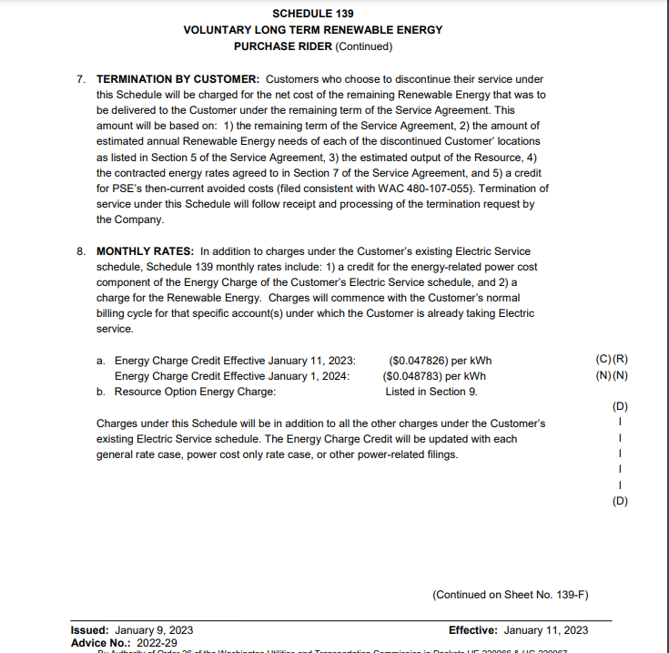
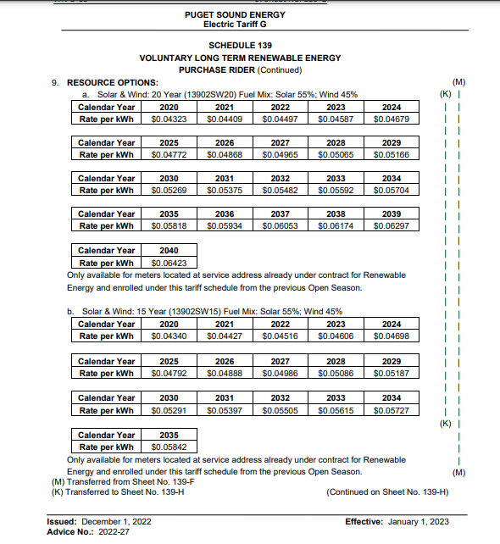
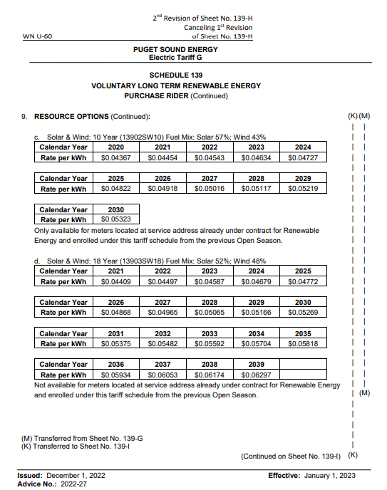
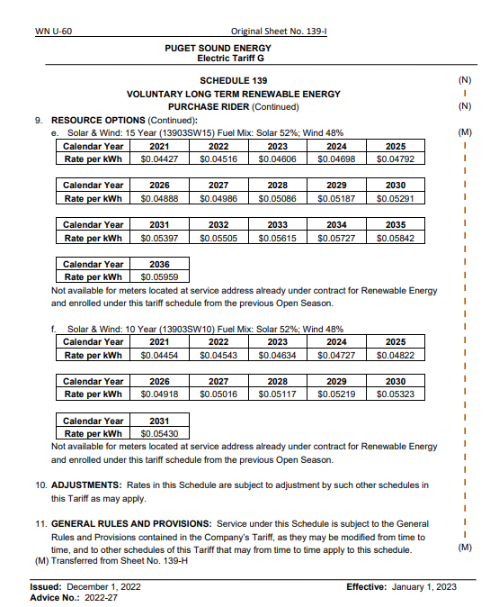
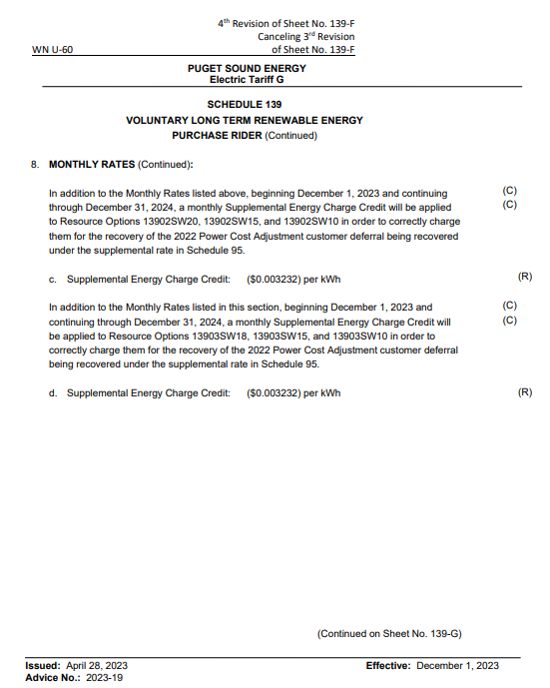
Puget Sound Energy
Sch 139 Green Direct Rates
 |  | 2019 | 2020 | 2021 | 2022 | 2023 | 2024
 |  | Effective Sept 13, 2018 | Effective Oct 15, 2020 | Effective Jan 1, 2021 | Effective July 1, 2021 | Effective Jan 11, 2023 | Effective Jan 1, 2024
Energy Credit: |  | $(0.047125) | $(0.045634) | $(0.044883) | $(0.039618) | $(0.047826) | $(0.048783)

Supplemental Credit:
 | Phase 1 |  |  | $(0.000581) | $(0.000581) | $(0.002115) | $(0.003232)
 | Pahse 2 |  |  |  |  | $(0.001986) | $(0.003232)

Resource Options:
13902SW10 | Solar Wind 10 Year |  | $0.04367 | $0.04454 | $0.04543 | $0.04634 | $0.04727
13902SW15 | Solar Wind 15 Year |  | $0.04340 | $0.04427 | $0.04516 | $0.04606 | $0.04698
13902SW20 | Solar Wind 20 Year |  | $0.04323 | $0.04409 | $0.04497 | $0.04587 | $0.04679

13903SW10 | Solar Wind 10 Year |  |  | $0.04454 | $0.04543 | $0.04634 | $0.04727
13903SW15 | Solar Wind 15 Year |  |  | $0.04427 | $0.04516 | $0.04606 | $0.04698
13903SW18 | Solar Wind 18 Year |  |  | $0.04409 | $0.04497 | $0.04587 | $0.04679

