191 Accounts
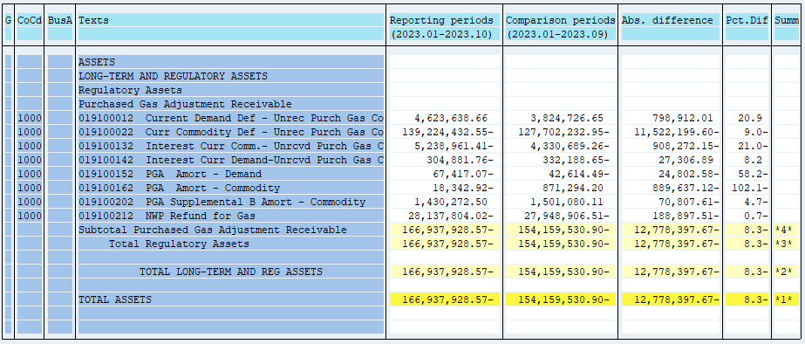
PUGET SOUND ENERGY
PGA 191 Account Balances
October
2023

 |  | Acct No. | Oct-23

Surcharge/Refund Amortization Accounts:
PGA Refund/Surcharge Amortization (Demand) |  | 19100152
 | Beginning |  | $(42,614.49)
 | Transfer Deferral Amounts to Surcharge/Refund Account
 | Surcharge/Refund Amortization |  | (17,629.00)
 | Migration Credit |  | 1,966.41
 | Interest |  | (9,139.99)
 | Total Month |  | (24,802.58)
 | Ending |  | $(67,417.07)

PGA Refund/Surcharge Amortization (Commodity) - 106 |  | 19100162
 | Beginning |  | $871,294.20
 | Transfer Deferral Amounts to Surcharge/Refund Account
 | Surcharge/Refund Amortization |  | (923,152.00)
 | Migration Credit |  | 5,705.05
 | Interest |  | 27,809.83
 | Total Month |  | (889,637.12)
 | Ending |  | $(18,342.92)

PGA Supplemental Amortization (Commodity) - 106B |  | 19100202
 | Beginning |  | $1,501,080.11
 | Transfer Deferral Amounts to Surcharge/Refund Account
 | Surcharge/Refund Amortization |  | (36,874.00)
 | Migration Credit
 | Interest |  | (33,933.61)
 | Total Month |  | (70,807.61)
 | Ending |  | $1,430,272.50

NWP Refund for Gas (Demand) |  | 19100212
 | Beginning |  | $(27,948,906.51)
 | Rcrd Northwest Pipeline Refund Alloc to Gas Book
 | Reclass to PLNG
 | Transfer Deferral Amounts to Surcharge/Refund Account
 | Surcharge/Refund Amortization
 | Interest |  | (188,897.51)
 | Total Month |  | (188,897.51)
 | Ending |  | $(28,137,804.02)

Current Demand Deferral |  | 19100012
 | Beginning |  | $3,824,726.65
 | Transfer Deferral Amounts to Surcharge/Refund Account
 | Deferral |  | 798,912.01
 | Total Month |  | 798,912.01
 | Ending |  | $4,623,638.66

Current Commodity Deferral |  | 19100022
 | Beginning |  | $(127,702,232.95)
 | Transfer Deferral Amounts to Surcharge/Refund Account
 | PGA Deferral Commd Vlntr RNG CR Tru-up 12/21-05/22
 | Deferral |  | (11,522,199.60)
 | Total Month |  | (11,522,199.60)
 | Ending |  | $(139,224,432.55)

Interest on Demand Deferral |  | 19100142
 | Beginning |  | $(332,188.65)
 | Transfer Interest Amounts to Surcharge/Refund Account
 | Interest |  | 27,306.89
 | Total Month |  | 27,306.89
 | Ending |  | $(304,881.76)

Interest on Commodity Deferral |  | 19100132
 | Beginning |  | $(4,330,689.26)
 | Transfer Interest Amounts to Surcharge/Refund Account
 | Interest |  | (908,272.15)
 | Total Month |  | (908,272.15)
 | Ending |  | $(5,238,961.41)

Total 191
 | Beginning |  | $(154,159,530.90)
 | Total Month |  | (12,778,397.67)
 | Ending |  | $(166,937,928.57)
Less: Acct. being Amortized |  |  | 1,344,512.51
Current Period Under/(Over) Recovered |  |  | $(168,282,441.08)

