(c) 4 tons avoided CO2
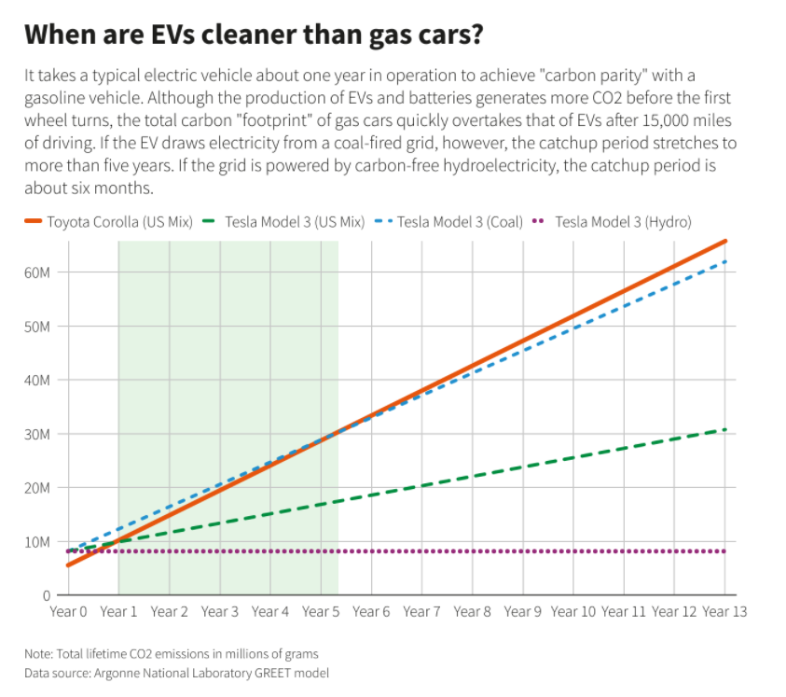
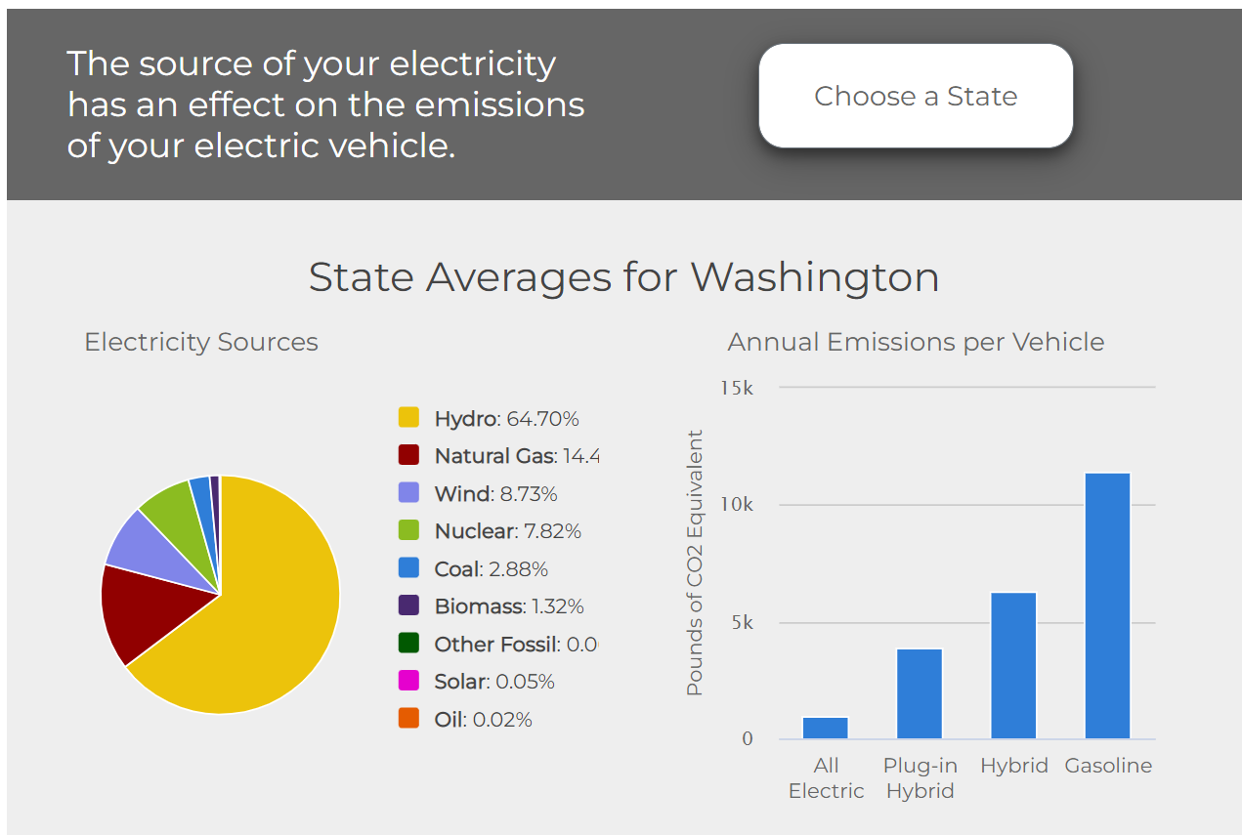
Response to DR-245 (c)

Based on the current US Alternative Fuels Data Center website
https://afdc.energy.gov/vehicles/electric_emissions.html

lbs CO2 state avg | vehicle type | % of population | weighted emissions
940 | BEV | 70% | 658
3892 | PHEV | 30% | 1167.6
 |  |  | 1826 | average annual EV emissions

11435 | gasoline | 97.60% | 11160.56
6258 | hybrid gasoline | 2.40% | 150.192
 |  |  | 11311 | average annual gas vehicle emissions

 |  |  | 9485 | average CO2 emissions reduction
 |  |  | 2000 | lbs/ton
 |  |  | 4.7 | tons avoided CO2 emissions

This is for annual emissions comparisons, which compares the emissions of EVs from generation sources to the CO2 produced when burning gasoline.
This may be a conservative value, as more research is needed to determine if the gasoline CO2 emissions include upstream emission from extracting, refining and transporting the petroleum fuel.

To evaluate the effect of emissions caused by manufacturing vehicles, see the following websites:
https://www.reuters.com/business/autos-transportation/when-do-electric-vehicles-become-cleaner-than-gasoline-cars-2021-06-29/
https://afdc.energy.gov/vehicles/electric_emissions.html

A screenshot is provided below, which shows that the relative difference in current manufacturing emissions are small compared to operating emissions.
In Washington state, because of the clean electricity sources the EV makes up for the difference in less than one year, and would avoid nearly 5 tons of CO2 every year.

(c) $304 revenue per EV
response to DR-245 (c)
Derivation of $304 annual utility revenue per EV
This is a conservative value based on early EV charging data in pilot. Future EVs likely with larger batteries, more driving & more consumption |  |  |  |  |  |  |  |  |  |  |  |  | BEV | battery-electric (all-electric)
kWh values below in various categories are based on over 53,000 charging session data acquired in Pilot program |  |  |  |  |  |  |  |  |  |  |  |  | PHEV | plug-in hybrid
proportion estimates in various categories based on pilot participants |  |  |  |  |  |  |  |  |  |  |  |  | C | commuter
 |  |  |  |  |  |  |  |  |  |  |  |  | NC | non-commuter
$0.08765 | tier2 residential Sch1 |  |  | applied to residential charging |  |  |  |  |  |  |  |  | Resi | residential charging location
$0.11349 | tier1 commercial Sch011 |  |  | applied to workplace and public charging ACL2 |  |  |  |  |  |  |  |  | Work | workplace charging location
$0.23174 | DCFC |  |  | applied to DCFC |  |  |  |  |  |  |  |  | public ACL2/DCFC | public charging location

 | Residential | Work | Public L2 | Public DCFC
0 | 0.18627817658 | 0.0020383780286 | 0.01629450145 | 0.0036042795403
0.041666666667 | 0.11904023857 | 0.0008091476187 | 0.012615271533 | 0.0028314412052
0.083333333333 | 0.10391963929 | 0.00050547792555 | 0.011198166154 | 0.0021571895541
0.125 | 0.13414503347 | 0.00050547792555 | 0.010524020441 | 0.001664746592
0.16666666667 | 0.099549143217 | 0.00050547792555 | 0.00764374373 | 0.00094123732042
0.20833333333 | 0.075741085135 | 0.0018909469669 | 0.0080116478265 | 0.00079700001432
0.25 | 0.069320287257 | 0.022639284059 | 0.014570708058 | 0.00083726269547
0.29166666667 | 0.076584281952 | 0.11642987068 | 0.062375737998 | 0.0015397885381
0.33333333333 | 0.076988216758 | 0.14997621956 | 0.073576452237 | 0.0022263961978
0.375 | 0.099914435339 | 0.12115360019 | 0.057399362616 | 0.0028579383209
0.41666666667 | 0.14803468085 | 0.081156209911 | 0.057721761615 | 0.0045243661819
0.45833333333 | 0.19012302584 | 0.063278790223 | 0.064511622545 | 0.007151735923
0.5 | 0.22885627895 | 0.056916197887 | 0.077426289137 | 0.0087340181539
0.54166666667 | 0.25556119605 | 0.059202149047 | 0.072414561634 | 0.010927534945
0.58333333333 | 0.28385050186 | 0.058789954775 | 0.070919155622 | 0.011614846314
0.625 | 0.39001640812 | 0.032974737592 | 0.070609101293 | 0.011936672162
0.66666666667 | 0.52443334721 | 0.021331551396 | 0.073572447853 | 0.012111100975
0.70833333333 | 0.64753943839 | 0.040727849919 | 0.082849731013 | 0.012214522999
0.75 | 0.62460532472 | 0.031255385063 | 0.077067164 | 0.01161741465
0.79166666667 | 0.54596407439 | 0.021363649244 | 0.063189587084 | 0.010096978712
0.83333333333 | 0.50000162005 | 0.025675598053 | 0.050383043279 | 0.0089616693242
0.875 | 0.44411768685 | 0.026748398363 | 0.038936154719 | 0.0077590335163
0.91666666667 | 0.32606268999 | 0.015865113981 | 0.028129329585 | 0.0057602132195
0.95833333333 | 0.25991089719 | 0.006489647276 | 0.020825815309 | 0.0042186239964
Category | BEV C kWh | BEV NC kWh | PHEV C kWh | PHEV NC kWh | Resi kWh | Resi revenue | WORK kWh | Work kWh - adj | Work rev | PUBLIC ACL2 kWh | DCFC kWh | PUB L2 + DCFC kWh | Total kWh | Total rev
Proportion | 0.5 | 0.2 | 0.3 | 0.1 | 1.0 | n/a | n/a | 0.3 | n/a | n/a | n/a | n/a | n/a | n/a
0:00:00 | 0.20 | 0.09 | 0.22 | 0.19 | 0.19 | $0.02 | 0.01 | 0.00 | $0.00 | 0.02 | 0.00 | $0.00 | 0.21 | $0.02
1:00:00 | 0.13 | 0.07 | 0.12 | 0.12 | 0.12 | $0.01 | 0.00 | 0.00 | $0.00 | 0.01 | 0.00 | $0.00 | 0.14 | $0.01
2:00:00 | 0.14 | 0.06 | 0.08 | 0.06 | 0.10 | $0.01 | 0.00 | 0.00 | $0.00 | 0.01 | 0.00 | $0.00 | 0.12 | $0.01
3:00:00 | 0.21 | 0.05 | 0.08 | 0.03 | 0.13 | $0.01 | 0.00 | 0.00 | $0.00 | 0.01 | 0.00 | $0.00 | 0.15 | $0.01
4:00:00 | 0.15 | 0.04 | 0.07 | 0.02 | 0.10 | $0.01 | 0.00 | 0.00 | $0.00 | 0.01 | 0.00 | $0.00 | 0.11 | $0.01
5:00:00 | 0.10 | 0.04 | 0.07 | 0.02 | 0.08 | $0.01 | 0.01 | 0.00 | $0.00 | 0.01 | 0.00 | $0.00 | 0.09 | $0.01
6:00:00 | 0.08 | 0.04 | 0.07 | 0.07 | 0.07 | $0.01 | 0.11 | 0.02 | $0.00 | 0.01 | 0.00 | $0.00 | 0.11 | $0.01
7:00:00 | 0.08 | 0.06 | 0.08 | 0.07 | 0.08 | $0.01 | 0.54 | 0.12 | $0.01 | 0.06 | 0.00 | $0.01 | 0.26 | $0.03
8:00:00 | 0.08 | 0.10 | 0.07 | 0.05 | 0.08 | $0.01 | 0.70 | 0.15 | $0.02 | 0.07 | 0.00 | $0.01 | 0.30 | $0.03
9:00:00 | 0.09 | 0.14 | 0.09 | 0.09 | 0.10 | $0.01 | 0.57 | 0.12 | $0.01 | 0.06 | 0.00 | $0.01 | 0.28 | $0.03
10:00:00 | 0.13 | 0.24 | 0.14 | 0.13 | 0.15 | $0.01 | 0.38 | 0.08 | $0.01 | 0.06 | 0.00 | $0.01 | 0.29 | $0.03
11:00:00 | 0.17 | 0.27 | 0.18 | 0.17 | 0.19 | $0.02 | 0.30 | 0.06 | $0.01 | 0.06 | 0.01 | $0.01 | 0.33 | $0.03
12:00:00 | 0.21 | 0.28 | 0.22 | 0.28 | 0.23 | $0.02 | 0.27 | 0.06 | $0.01 | 0.08 | 0.01 | $0.01 | 0.37 | $0.04
13:00:00 | 0.24 | 0.30 | 0.23 | 0.35 | 0.26 | $0.02 | 0.28 | 0.06 | $0.01 | 0.07 | 0.01 | $0.01 | 0.40 | $0.04
14:00:00 | 0.27 | 0.30 | 0.28 | 0.32 | 0.28 | $0.02 | 0.27 | 0.06 | $0.01 | 0.07 | 0.01 | $0.01 | 0.43 | $0.04
15:00:00 | 0.42 | 0.28 | 0.42 | 0.35 | 0.39 | $0.03 | 0.15 | 0.03 | $0.00 | 0.07 | 0.01 | $0.01 | 0.51 | $0.05
16:00:00 | 0.57 | 0.28 | 0.65 | 0.36 | 0.52 | $0.05 | 0.10 | 0.02 | $0.00 | 0.07 | 0.01 | $0.01 | 0.63 | $0.06
17:00:00 | 0.76 | 0.27 | 0.72 | 0.44 | 0.65 | $0.06 | 0.19 | 0.04 | $0.00 | 0.08 | 0.01 | $0.01 | 0.78 | $0.07
18:00:00 | 0.72 | 0.25 | 0.73 | 0.46 | 0.62 | $0.05 | 0.15 | 0.03 | $0.00 | 0.08 | 0.01 | $0.01 | 0.74 | $0.07
19:00:00 | 0.59 | 0.25 | 0.69 | 0.43 | 0.55 | $0.05 | 0.10 | 0.02 | $0.00 | 0.06 | 0.01 | $0.01 | 0.64 | $0.06
20:00:00 | 0.55 | 0.24 | 0.61 | 0.37 | 0.50 | $0.04 | 0.12 | 0.03 | $0.00 | 0.05 | 0.01 | $0.01 | 0.59 | $0.05
21:00:00 | 0.48 | 0.23 | 0.54 | 0.33 | 0.44 | $0.04 | 0.12 | 0.03 | $0.00 | 0.04 | 0.01 | $0.01 | 0.52 | $0.05
Home | 0.74207966031
Work | 0.1109236306
Public L2 | 0.12997018159
DCFC | 0.017026527502
22:00:00 | 0.36 | 0.19 | 0.38 | 0.26 | 0.33 | $0.03 | 0.07 | 0.02 | $0.00 | 0.03 | 0.01 | $0.00 | 0.38 | $0.03
23:00:00 | 0.28 | 0.13 | 0.31 | 0.23 | 0.26 | $0.02 | 0.03 | 0.01 | $0.00 | 0.02 | 0.00 | $0.00 | 0.29 | $0.03
 |  |  |  |  | 6.41 |  |  | 0.96 |  | 1.12 | 0.15

 |  |  |  |  |  |  |  |  |  |  |  | Daily | 8.6 | $0.83 | $0.10 | all-in $/kWh
 |  |  |  |  |  |  |  |  |  |  |  | Annual | 3153 | $304
 |  |  |  |  |  |  |  |  |  |  |  |  | 10405 | estimated annual miles driven at 3.3 mi/kWh
 |  |  |  |  |  |  |  |  |  |  |  | Totals
 |  |  |  |  |  |  |  |  |  |  |  | Home | 6.41 | 74%
 |  |  |  |  |  |  |  |  |  |  |  | Work | 0.96 | 11%
 |  |  |  |  |  |  |  |  |  |  |  | Public L2 | 1.12 | 13%
 |  |  |  |  |  |  |  |  |  |  |  | DCFC | 0.15 | 2%

