191 Accounts
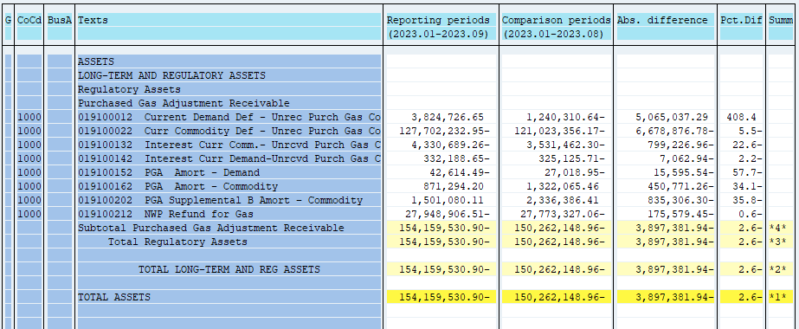
PUGET SOUND ENERGY
PGA 191 Account Balances
September
2023

 |  | Acct No. | Sep-23

Surcharge/Refund Amortization Accounts:
PGA Refund/Surcharge Amortization (Demand) |  | 19100152
 | Beginning |  | $(27,018.95)
 | Transfer Deferral Amounts to Surcharge/Refund Account
 | Surcharge/Refund Amortization |  | (9,137.00)
 | Migration Credit |  | 1,958.34
 | Interest |  | (8,416.88)
 | Total Month |  | (15,595.54)
 | Ending |  | $(42,614.49)

PGA Refund/Surcharge Amortization (Commodity) - 106 |  | 19100162
 | Beginning |  | $1,322,065.46
 | Transfer Deferral Amounts to Surcharge/Refund Account
 | Surcharge/Refund Amortization |  | (487,144.00)
 | Migration Credit |  | 5,726.26
 | Interest |  | 30,646.48
 | Total Month |  | (450,771.26)
 | Ending |  | $871,294.20

PGA Supplemental Amortization (Commodity) - 106B |  | 19100202
 | Beginning |  | $2,336,386.41
 | Transfer Deferral Amounts to Surcharge/Refund Account
 | Surcharge/Refund Amortization |  | (806,379.00)
 | Migration Credit
 | Interest |  | (28,927.30)
 | Total Month |  | (835,306.30)
 | Ending |  | $1,501,080.11

NWP Refund for Gas (Demand) |  | 19100212
 | Beginning |  | $(27,773,327.06)
 | Rcrd Northwest Pipeline Refund Alloc to Gas Book
 | Reclass to PLNG
 | Transfer Deferral Amounts to Surcharge/Refund Account
 | Surcharge/Refund Amortization
 | Interest |  | (175,579.45)
 | Total Month |  | (175,579.45)
 | Ending |  | $(27,948,906.51)

Current Demand Deferral |  | 19100012
 | Beginning |  | $(1,240,310.64)
 | Transfer Deferral Amounts to Surcharge/Refund Account
 | Deferral |  | 5,065,037.29
 | Total Month |  | 5,065,037.29
 | Ending |  | $3,824,726.65

Current Commodity Deferral |  | 19100022
 | Beginning |  | $(121,023,356.17)
 | Transfer Deferral Amounts to Surcharge/Refund Account
 | PGA Deferral Commd Vlntr RNG CR Tru-up 12/21-05/22
 | Deferral |  | (6,678,876.78)
 | Total Month |  | (6,678,876.78)
 | Ending |  | $(127,702,232.95)

Interest on Demand Deferral |  | 19100142
 | Beginning |  | $(325,125.71)
 | Transfer Interest Amounts to Surcharge/Refund Account
 | Interest |  | (7,062.94)
 | Total Month |  | (7,062.94)
 | Ending |  | $(332,188.65)

Interest on Commodity Deferral |  | 19100132
 | Beginning |  | $(3,531,462.30)
 | Transfer Interest Amounts to Surcharge/Refund Account
 | Interest |  | (799,226.96)
 | Total Month |  | (799,226.96)
 | Ending |  | $(4,330,689.26)

Total 191
 | Beginning |  | $(150,262,148.96)
 | Total Month |  | (3,897,381.94)
 | Ending |  | $(154,159,530.90)
Less: Acct. being Amortized |  |  | 2,329,759.82
Current Period Under/(Over) Recovered |  |  | $(156,489,290.72)

