NetWriteoffs-Gas
Puget Sound Energy / Net Write-Offs

12ME December 2023
Orders/Accounts | Act. Costs
90400003 9800 -Uncollectible Accts- Accrual- Elec | 16,161,840.00
90400005 9806 - Non-Consumption Bad Debt - Elec | 227,552.45
90400006 3515-Non-Consumption Bad Debt - Wireless | 299,213.77
90400007 3515-Non-Consumption Bad Debt - Wireline | 1,788,532.08
* Electric Uncollectible Accts | 18,477,138.30
90400303 9800 -Uncollectible Accts- Accrual- Gas | 4,154,334.00
* Gas Uncollectible Accounts | 4,154,334.00
90400600 9806 - Non-Consumption Bad Debt - Common | 20,981.67
* Common Uncollectible Accounts | 20,981.67
**Gas Direct Total | 4,154,334.00
904 Gas Portion of Common | 7,226.09 | Changed the Allocator to 4 Factor to match how it is spread in our income statement.
Total Direct and Common Gas | 4,161,560.09
Net write-off for 12ME December 2021
Gas Uncollectible Acc | 4,161,560.09
Plus change in 14400312 | 1,301,512.95
Total Gas | $5,463,073

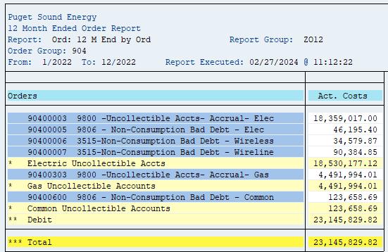
12ME December 2022
Orders/Accounts | Act. Costs
90400003 9800 -Uncollectible Accts- Accrual- Elec | 18,359,017.00
90400005 9806 - Non-Consumption Bad Debt - Elec | 46,195.40
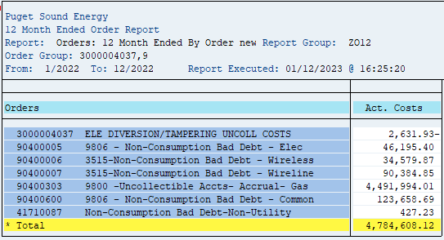
90400006 3515-Non-Consumption Bad Debt - Wireless | 34,579.87
90400007 3515-Non-Consumption Bad Debt - Wireline | 90,384.85
* Electric Uncollectible Accts | 18,530,177.12
90400303 9800 -Uncollectible Accts- Accrual- Gas | 4,491,994.01
* Gas Uncollectible Accounts | 4,491,994.01
90400600 9806 - Non-Consumption Bad Debt - Common | 123,658.69
* Common Uncollectible Accounts | 123,658.69
**Gas Direct Total | 4,491,994.01
904 Gas Portion of Common | 51,701.70
Total Direct and Common Gas | 4,543,695.71
Net write-off for 12ME December 2021
Gas Uncollectible Acc | 4,543,695.71
Plus change in 14400312 | (1,901,735.48)
Total Gas | $2,641,960

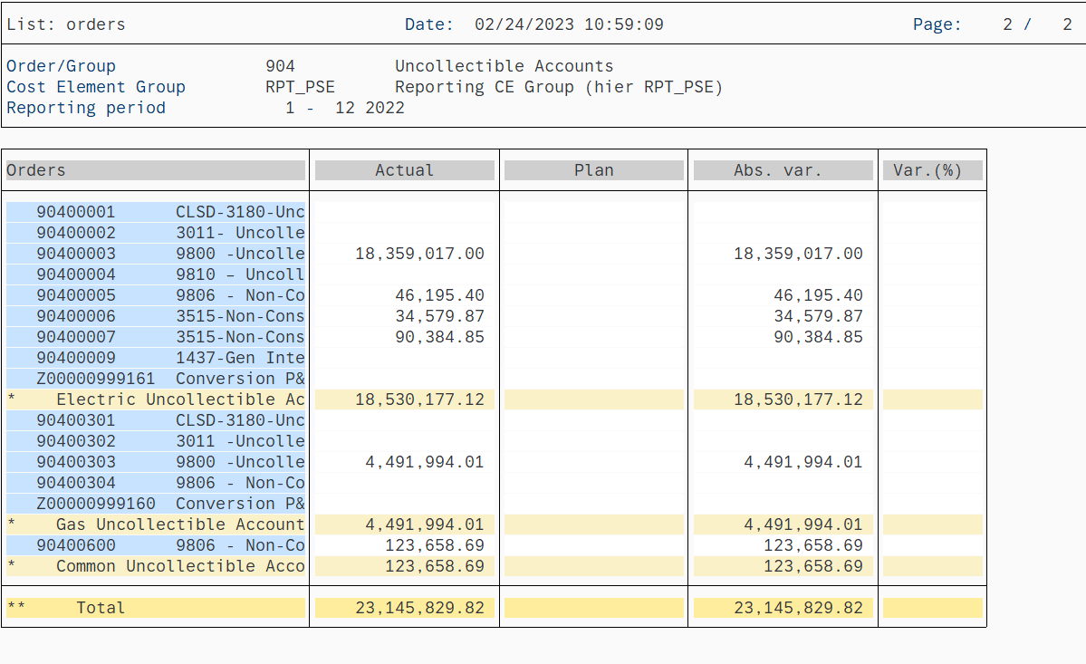
12ME December 2021
Orders/Accounts | Act. Costs
90400003 9800 -Uncollectible Accts- Accrual- Elec | 18,359,017.03
90400005 9806 - Non-Consumption Bad Debt - Elec | 425,286.42
90400006 3515-Non-Consumption Bad Debt - Wireless | -79,785.02
90400007 3515-Non-Consumption Bad Debt - Wireline | 3.68
* Electric Uncollectible Accts | 18,704,522.11
90400303 9800 -Uncollectible Accts- Accrual- Gas | 4,491,994.01
* Gas Uncollectible Accounts | 4,491,994.01
90400600 9806 - Non-Consumption Bad Debt - Common | 91,061.88
* Common Uncollectible Accounts | 91,061.88
**Gas Direct Total | 4,491,994.01
904 Gas Portion of Common | 38,082.08
Total Direct and Common Gas | 4,530,076.09
Net write-off for 12ME December 2021
Gas Uncollectible Acc | 4,530,076.09
Plus change in 14400312 | (2,219,602.48)
Total Gas | $2,310,474

12ME December 2020
Orders/Accounts | Act. Costs
90400003 9800 -Uncollectible Accts- Accrual- Elec | 17,782,265.43
90400005 9806 - Non-Consumption Bad Debt - Elec | 111,140.94
90400006 3515-Non-Consumption Bad Debt - Wireless | -99,758.22
90400007 3515-Non-Consumption Bad Debt - Wireline | -218,730.57
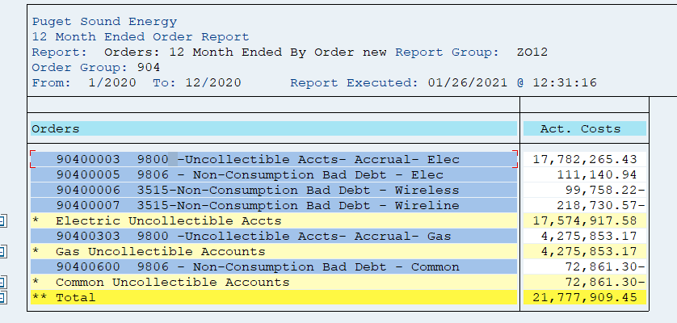
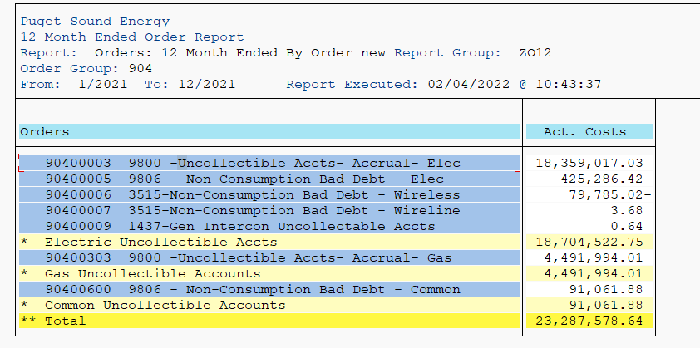
* Electric Uncollectible Accts | 17,574,917.58
90400303 9800 -Uncollectible Accts- Accrual- Gas | 4,275,853.17
* Gas Uncollectible Accounts | 4,275,853.17
90400600 9806 - Non-Consumption Bad Debt - Common | -72,861.00
* Common Uncollectible Accounts | -72,861.00
** Total | 21,777,910
904 Gas Direct Total | 4,275,853
904 Gas Portion of Common | (30,500)
Total Gas | 4,245,354
Net write-off for 12ME December 2020
Gas Uncollectible Acc | 4,245,354
Plus change in 14400312 | (1,960,414)
Total Gas | $2,284,940

12ME December 2019
Orders/Accounts | Act. Costs
90400003 9800 -Uncollectible Accts- Accrual- Elec | 14,126,110.67
90400004 9810 – Uncollectable Acct Write-off | 858.58
90400005 9806 - Non-Consumption Bad Debt - Elec | 37,586.00
90400006 3515-Non-Consumption Bad Debt - Wireless | 167,433.93
90400007 3515-Non-Consumption Bad Debt - Wireline | 173,111.28
* Electric Uncollectible Accts | 14,505,100.46
90400303 9800 -Uncollectible Accts- Accrual- Gas | 3,241,254.56
* Gas Uncollectible Accounts | 3,241,254.56
90400600 9806 - Non-Consumption Bad Debt - Common | 84,917.50
* Common Uncollectible Accounts | 84,917.50
** Total | 3,241,255
904 Gas Direct Total | 3,241,255
904 Gas Portion of Common | 56,343
Total Gas | 3,297,597
Net write-off for 12ME December 2019
Gas Uncollectible Acc | 3,297,597
Plus change in 14400312 | (497,756)
 | 2,799,841

(Note 1) Amounts are included to achieve a cash basis write-off for
rate-making purposes. The balance sheet accounts are credited when
the monthly estimated accrual is made (dr. I/S and cr. B/S), and the
accounts are debited when customer accounts are written off (dr. B/S
and cr. B/S). A negative means growth in the APUA which is a natural
credit balance account. When the balance grows, the estimated
accruals are in excess of the write-offs and the income statement
debits for the estimated accrual were too high for the period.
Therefore, the balance sheet growth is used to reduce the excess
accrual on the income statement. A positive means a reduction in the
APUA credit balance sheet account. Additionally, it means the
income statement debits for the estimated accrual were too low for
the period. Therefore, the balance sheet reduction is used to
increase the inadequate accrual on the income statement.

BS Acct-Gas
Gas Reserve for Uncollectible Accounts
SAP 14400032 and 14400312

* In March 2013 balances in account 14400032 Gas APUA were transferred to 14400312 Gas APUA to accommodate
the conversion from CLX to CIS. For purposes of this adjustment, March 2013 balances of 14400032 and 14400312
have been combined.
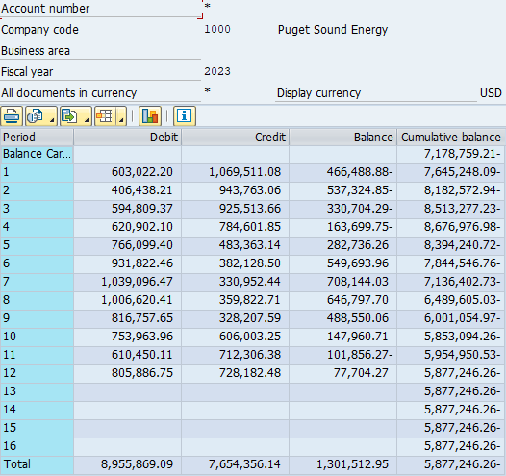
 |  |  |  | e =
a | b | c | d = b - c | prior e + d
Period | Debit | Credit | Net Change | Cum. balance
Beginning Balance |  |  |  | -7,178,759.21
2023-01-31 | 603,022.20 | 1,069,511.08 | -466,488.88 | -7,645,248.09
2023-02-28 | 406,438.21 | 943,763.06 | -537,324.85 | -8,182,572.94
2023-03-31 | 594,809.37 | 925,513.66 | -330,704.29 | -8,513,277.23
2023-04-30 | 620,902.10 | 784,601.85 | -163,699.75 | -8,676,976.98
2023-05-31 | 766,099.40 | 483,363.14 | 282,736.26 | -8,394,240.72
2023-06-30 | 931,822.46 | 382,128.50 | 549,693.96 | -7,844,546.76
2023-07-31 | 1,039,096.47 | 330,952.44 | 708,144.03 | -7,136,402.73
2023-08-31 | 1,006,620.41 | 359,822.71 | 646,797.70 | -6,489,605.03
2023-09-30 | 816,757.65 | 328,207.59 | 488,550.06 | -6,001,054.97
2023-10-31 | 753,963.96 | 606,003.25 | 147,960.71 | -5,853,094.26
2023-11-30 | 610,450.11 | 712,306.38 | -101,856.27 | -5,954,950.53
2023-12-31 | 805,886.75 | 728,182.48 | 77,704.27 | -5,877,246.26

 |  | sum of net changes ==> | 1,301,512.95

 | Ending Balance minus Beginning Balance ====> |  |  | 1,301,512.95
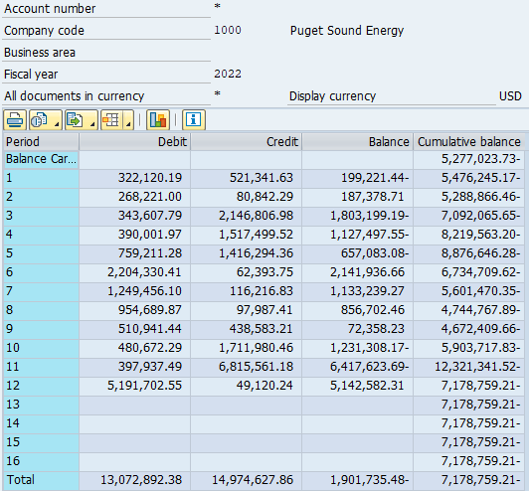
Beginning Balance |  |  |  | -5,277,023.73
2022-01-31 | 322,120.19 | 521,341.63 | -199,221.44 | -5,476,245.17
2022-02-28 | 268,221.00 | 80,842.29 | 187,378.71 | -5,288,866.46
2022-03-31 | 343,607.79 | 2,146,806.98 | -1,803,199.19 | -7,092,065.65
2022-04-30 | 390,001.97 | 1,517,499.52 | -1,127,497.55 | -8,219,563.20
2022-05-31 | 759,211.28 | 1,416,294.36 | -657,083.08 | -8,876,646.28
2022-06-30 | 2,204,330.41 | 62,393.75 | 2,141,936.66 | -6,734,709.62
2022-07-31 | 1,249,456.10 | 116,216.83 | 1,133,239.27 | -5,601,470.35
2022-08-31 | 954,689.87 | 97,987.41 | 856,702.46 | -4,744,767.89
2022-09-30 | 510,941.44 | 438,583.21 | 72,358.23 | -4,672,409.66
2022-10-31 | 480,672.29 | 1,711,980.46 | -1,231,308.17 | -5,903,717.83
2022-11-30 | 397,937.49 | 6,815,561.18 | -6,417,623.69 | -12,321,341.52
2022-12-31 | 5,191,702.55 | 49,120.24 | 5,142,582.31 | -7,178,759.21

 |  | sum of net changes ==> | (1,901,735.48)

 | Ending Balance minus Beginning Balance ====> |  |  | (1,901,735.48)

Beginning Balance |  |  |  | -3,057,421.25
2021-01-31 | 230,947.67 | 841,603.37 | -610,655.70 | -3,668,076.95
2021-02-28 | 189,232.47 | 841,977.18 | -652,744.71 | -4,320,821.66
2021-03-31 | 506,227.21 | 849,021.16 | -342,793.95 | -4,663,615.61
2021-04-30 | 274,872.74 | 599,231.07 | -324,358.33 | -4,987,973.94
2021-05-31 | 269,285.34 | 464,834.60 | -195,549.26 | -5,183,523.20
2021-06-30 | 303,529.73 | 356,330.64 | -52,800.91 | -5,236,324.11
2021-07-31 | 317,233.36 | 317,360.61 | -127.25 | -5,236,451.36
2021-08-31 | 311,958.72 | 303,661.06 | 8,297.66 | -5,228,153.70
2021-09-30 | 245,959.36 | 398,443.79 | -152,484.43 | -5,380,638.13
2021-10-31 | 313,695.57 | 639,811.70 | -326,116.13 | -5,706,754.26
2021-11-30 | 225,171.37 | 867,506.57 | -642,335.20 | -6,349,089.46
2021-12-31 | 2,304,798.93 | 1,232,733.20 | 1,072,065.73 | -5,277,023.73

 |  | sum of net changes ==> | (2,219,602.48)

 | Ending Balance minus Beginning Balance ====> |  |  | (2,219,602.48)

Beginning Balance |  |  |  | -1,097,007.45
2020-01-31 | 1,006,426.59 | 1,145,843.69 | -139,417.10 | -1,236,424.55
2020-02-28 | 756,461.26 | 760,161.01 | -3,699.75 | -1,240,124.30
2020-03-30 | 807,133.15 | 969,355.91 | -162,222.76 | -1,402,347.06
2020-04-29 | 934,206.80 | 1,037,026.53 | -102,819.73 | -1,505,166.79
2020-05-30 | 863,726.37 | 1,069,585.40 | -205,859.03 | -1,711,025.82
2020-06-29 | 852,904.13 | 837,200.66 | 15,703.47 | -1,695,322.35
2020-07-30 | 812,422.83 | 827,452.68 | -15,029.85 | -1,710,352.20
2020-08-30 | 763,286.81 | 822,229.16 | -58,942.35 | -1,769,294.55
2020-09-29 | 712,235.96 | 748,474.15 | -36,238.19 | -1,805,532.74
2020-10-30 | 522,130.53 | 661,993.08 | -139,862.55 | -1,945,395.29
2020-11-29 | 143,443.20 | 658,475.82 | -515,032.62 | -2,460,427.91
2020-12-30 | 183,147.99 | 780,141.33 | -596,993.34 | -3,057,421.25

 |  | sum of net changes ==> | (1,960,413.80)

 | Ending Balance minus Beginning Balance ====> |  |  | (1,960,413.80)

Beginning Balance |  |  |  | -599,251.47
2019-01-31 | 304,256.55 | 199,553.15 | 104,703.40 | -494,548.07
2019-02-28 | 227,824.02 | 868,206.05 | -640,382.03 | -1,134,930.10
2019-03-31 | 226,753.28 | 265,693.97 | -38,940.69 | -1,173,870.79
2019-04-30 | 663,927.48 | 684,710.13 | -20,782.65 | -1,194,653.44
2019-05-31 | 953,391.34 | 1,239,288.68 | -285,897.34 | -1,480,550.78
2019-06-30 | 1,047,487.28 | 1,046,367.46 | 1,119.82 | -1,479,430.96
2019-07-31 | 1,068,042.61 | 686,593.35 | 381,449.26 | -1,097,981.70
2019-08-31 | 1,002,783.96 | 819,047.39 | 183,736.57 | -914,245.13
2019-09-30 | 948,585.39 | 921,177.27 | 27,408.12 | -886,837.01
2019-10-31 | 934,922.79 | 993,855.33 | -58,932.54 | -945,769.55
2019-11-30 | 792,423.33 | 938,965.54 | -146,542.21 | -1,092,311.76
2019-12-31 | 883,861.26 | 888,556.95 | -4,695.69 | -1,097,007.45

 |  | sum of net changes ==> | (497,755.98)

 | Ending Balance minus Beginning Balance ====> |  |  | (497,755.98)

Beginning Balance |  |  |  | -1,039,730.28
2018-01-31 | 1,137,197.29 | 1,243,110.99 | -105,913.70 | -1,145,643.98
2018-02-28 | 716,073.58 | 751,877.51 | -35,803.93 | -1,181,447.91
2018-03-31 | 410,711.22 | 462,480.40 | -51,769.18 | -1,233,217.09
2018-04-30 | 379,937.64 | 411,557.66 | -31,620.02 | -1,264,837.11
2018-05-31 | 380,090.57 | 345,638.05 | 34,452.52 | -1,230,384.59
2018-06-30 | 432,055.63 | 394,024.44 | 38,031.19 | -1,192,353.40
2018-07-31 | 587,762.09 | 405,426.33 | 182,335.76 | -1,010,017.64
2018-08-31 | 594,955.23 | 455,068.58 | 139,886.65 | -870,130.99
2018-09-30 | 1,240,486.35 | 869,573.32 | 370,913.03 | -499,217.96
2018-10-31 | 295,535.79 | 404,625.08 | -109,089.29 | -608,307.25
2018-11-30 | 388,810.69 | 375,640.63 | 13,170.06 | -595,137.19
2018-12-31 | 264,359.45 | 268,473.73 | -4,114.28 | -599,251.47

 |  | sum of net changes ==> | 440,478.81

 | Ending Balance minus Beginning Balance ====> |  |  | 440,478.81

2020 AllocFactrs
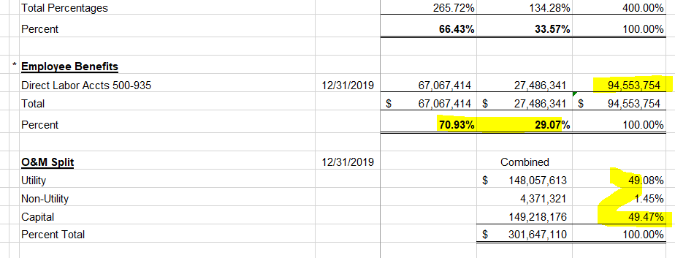
PUGET SOUND ENERGY-ELECTRIC & GAS
FOR THE TWELVE MONTHS ENDED DECEMBER 31, 2020
ALLOCATION METHODS

Method |  | Description |  | Electric | Gas | Total

1 | * | 12 Month Average Number of Customers | 2020-12-31 | 1,181,577 | 850,720 | 2,032,297
 |  | Percent |  | 58.14% | 41.86% | 100.00%

2 | * | Joint Meter Reading Customers | 2020-12-31 | 813,535 | 486,000 | 1,299,535
 |  | Percent |  | 62.60% | 37.40% | 100.00%

3 | * | Non-Production Plant
 |  | Distribution | 2020-12-31 | 4,405,569,600 | 4,221,953,175 | $8,627,522,775
 |  | Transmission | 2020-12-31 | 1,641,489,956 | - | 1,641,489,956
 |  | Direct General Plant | 2020-12-31 | 238,218,585 | 42,710,271 | 280,928,856
 |  | Total |  | $6,285,278,141 | $4,264,663,446 | $10,549,941,587
 |  | Percent |  | 59.58% | 40.42% | 100.00%

4 | * | 4-Factor Allocator
 |  | Number of Customers | 2020-12-31 | 1,181,577 | 850,720 | 2,032,297
 |  | Percent |  | 58.14% | 41.86% | 100.00%

 |  | Labor - Direct Charge to O&M | 2020-12-31 | 59,768,672 | 26,253,909 | $86,022,580
 |  | Percent |  | 69.48% | 30.52% | 100.00%

 |  | T&D O&M Expense (Less Labor) | 2020-12-31 | 75,670,569 | 34,119,707 | $109,790,276
 |  | Percent |  | 68.92% | 31.08% | 100.00%

 |  | Net Classified Plant (Excluding General (Common) Plant) | 2020-12-31 | 5,608,994,658 | 2,583,606,245 | 8,192,600,903
 |  | Percent |  | 68.46% | 31.54% | 100.00%

 |  | Total Percentages |  | 265.01% | 134.99% | 400.00%
 |  | Percent |  | 66.25% | 33.75% | 100.00%

5 | * | Employee Benefits
 |  | Direct Labor Accts 500-935 | 2020-12-31 | 67,067,414 | 27,486,341 | 94,553,754 | `
 |  | Total |  | $67,067,414 | $27,486,341 | $94,553,754
 |  | Percent |  | 70.93% | 29.07% | 100.00%

6 |  | O&M Split | 2020-12-31 |  | Combined
 |  | Utility |  |  | 148,057,613 | 49.08%
 |  | Non-Utility |  |  | 4,371,321 | 1.45%
 |  | Capital |  |  | 149,218,176 | 49.47%
 |  | Percent Total |  |  | $301,647,110 | 100.00%

