Summary
Background
Rate Schedules 007/008 and 017/018 were designed to be revenue neutral using the characteristics of Schedules 01/02 and 11/12, respectively, based on base rates in effect as of 12/21/2022, normalized loads in the rate spread and rate design model submitted with the compliance filing in UE-220053, and the loads from the most recent load study for the 12-months ended September 30, 2021.
TOU Rate Calculation workbook –
Off Peak Rate Calc – We utilized the Company’s most recent electric cost of service study submitted in the current general rate case (UE-220053). This COS study was utilized as it was prepared using the results of the Company’s most recent demand study for the year ended 9/30/2021 and it was updated for the final approved revenue requirement allowed in that case. For the off-peak rate, we set the rate equal to the embedded cost study results at present rates for transmission, distribution, and production less the proposed retail revenue credit to recognize the cost of power embedded in the production rate.
The “TOU X Rate Calc” tabs contain the calculations of the rates based on the seasons and peak/non-peak hours with the “Sch 01 Load – TOU X” and “Sch 11 Load – TOU X” tabs. The “Run Design” button contain macros that are used to accomplish revenue neutral rates based on the proposed seasons and peak/non-peak hours and desired ratio of on vs. off peak (input right above the button) for each pricing scenario by goal seeking the “Off-Peak” rate so that total revenue by season agrees to the calculate revenue by season under current rates.
This summary tab includes the base rates in effect as of 12/21/2022 (total base revenue reduced for base revenue collected through Schedule 99 related to Colstrip) and pulls the proposed base rates from the various scenario tabs.
 | Residential |  |  |  |  |  | Non-Residential
 |  |  |  | Current | TOU - A | TOU - B |  |  |  | Current | TOU - A | TOU - B
 |  |  |  | Sch 01/02 | Sch 007 | Sch 008 |  |  |  | Sch 11/12 | Sch 017 | Sch 018
 |  | First 800 kWh | $/kWh | $0.08832 |  |  |  | First 3650 kWh | $/kWh | 0.12056
 |  | 801 - 1500 kWh | $/kWh | $0.10381 |  |  |  | 3651 + kWh | $/kWh | 0.08773
 |  | 1501 kWh + | $/kWh | $0.12286 |  |  |  | Basic Charge | $/mo. | $21.00 | $21.00 | $21.00
 |  | Basic Charge | $/mo. | $9.00 | $9.00 | $9.00 |  | Demand (above 20kW) | $/kW | $7.50 | $0.00 | $0.00

 |  | Winter |  |  |  |  |  | Winter
 |  | On-Peak | $/kWh |  | $0.22408 | $0.18310 |  | On-Peak | $/kWh |  | $0.23021 | $0.19327
 |  | Off-Peak | $/kWh |  | $0.06586 | $0.06586 |  | Off-Peak | $/kWh |  | $0.09165 | $0.09165
 |  | On-Peak to Off-Peak Ratio |  |  | 3.4 | 2.8 |  | On-Peak to Off-Peak Ratio |  |  | 2.5 | 2.1

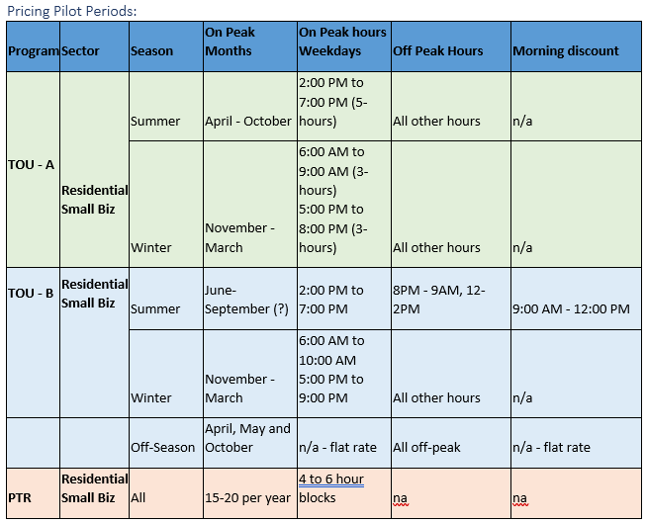
 |  | Summer |  |  |  |  |  | Summer
 |  | On-Peak | $/kWh |  | $0.22691 | $0.23039 |  | On-Peak | $/kWh |  | $0.23688 | $0.25420
 |  | Off-Peak | $/kWh |  | $0.06586 | $0.06586 |  | Off-Peak | $/kWh |  | $0.09165 | $0.09165
 |  | Morning Discount | $/kWh |  | n/a | $0.04391 |  | Morning Discount | $/kWh |  | n/a | $0.06110
 |  | On-Peak to Off-Peak Ratio |  |  | 3.4 | 3.5 |  | On-Peak to Off-Peak Ratio |  |  | 2.6 | 2.8
 |  | Morning Discount to Off-Peak Ratio |  |  | n/a | 0.7 |  | Morning Discount to Off-Peak Ratio |  |  | n/a | 0.7

 |  |  | Current Blended Rate: | 0.10528044759 |  |  |  |  | Current Blended Rate: | 0.12039994522
*Blended rate is the total annual normalized revenue by rate schedule (incuding basic/demand charges) divided by annual normalized kwh

Off-Peak Rate Calc
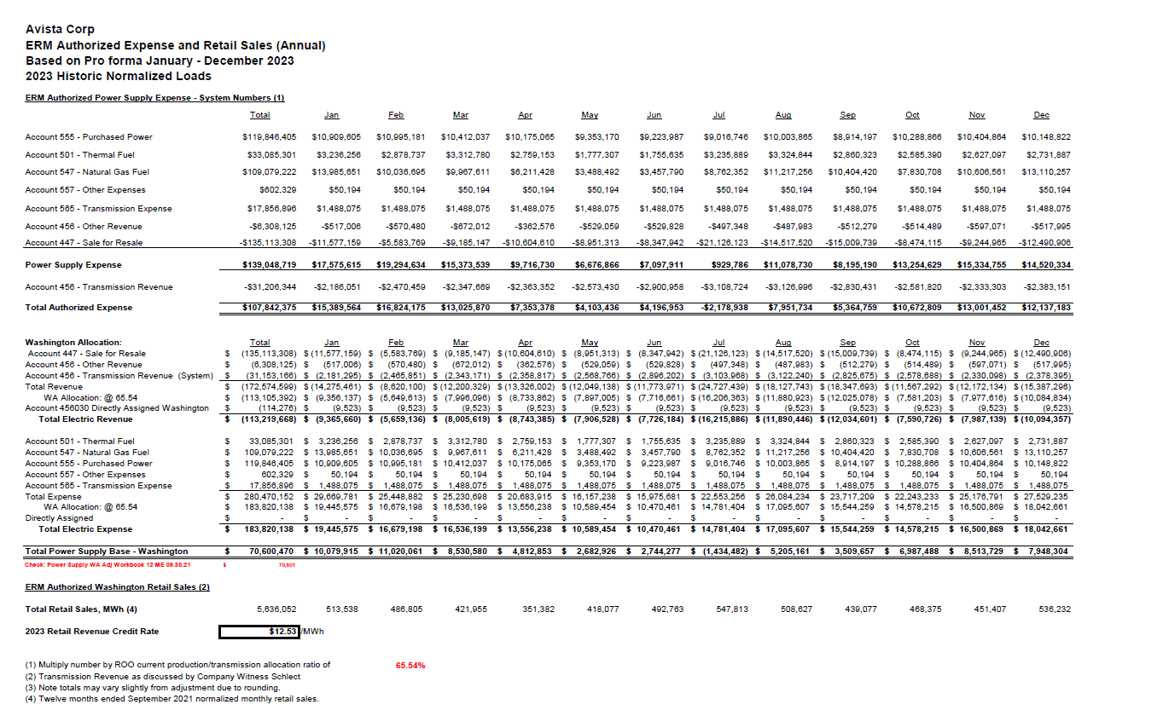

865 | SUMMARY BY FUNCTION ANALYSIS
866
867 |  | Total | Sch 1-2 | Sch 11-12 | Sch 21-22 | Sch 25 | Sch 30-32 | Sch 41-48 | Sch 25I | Open1 | Open2 | Open3
903 | Functional Cost Components at Approved Return by Schedule
904 | Production* | 208,204,395 | 84,277,806 | 26,081,301 | 53,721,167 | 22,295,809 | 5,231,806 | 44,437 | 16,552,070 | 0 | 0 | 0 | 1115
905 | Transmission | 61,774,219 | 22,979,170 | 9,054,540 | 18,115,715 | 6,363,390 | 1,511,520 | 6,461 | 3,743,423 | 0 | 0 | 0 | 1122
906 | Distribution | 177,871,371 | 90,109,097 | 31,364,629 | 39,037,611 | 6,218,146 | 5,505,450 | 5,554,788 | 81,650 | 0 | 0 | 0 | 1129
907 | Common | 116,948,015 | 65,780,927 | 16,284,530 | 22,231,507 | 6,646,656 | 2,887,224 | 1,559,314 | 1,557,857 | 0 | 0 | 0 | 1136
908 | Total Approved Rate Revenue | 564,798,001 | 263,147,000 | 82,785,000 | 133,106,000 | 41,524,000 | 15,136,000 | 7,165,000 | 21,935,000 | 0 | 0 | 0 | 904:907
909
910
911
912 | Expressed as $/kWh
913 | Production | $0.03694 | $0.03372 | $0.04109 | $0.04131 | $0.03971 | $0.03204 | $0.00262 | $0.03600 | $0.00000 | $0.00000 | $0.00000 | (904-909)/942
914 | Transmission | $0.01096 | $0.00919 | $0.01426 | $0.01393 | $0.01133 | $0.00926 | $0.00038 | $0.00814 | $0.00000 | $0.00000 | $0.00000 | 905/942
915 | Distribution | $0.03156 | $0.03605 | $0.04941 | $0.03002 | $0.01107 | $0.03372 | $0.32714 | $0.00018 | $0.00000 | $0.00000 | $0.00000 | 906/942
916 | Common | $0.02075 | $0.02632 | $0.02565 | $0.01710 | $0.01184 | $0.01768 | $0.09183 | $0.00339 | $0.00000 | $0.00000 | $0.00000 | 907/942
917 | Total Approved Melded Rates | $0.10021 | $0.10528 | $0.13041 | $0.10236 | $0.07395 | $0.09270 | $0.42197 | $0.04771 | $0.00000 | $0.00000 | $0.00000 | 908/942

 | *Note: Production revenue was decreased by the base revenue associated with Colstrip collected through rider Schedule 99

 | Retail Revene Credit Rate | $0.01253
 | Conversion Factor | 1.045950
 | Gross RRC Rate | $0.01311

 |  |  | Sch 1-2 | Sch 11-12
 |  | Transmission | $0.00919 | $0.01426
 |  | Distribution | $0.03605 | $0.04941
 |  | Production | $0.03372 | $0.04109
 |  | Less RRC | -$0.01311 | -$0.01311
 |  | Off-Peak Rate | $0.06586 | $0.09165

TOU A Rate Calc
AVISTA
WA TOU A Rate Calc - Schedules 07/017

 | UE-220053 | Base Rates Effective 12/21/2022 |  |  | Proposed
 | Test Yr. Load | Price | Dollars |  | Price | Dollars
CURRENT SCHEDULE 01/02 |  |  |  |  | SCHEDULE 04
Residential

Number of Customer Bills * Basic Charge | 2,681,552 | $9.00 | $24,133,968 |  | $9.00 | $24,133,968

Base Rate Energy Charges
1st 900 kWh | 1,681,933,041 | $0.08832 | $148,548,326
801-1500 kWh | 523,800,195 | $0.10381 | $54,375,698
All additional kWh | 293,670,157 | $0.12286 | $36,080,315
 | 2,499,403,393 |  | $239,004,340
Energy
Winter (Nov - Mar)
On-Peak | 227,103,377 | N/A | N/A | 18.81% | $0.22408 | $50,889,153
Off-Peak (Inc. Weekends/Holidays) | 980,108,462 | N/A | N/A | 81.19% | $0.06586 | $64,549,943

Summer (Apr - Oct)
On-Peak | 238,812,887 | N/A | N/A | 18.48% | $0.22691 | $54,189,725
Off-Peak (Inc. Weekends/Holidays) | 1,053,378,667 | N/A | N/A | 81.52% | $0.06586 | $69,375,519

Base Revenue |  | Winter | $125,494,916 |  |  | $125,494,916 | 0 | Check total revenue by season (used in macro to goal seek on-peak rate)
 |  | Summer | $137,643,392 |  |  | $137,643,392 | 0 | Check total revenue by season (used in macro to goal seek on-peak rate)
Total Annual Base Revenue |  |  | $263,138,308 |  |  | $263,138,308

CURRENT SCHEDULE 11/12/13 |  |  |  |  | SCHEDULE 14
Small General Service

Number of Customer Bills * Basic Charge | 403,355 | $21.00 | $8,470,455 |  | $21.00 | $8,470,455

All kW >20 | 555,537 | $7.50 | $4,166,528

Base Rate Energy Charges
1st 3.650 kWh | 440,321,038 | $0.12056 | $53,085,104
All additional kWh | 194,482,389 | $0.08773 | $17,061,940
 | 634,803,427 |  | $82,784,027
Energy
Winter (Nov - Mar)
On-Peak | 51,235,160 | N/A | N/A | 18.34% | $0.23021 | $11,794,591
Off-Peak | 228,078,348 | N/A | N/A | 81.66% | $0.09165 | $20,903,381

Summer (Apr - Oct)
On-Peak | 62,212,964 | N/A | N/A | 17.50% | $0.23688 | $14,736,767
Off-Peak | 293,276,955 | N/A | N/A | 82.50% | $0.09165 | $26,878,833

Excess Kvar | - | $0.50 | $0 |  | $0.50 | $0

Base Revenue |  | Winter | $36,227,328 |  |  | $36,227,328 | 0 | Check total revenue by season (used in macro to goal seek on-peak rate)
 |  | Summer | $46,556,699 |  |  | $46,556,699 | 0 | Check total revenue by season (used in macro to goal seek on-peak rate)
Total Annual Base Revenue |  |  | $82,784,027 |  |  | $82,784,027

Source UE-220053

 |  |  | Residential Ratio On vs Off
 |  | Winter | 3.4
 |  | Summer | 3.4

 |  |  | Non-Residential Ratio On vs Off
 |  | Winter | 2.5
 |  | Summer | 2.6

Run Design

 |  | Input for basic charge calc above
 |  | Jan | Winter
 |  | Feb | Winter
 |  | Mar | Winter
 |  | Apr | Summer
 |  | May | Summer
 |  | Jun | Summer
 |  | Jul | Summer
 |  | Aug | Summer
 |  | Sep | Summer
 |  | Oct | Summer
 |  | Nov | Winter
 |  | Dec | Winter

TOU B Rate Calc
AVISTA
WA TOU B Rate Calc - Schedules 08/18

 | UE-220053 | Base Rates Effective 12/21/2022 |  |  | Proposed
 | Test Yr. Load | Price | Dollars |  | Price | Dollars
CURRENT SCHEDULE 01/02 |  |  |  |  | SCHEDULE 05
Residential

Number of Customer Bills * Basic Charge | 2,681,552 | $9.00 | $24,133,968 |  | $9.00 | $24,133,968

Base Rate Energy Charges
1st 900 kWh | 1,681,933,041 | $0.08832 | $148,548,326
801-1500 kWh | 523,800,195 | $0.10381 | $54,375,698
All additional kWh | 293,670,157 | $0.12286 | $36,080,315
 | 2,499,403,393 |  | $239,004,340
Energy
Winter (Oct - Apr)
On-Peak | 395,966,423 | N/A | N/A | 25.39% | $0.18310 | $72,499,975
Off-Peak (Inc. Weekends/Holidays) | 1,163,661,294 | N/A | N/A | 74.61% | $0.06586 | $76,638,733
Morning

Summer (May - Sep)
On-Peak | 180,959,329 | N/A | N/A | 19.26% | $0.23039 | $41,691,762
Off-Peak (Inc. Weekends/Holidays) | 676,743,381 | N/A | N/A | 72.01% | $0.06586 | $44,570,319
Morning | 82,072,966 | N/A | N/A | 8.73% | $0.04391 | $3,603,550

Base Revenue |  | Winter | $163,216,856 |  |  | $163,216,856 | 0 | Check total revenue by season (used in macro to goal seek on-peak rate)
 |  | Summer | $99,921,452 |  |  | $99,921,452 | 0 | Check total revenue by season (used in macro to goal seek on-peak rate)
Total Annual Base Revenue |  |  | $263,138,308 |  |  | $263,138,308

CURRENT SCHEDULE 11/12/13 |  |  |  |  | SCHEDULE 15
Small General Service

Number of Customer Bills * Basic Charge | 403,355 | $21.00 | $8,470,455 |  | $21.00 | $8,470,455

All kW >20 | 555,537 | $7.50 | $4,166,528

Base Rate Energy Charges
1st 3.650 kWh | 440,321,038 | $0.12056 | $53,085,104
All additional kWh | 194,482,389 | $0.08773 | $17,061,940
 | 634,803,427
Energy
Winter (Oct - Apr)
On-Peak | 93,512,545 | N/A | N/A | 25.01% | $0.19327 | $18,073,255
Off-Peak | 280,386,673 | N/A | N/A | 74.99% | $0.09165 | $25,697,439

Summer (May - Sep)
On-Peak | 46,653,780 | N/A | N/A | 17.88% | $0.25420 | $11,859,444
Off-Peak | 183,068,164 | N/A | N/A | 70.17% | $0.09165 | $16,778,197
Morning | 31,182,265 | N/A | N/A | 11.95% | $0.06110 | $1,905,236

Excess Kvar | - | $0.50 | $0 |  | $0.50 | $0

Base Revenue |  | Winter | $48,711,793 |  |  | $48,711,793 | 0 | Check total revenue by season (used in macro to goal seek on-peak rate)
 |  | Summer | $34,072,234 |  |  | $34,072,234 | 0 | Check total revenue by season (used in macro to goal seek on-peak rate)
Total Annual Base Revenue |  |  | $82,784,027 |  |  | $82,784,027

Source UE-220053

 |  |  | Residential Ratio On vs Off
 |  | Winter | 2.78
 |  | Summer | 3.50
 |  | Morning Discount (Summer only) | 0.67

 |  |  | Non-Residential Ratio On vs Off
 |  | Winter | 2.11
 |  | Summer | 2.77
 |  | Morning Discount (Summer only) | 0.67

Run Design

 |  | Input for basic charge calc above
 |  | Jan | Winter
 |  | Feb | Winter
 |  | Mar | Winter
 |  | Apr | Winter
 |  | May | Summer
 |  | Jun | Summer
 |  | Jul | Summer
 |  | Aug | Summer
 |  | Sep | Summer
 |  | Oct | Winter
 |  | Nov | Winter
 |  | Dec | Winter

