DSM Adjustment
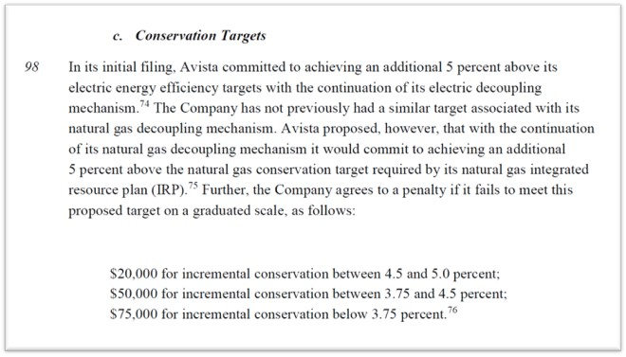
 | Actual | IRP Target | Target+5%
Therm Savings | 770,483 | 781,459 | 820,532
Shortage |  | 11,012 | 50,085
Percent of Target |  | 99% | 94%

IRP Target | Decoupling Thresholds (Therms) |  |  | Adjustment
 |  | From | To
781,459 | <3.75% | - | 810,764 | $75,000
781,459 | 3.75%-4.5% | 810,764 | 816,624 | $50,000
781,459 | 4.50-5.0% | 816,625 | 820,532 | $20,000

With the IRP target of 781,459 which is below the threshhold of 810,764, there has been an adjustment of $75,000 made as shown in the "Earnings Test and 3% Test" tab

Order 09 in Docket UG-190335

