Earnings Sharing
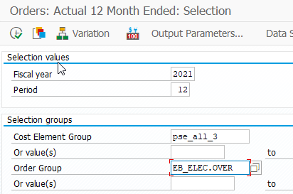

OverEarnings

TGrants
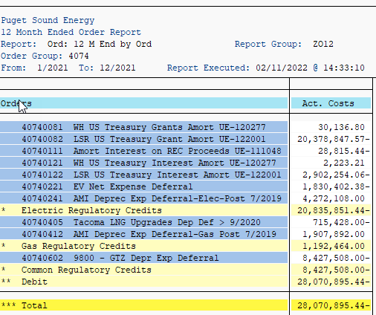
ZRW_ZO12
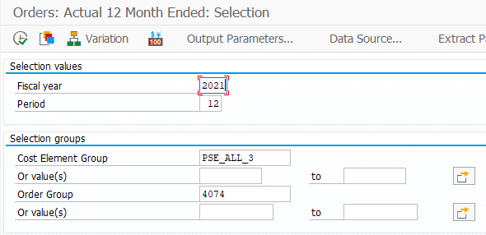

Orders | Act. Costs
40740081 WH US Treasury Grants Amort UE-120277 | 30,137
40740082 LSR US Treasury Grant Amort UE-122001 | (20,378,848)
40740111 Amort Interest on REC Proceeds UE-111048 | 28,815.44-
40740121 WH US Treasury Interest Amort UE-120277 | 2,223
40740122 LSR US Treasury Interest Amort UE-122001 | (2,902,254) | (23,248,742)
40740221 EV Net Expense Deferral | 1,830,402.38-
40740241 AMI Deprec Exp Deferral-Elec-Post 7/2019 | 4,272,108.00
* Electric Regulatory Credits | 20,835,851.44-
40740405 Tacoma LNG Upgrades Dep Def > 9/2020 | 715,428.00-
40740412 AMI Deprec Exp Deferral-Gas Post 7/2019 | 1,907,892.00
* Gas Regulatory Credits | 1,192,464.00
40740602 9800 - GTZ Depr Exp Deferral | 8,427,508.00-
* Common Regulatory Credits | 8,427,508.00-
** Debit | 28,070,895.44-
*** Total | 28,070,895.44-

PTC
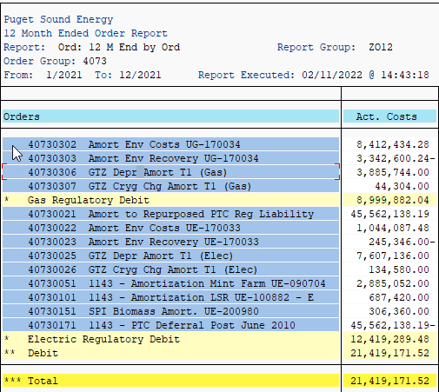
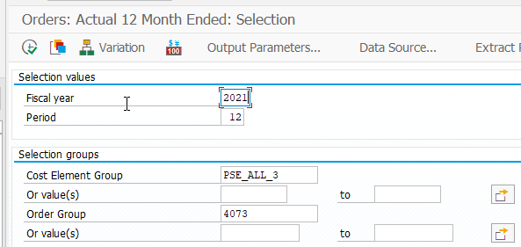

Orders | Act. Costs
40730302 Amort Env Costs UG-170034 | 8,412,434.28
40730303 Amort Env Recovery UG-170034 | 3,342,600.24-
40730306 GTZ Depr Amort T1 (Gas) | 3,885,744.00
40730307 GTZ Cryg Chg Amort T1 (Gas) | 44,304.00
* Gas Regulatory Debit | 8,999,882.04
40730021 Amort to Repurposed PTC Reg Liability | 45,562,138.19
40730022 Amort Env Costs UE-170033 | 1,044,087.48
40730023 Amort Env Recovery UE-170033 | 245,346.00-
40730025 GTZ Depr Amort T1 (Elec) | 7,607,136.00
40730026 GTZ Cryg Chg Amort T1 (Elec) | 134,580.00
40730051 1143 - Amortization Mint Farm UE-090704 | 2,885,052.00
40730101 1143 - Amortization LSR UE-100882 - E | 687,420.00
40730151 SPI Biomass Amort. UE-200980 | 306,360.00
40730171 1143 - PTC Deferral Post June 2010 | 45,562,138.19-
* Electric Regulatory Debit | 12,419,289.48
** Debit | 21,419,171.52
*** Total | 21,419,171.52

 | -

PLR UnProtected EDIT 141Z
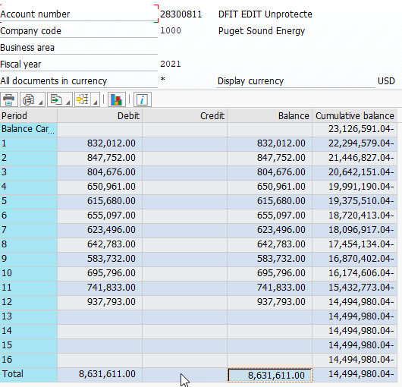
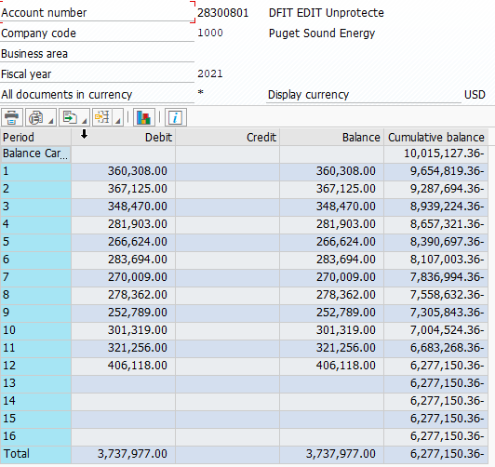
 | 2021 |  |  |  | 28300801 | 3,737,977
 |  | revenue from SOE | cf | tax rate | 28300811 | 8,631,611
SCH. 141Z (Unprotected EDIT) in above | (16,462,474) | (16,462,474) | 0.9511150 | 0.79 | 0.75138085 | (12,369,588)
 |  |  |  |  | chk | 0

Order 41110001 | 12,369,588

activity is debit to revenue, credit to tax expense
reverse with credit (increase) to revenue, debit to tax expense (increase)

PLR 141X 2020
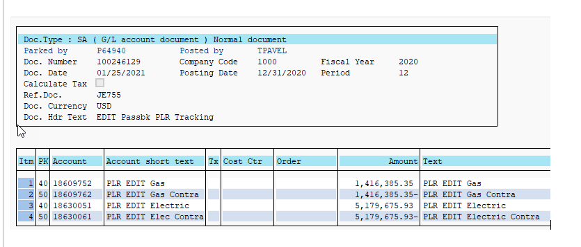
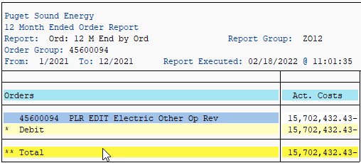

 |  | includes 2020 Revenues

ELECTRIC
5,179,676 | 2020 Revenues recognized in 2021 to be removed

