TGrant
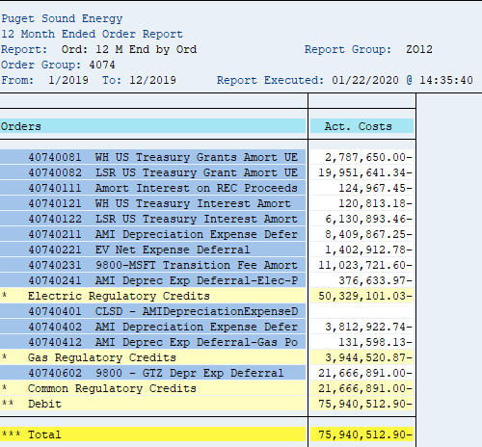
Puget Sound Energy
12 Month Ended Order Report
Report: Ord: 12 M End by Ord Report Group: ZO12
Order Group: 4074
From: 1/2019 To: 12/2019 Report Executed: 01/22/2020 @ 14:35:40

Orders | Act. Costs
40740081 WH US Treasury Grants Amort UE | -2,787,650.00
40740082 LSR US Treasury Grant Amort UE | -19,951,641.34
40740121 WH US Treasury Interest Amort | -120,813.18
40740122 LSR US Treasury Interest Amort | -6,130,893.46
Total | (28,990,997.98)

PTC
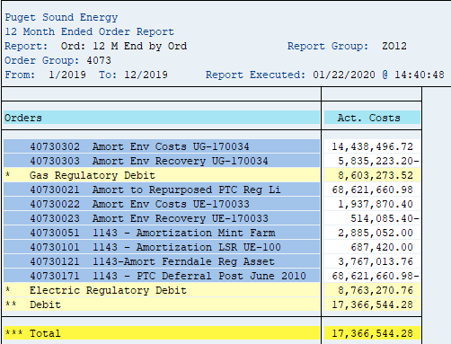
Puget Sound Energy
12 Month Ended Order Report
Report: Ord: 12 M End by Ord Report Group: ZO12
Order Group: 4073
From: 1/2019 To: 12/2019 Report Executed: 01/22/2020 @ 14:40:48

Orders | Act. Costs
40730021 Amort to Repurposed PTC Reg Liability | 68,621,660.98
40730071 CLSD - 1143-PTC Deferral Post June 2010 | -
40730171 1143 - PTC Deferral Post June 2010 | (68,621,660.98)
Total | -

