191 Accounts
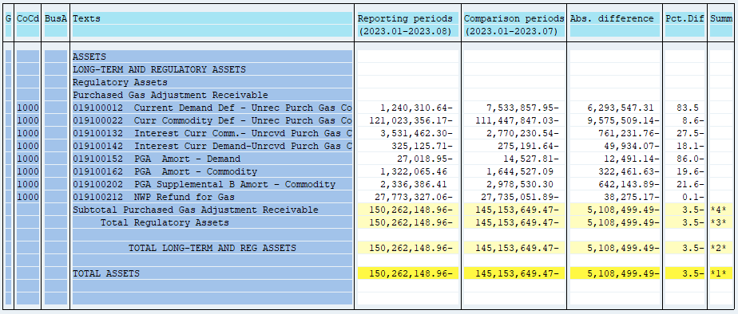
PUGET SOUND ENERGY
PGA 191 Account Balances
August
2023

 |  | Acct No. | Aug-23

Surcharge/Refund Amortization Accounts:
PGA Refund/Surcharge Amortization (Demand) |  | 19100152
 | Beginning |  | $(14,527.81)
 | Transfer Deferral Amounts to Surcharge/Refund Account
 | Surcharge/Refund Amortization |  | (6,822.00)
 | Migration Credit |  | 2,990.44
 | Interest |  | (8,659.58)
 | Total Month |  | (12,491.14)
 | Ending |  | $(27,018.95)

PGA Refund/Surcharge Amortization (Commodity) - 106 |  | 19100162
 | Beginning |  | $1,644,527.09
 | Transfer Deferral Amounts to Surcharge/Refund Account
 | Surcharge/Refund Amortization |  | (372,788.00)
 | Migration Credit |  | 15,811.33
 | Interest |  | 34,515.04
 | Total Month |  | (322,461.63)
 | Ending |  | $1,322,065.46

PGA Supplemental Amortization (Commodity) - 106B |  | 19100202
 | Beginning |  | $2,978,530.30
 | Transfer Deferral Amounts to Surcharge/Refund Account
 | Surcharge/Refund Amortization |  | (617,080.00)
 | Migration Credit
 | Interest |  | (25,063.89)
 | Total Month |  | (642,143.89)
 | Ending |  | $2,336,386.41

NWP Refund for Gas (Demand) |  | 19100212
 | Beginning |  | $(27,735,051.89)
 | Rcrd Northwest Pipeline Refund Alloc to Gas Book
 | Reclass to PLNG |  | $138,198.00
 | Transfer Deferral Amounts to Surcharge/Refund Account
 | Surcharge/Refund Amortization
 | Interest |  | (176,473.17)
 | Total Month |  | (38,275.17)
 | Ending |  | $(27,773,327.06)

Current Demand Deferral |  | 19100012
 | Beginning |  | $(7,533,857.95)
 | Transfer Deferral Amounts to Surcharge/Refund Account
 | Deferral |  | 6,293,547.31
 | Total Month |  | 6,293,547.31
 | Ending |  | $(1,240,310.64)

Current Commodity Deferral |  | 19100022
 | Beginning |  | $(111,447,847.03)
 | Transfer Deferral Amounts to Surcharge/Refund Account
 | PGA Deferral Commd Vlntr RNG CR Tru-up 12/21-05/22
 | Deferral |  | (9,575,509.14)
 | Total Month |  | (9,575,509.14)
 | Ending |  | $(121,023,356.17)

Interest on Demand Deferral |  | 19100142
 | Beginning |  | $(275,191.64)
 | Transfer Interest Amounts to Surcharge/Refund Account
 | Interest |  | (49,934.07)
 | Total Month |  | (49,934.07)
 | Ending |  | $(325,125.71)

Interest on Commodity Deferral |  | 19100132
 | Beginning |  | $(2,770,230.54)
 | Transfer Interest Amounts to Surcharge/Refund Account
 | Interest |  | (761,231.76)
 | Total Month |  | (761,231.76)
 | Ending |  | $(3,531,462.30)

Total 191
 | Beginning |  | $(145,153,649.47)
 | Total Month |  | (5,108,499.49)
 | Ending |  | $(150,262,148.96)
Less: Acct. being Amortized |  |  | 3,631,432.92
Current Period Under/(Over) Recovered |  |  | $(153,893,581.88)

