191 Accounts
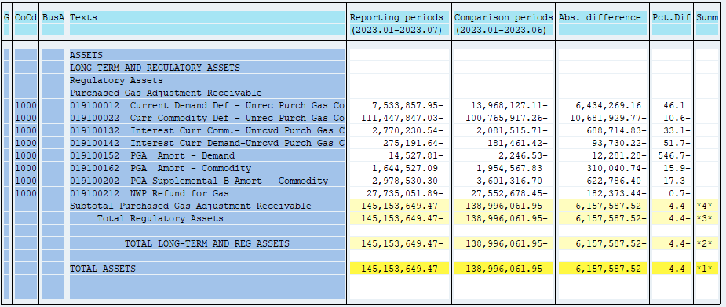
PUGET SOUND ENERGY
PGA 191 Account Balances
July
2023

 |  | Acct No. | Jul-23

Surcharge/Refund Amortization Accounts:
PGA Refund/Surcharge Amortization (Demand) |  | 19100152
 | Beginning |  | $(2,246.53)
 | Transfer Deferral Amounts to Surcharge/Refund Account
 | Surcharge/Refund Amortization |  | (6,771.00)
 | Migration Credit |  | 3,123.76
 | Interest |  | (8,634.04)
 | Total Month |  | (12,281.28)
 | Ending |  | $(14,527.81)

PGA Refund/Surcharge Amortization (Commodity) - 106 |  | 19100162
 | Beginning |  | $1,954,567.83
 | Transfer Deferral Amounts to Surcharge/Refund Account
 | Surcharge/Refund Amortization |  | (363,603.00)
 | Migration Credit |  | 16,646.49
 | Interest |  | 36,915.77
 | Total Month |  | (310,040.74)
 | Ending |  | $1,644,527.09

PGA Supplemental Amortization (Commodity) - 106B |  | 19100202
 | Beginning |  | $3,601,316.70
 | Transfer Deferral Amounts to Surcharge/Refund Account
 | Surcharge/Refund Amortization |  | (601,879.00)
 | Migration Credit
 | Interest |  | (20,907.40)
 | Total Month |  | (622,786.40)
 | Ending |  | $2,978,530.30

NWP Refund for Gas (Demand) |  | 19100212
 | Beginning |  | $(27,552,678.45)
 | Rcrd Northwest Pipeline Refund Alloc to Gas Book
 | Transfer Deferral Amounts to Surcharge/Refund Account
 | Surcharge/Refund Amortization
 | Interest |  | (182,373.44)
 | Total Month |  | (182,373.44)
 | Ending |  | $(27,735,051.89)

Current Demand Deferral |  | 19100012
 | Beginning |  | $(13,968,127.11)
 | Transfer Deferral Amounts to Surcharge/Refund Account
 | Deferral |  | 6,434,269.16
 | Total Month |  | 6,434,269.16
 | Ending |  | $(7,533,857.95)

Current Commodity Deferral |  | 19100022
 | Beginning |  | $(100,765,917.26)
 | Transfer Deferral Amounts to Surcharge/Refund Account
 | PGA Deferral Commd Vlntr RNG CR Tru-up 12/21-05/22
 | Deferral |  | (10,681,929.77)
 | Total Month |  | (10,681,929.77)
 | Ending |  | $(111,447,847.03)

Interest on Demand Deferral |  | 19100142
 | Beginning |  | $(181,461.42)
 | Transfer Interest Amounts to Surcharge/Refund Account
 | Interest |  | (93,730.22)
 | Total Month |  | (93,730.22)
 | Ending |  | $(275,191.64)

Interest on Commodity Deferral |  | 19100132
 | Beginning |  | $(2,081,515.71)
 | Transfer Interest Amounts to Surcharge/Refund Account
 | Interest |  | (688,714.83)
 | Total Month |  | (688,714.83)
 | Ending |  | $(2,770,230.54)

Total 191
 | Beginning |  | $(138,996,061.95)
 | Total Month |  | (6,157,587.52)
 | Ending |  | $(145,153,649.47)
Less: Acct. being Amortized |  |  | 4,608,529.58
Current Period Under/(Over) Recovered |  |  | $(149,762,179.05)

