Lead Sheet
PacifiCorp
Washington General Rate Case - December 2009
Hydro Decommissioning - Washington

 |  |  | TOTAL |  |  | WA
 | ACCOUNT | Type | COMPANY | FACTOR | FACTOR % | ALLOCATED | REF#

Allocation Correction to Booked Reserve
Depreciation Reserve | 108HP | RES | (36,245) | CAGW | 22.087% | (8,005) | 6.1.2
Depreciation Reserve | 108HP | RES | 36,245 | CAGE | 0.000% | - | 6.1.2
 |  |  | - |  |  | (8,005)
Adjustment to Reserve
Depreciation Reserve | 108HP | PRO | (1,159,404) | CAGW | 22.087% | (256,078) | Below
Depreciation Reserve | 108HP | PRO | (1,350,550) | CAGE | 0.000% | - | Below
 |  |  | (2,509,954) |  |  | (256,078) | 6.1.1

Adjustment to Rate Base Detail:
December 2010 AMA Balance - West Side |  |  | (16,449,374) |  |  |  | 6.1.1
December 2009 AMA Balance - West Side |  |  | (15,289,971) |  |  |  | 6.1.1
Total West Side Adjustment to Rate Base |  |  | (1,159,404) |  |  |  | Above

December 2010 AMA Balance - East Side |  |  | 2,427,167 |  |  |  | 6.1.1
December 2009 AMA Balance - East Side |  |  | 3,777,717 |  |  |  | 6.1.1
Total East Side Adjustment to Rate Base |  |  | (1,350,550) |  |  |  | Above

Description of Adjustment:
Based on the Company's latest depreciation study approved in Docket UE-071795, an additional $19.4 million is required for the decommissioning of various hydro facilities. This adjustment has both restating and proforma components. The restating component of this adjustment makes a small correction to the booked accumulated reserve so that the proper balances are reflected for the east and west control areas. The pro forma aspect of the adjustment walks forward the depreciation accrual and decommissioning expenditures through December 2010. The reserve does not include funds for Powerdale, which was reclassified to unrecovered plant. A separate order was received to recover the estimated decommissioning costs of Powerdale as seen in adjustment 8.7.

6.1.2
PacifiCorp |  |  |  |  |  |  | Page 6.1.2
Washington General Rate Case - December 2009
Hydro Decommissioning - Washington
Corrections to booked data
12 Months ended December 2009

Accumulated Depreciation |  | Dec 2009 AMA Balance Booked | Ref. | Dec 2009 AMA Balance Actuals | Adjustment to Dec 2009 Balance
108 | CAGW | (15,253,726) | B17 pg13 | (15,289,971) | (36,245) | To 6.1
108 | CAGE | 3,741,472 | B17 pg13 | 3,777,717 | 36,245 | To 6.1
 |  |  |  |  | -

During 2008 several entries were made to FERC locations that incorrectly assigned the balance on an East/West basis. This adjustment is necessary to correctly assign accumulated depreciation related to Hydro Decommissioning.

Dec 2009 Balance Check
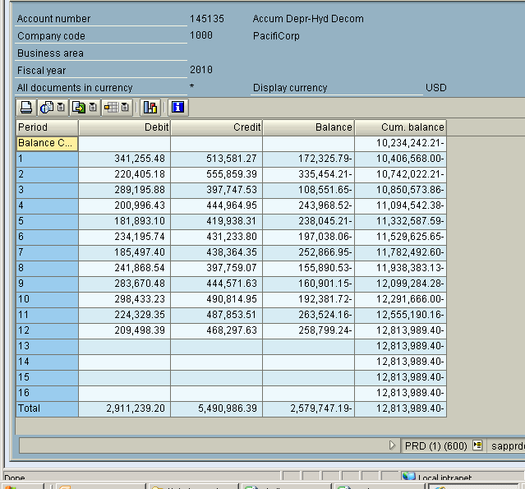

GL Acct 145135

Dec 2009 Balance | Dec 2009 Balance Per Adj
(12,813,989) | (12,813,989)

 | (1)

