191 Accounts
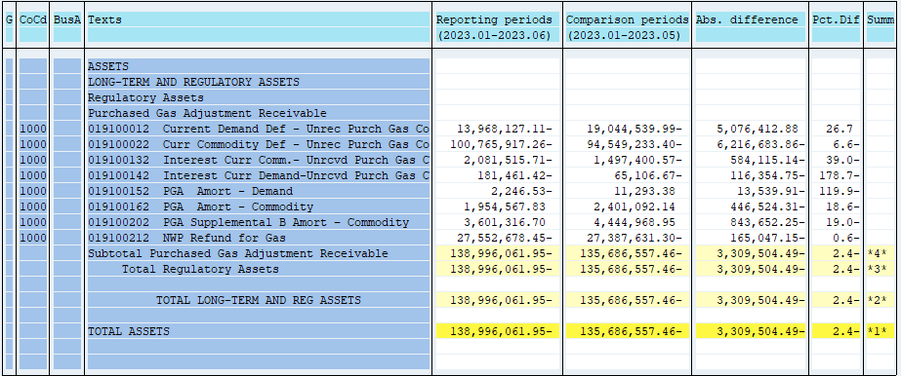
PUGET SOUND ENERGY
PGA 191 Account Balances
June
2023

 |  | Acct No. | Jun-23

Surcharge/Refund Amortization Accounts:
PGA Refund/Surcharge Amortization (Demand) |  | 19100152
 | Beginning |  | $11,293.38
 | Transfer Deferral Amounts to Surcharge/Refund Account
 | Surcharge/Refund Amortization |  | (9,255.00)
 | Migration Credit |  | 3,499.98
 | Interest |  | (7,784.89)
 | Total Month |  | (13,539.91)
 | Ending |  | $(2,246.53)

PGA Refund/Surcharge Amortization (Commodity) - 106 |  | 19100162
 | Beginning |  | $2,401,092.14
 | Transfer Deferral Amounts to Surcharge/Refund Account
 | Surcharge/Refund Amortization |  | (500,902.00)
 | Migration Credit |  | 18,408.21
 | Interest |  | 35,969.48
 | Total Month |  | (446,524.31)
 | Ending |  | $1,954,567.83

PGA Supplemental Amortization (Commodity) - 106B |  | 19100202
 | Beginning |  | $4,444,968.95
 | Transfer Deferral Amounts to Surcharge/Refund Account
 | Surcharge/Refund Amortization |  | (829,151.00)
 | Migration Credit
 | Interest |  | (14,501.25)
 | Total Month |  | (843,652.25)
 | Ending |  | $3,601,316.70

NWP Refund for Gas (Demand) |  | 19100212
 | Beginning |  | $(27,387,631.30)
 | Rcrd Northwest Pipeline Refund Alloc to Gas Book
 | Transfer Deferral Amounts to Surcharge/Refund Account
 | Surcharge/Refund Amortization
 | Interest |  | (165,047.15)
 | Total Month |  | (165,047.15)
 | Ending |  | $(27,552,678.45)

Current Demand Deferral |  | 19100012
 | Beginning |  | $(19,044,539.99)
 | Transfer Deferral Amounts to Surcharge/Refund Account
 | Deferral |  | 5,076,412.88
 | Total Month |  | 5,076,412.88
 | Ending |  | $(13,968,127.11)

Current Commodity Deferral |  | 19100022
 | Beginning |  | $(94,549,233.40)
 | Transfer Deferral Amounts to Surcharge/Refund Account
 | PGA Deferral Commd Vlntr RNG CR Tru-up 12/21-05/22
 | Deferral |  | (6,216,683.86)
 | Total Month |  | (6,216,683.86)
 | Ending |  | $(100,765,917.26)

Interest on Demand Deferral |  | 19100142
 | Beginning |  | $(65,106.67)
 | Transfer Interest Amounts to Surcharge/Refund Account
 | Interest |  | (116,354.75)
 | Total Month |  | (116,354.75)
 | Ending |  | $(181,461.42)

Interest on Commodity Deferral |  | 19100132
 | Beginning |  | $(1,497,400.57)
 | Transfer Interest Amounts to Surcharge/Refund Account
 | Interest |  | (584,115.14)
 | Total Month |  | (584,115.14)
 | Ending |  | $(2,081,515.71)

Total 191
 | Beginning |  | $(135,686,557.46)
 | Total Month |  | (3,309,504.49)
 | Ending |  | $(138,996,061.95)
Less: Acct. being Amortized |  |  | 5,553,638.00
Current Period Under/(Over) Recovered |  |  | $(144,549,699.95)

