191 Accounts
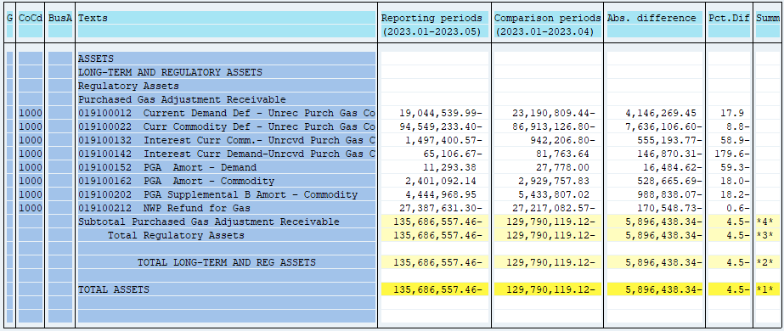
PUGET SOUND ENERGY
PGA 191 Account Balances
May
2023

 |  | Acct No. | May-23

Surcharge/Refund Amortization Accounts:
PGA Refund/Surcharge Amortization (Demand) |  | 19100152
 | Beginning |  | $27,778.00
 | Transfer Deferral Amounts to Surcharge/Refund Account
 | Surcharge/Refund Amortization |  | (11,397.00)
 | Migration Credit |  | 2,912.81
 | Interest |  | (8,000.43)
 | Total Month |  | (16,484.62)
 | Ending |  | $11,293.38

PGA Refund/Surcharge Amortization (Commodity) - 106 |  | 19100162
 | Beginning |  | $2,929,757.83
 | Transfer Deferral Amounts to Surcharge/Refund Account
 | Surcharge/Refund Amortization |  | (591,726.00)
 | Migration Credit |  | 22,615.53
 | Interest |  | 40,444.78
 | Total Month |  | (528,665.69)
 | Ending |  | $2,401,092.14

PGA Supplemental Amortization (Commodity) - 106B |  | 19100202
 | Beginning |  | $5,433,807.02
 | Transfer Deferral Amounts to Surcharge/Refund Account
 | Surcharge/Refund Amortization |  | (979,488.00)
 | Migration Credit
 | Interest |  | (9,350.07)
 | Total Month |  | (988,838.07)
 | Ending |  | $4,444,968.95

NWP Refund for Gas (Demand) |  | 19100212
 | Beginning |  | $(27,217,082.57)
 | Rcrd Northwest Pipeline Refund Alloc to Gas Book
 | Transfer Deferral Amounts to Surcharge/Refund Account
 | Surcharge/Refund Amortization
 | Interest |  | (170,548.73)
 | Total Month |  | (170,548.73)
 | Ending |  | $(27,387,631.30)

Current Demand Deferral |  | 19100012
 | Beginning |  | $(23,190,809.44)
 | Transfer Deferral Amounts to Surcharge/Refund Account
 | Deferral |  | 4,146,269.45
 | Total Month |  | 4,146,269.45
 | Ending |  | $(19,044,539.99)

Current Commodity Deferral |  | 19100022
 | Beginning |  | $(86,913,126.80)
 | Transfer Deferral Amounts to Surcharge/Refund Account
 | PGA Deferral Commd Vlntr RNG CR Tru-up 12/21-05/22
 | Deferral |  | (7,636,106.60)
 | Total Month |  | (7,636,106.60)
 | Ending |  | $(94,549,233.40)

Interest on Demand Deferral |  | 19100142
 | Beginning |  | $81,763.64
 | Transfer Interest Amounts to Surcharge/Refund Account
 | Interest |  | (146,870.31)
 | Total Month |  | (146,870.31)
 | Ending |  | $(65,106.67)

Interest on Commodity Deferral |  | 19100132
 | Beginning |  | $(942,206.80)
 | Transfer Interest Amounts to Surcharge/Refund Account
 | Interest |  | (555,193.77)
 | Total Month |  | (555,193.77)
 | Ending |  | $(1,497,400.57)

Total 191
 | Beginning |  | $(129,790,119.12)
 | Total Month |  | (5,896,438.34)
 | Ending |  | $(135,686,557.46)
Less: Acct. being Amortized |  |  | 6,857,354.47
Current Period Under/(Over) Recovered |  |  | $(142,543,911.93)

