Earnings Test and 3% Test
 | Avista Utilities
 | Decoupling Mechanism Earnings Test and 3% Test
 | 2023 Washington Electric Deferrals

 | 2023 Commission Basis Earnings Test for Decoupling

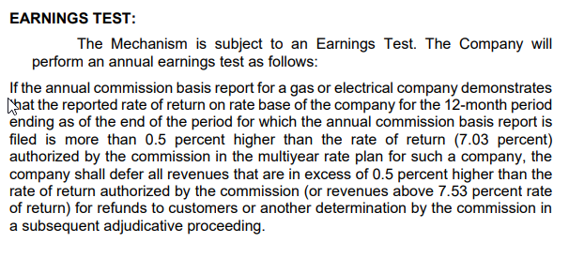
Line No. |  | Electric

We aren't over, but I think the calc could be updated
1 | Rate Base | $2,152,984,000

2 | Net Income | $149,761,000

3 | Calculated ROR | 6.96%
4 | Base ROR | 7.53%
5 | Excess ROR | -0.57%

6 | Excess Earnings | $-
7 | Conversion Factor | 0.755295
8 | Excess Revenue (Excess Earnings/CF) | $-
9 | Sharing % | 50%
10 | 2021 Total Earnings Test Sharing | $-

 | Revenue From 2021 Normalized Loads and Customers at Present Billing Rates

11 | Residential Revenue | $275,352,698 | 51.32%

12 | Non-Residential Revenue | $261,165,542 | 48.68%

13 | Total Normalized Revenue | $536,518,240 | 100.00%

 |  | Gross Revenue Adjustment | Net of Revenue Related Expenses
 | Earnings Test Sharing Adjustment
14 | Residential | $- | $-
15 | Non-Residential | $- | $-
16 | Total | $- | $-

Line No. | 3% Incremental Surcharge Test | Residential | Non-Residential
1 | Revenue From 2021 Normalized Loads and Customers at Present Billing Rates (Note 1) | $275,352,698 | $261,165,542

2 | August 2022 - July 2023 Usage (kWhs) | 2,655,150,579 | 2,110,866,305

3 | Proposed Decoupling Recovery Rates | -$0.00079 | $0.00143

4 | Present Decoupling Surcharge Recovery Rates | -$0.00725 | -$0.00088

5 | Incremental Decoupling Recovery Rates | $0.00646 | $0.00231

6 | Incremental Decoupling Recovery | $17,152,273 | $4,876,101

7 | Incremental Surcharge % | 6.23% | 1.87%

8 | 3% Test Adjustment (Note 2) | $(8,891,692) | $-

9 | 3% Test Rate Adjustment | $0.00000 | $0.00000

10 | Adjusted Proposed Decoupling Recovery Rates | -$0.00079 | $0.00143

11 | Adjusted Incremental Decoupling Recovery | $17,152,273 | $4,876,101

12 | Adjusted Incremental Surcharge % | 6.23% | 1.87%

 | Notes
 | (1) Revenue from 2022 normalized loads and customers at present billing rates effective since December 21, 2022.
 | (2) The carryover balances will differ from the 3% adjustment amounts due to the revenue related expense gross up partially offset by additional interest on the outstanding balance during the amortization period.

