Intrst Rev & Tfr Bal Jan 23
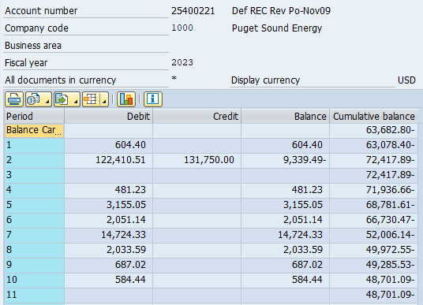
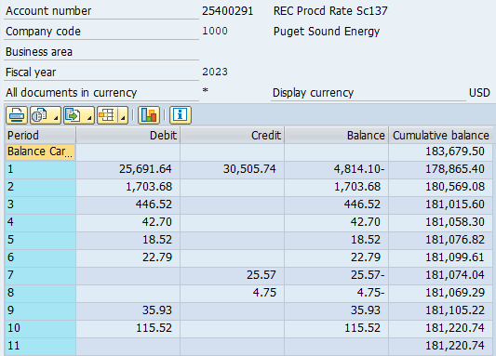
Interest Review for REC proceeds in and not-yet-in rates: Account # 25400221 and 25400291
 | Based on actual balance using authorized ROR and FIT rate |  |  |  |  |  |  |  |  | Based on actual balance using authorized ROR and FIT rate
Date | Balance Proceeds Not In Rates 25400221 | Accumulated DFIT | Proceeds net of DFIT | After Tax Interest % UE-180282 | FIT Grossup Factor | Monthly Interest on 25400221 S/B CR to 25400311 DR to 43100181 | Actually Recorded to 25400311 excluding prior trueups | Difference S/B recorded to 25400311 |  | Balance Proceeds In Rates 25400291 | Accumulated DFIT | Net Balance | After Tax Interest % UE-180282 | FIT Grossup Factor | Monthly Interest on 25400291 S/B CR to 25400301 DR to 43100141 | Actually Recorded to 25400301 | Difference S/B recorded to 25400301
Oct-22 | (64,790.51) | 13,606 | (51,184.50) |  |  |  | 101,303 |  | Oct-22 | 102,404.80 | (21,505) | 80,899.79 |  |  | (109,303) | (drill into each)
Nov-22 | (63,682.80) | 13,373 | (50,309.41) | 6.80% | 0.79 | (364.01) | (364) | 0 | Nov-22 | 141,464.60 | (29,708) | 111,757.03 | 6.80% | 0.79 | 690.96 | 690.96 | -
Dec-22 | (63,682.80) | 13,373 | (50,309.41) | 6.80% | 0.79 | (360.87) | (361) | 0 | Dec-22 | 183,679.50 | (38,573) | 145,106.81 | 6.80% | 0.79 | 921.24 | 921.24 | -
Jan-23 | (63,078.40) | 13,246 | (49,831.94) | 6.68% | 0.79 | (352.72) | (353) | - | Jan-23 | 178,865.40 | (37,562) | 141,303.67 | 6.68% | 0.79 | 1,008.79 | 1,008.79 | -
Feb-23 | (72,417.89) | 15,208 | (57,210.13) | 6.62% | 0.79 | (373.74) | (374) | - | Feb-23 | 180,569.08 | (37,920) | 142,649.57 | 6.62% | 0.79 | 991.44 | 991.44 | -
Mar-23 | (72,417.89) | 15,208 | (57,210.13) | 6.62% | 0.79 | (399.51) | (400) | - | Mar-23 | 181,015.60 | (38,013) | 143,002.32 | 6.62% | 0.79 | 997.37 | 997.37 | -
Apr-23 | (71,936.66) | 15,107 | (56,829.96) | 6.62% | 0.79 | (398.18) | (398) | - | Apr-23 | 181,058.30 | (38,022) | 143,036.06 | 6.62% | 0.79 | 998.72 | 998.72 | -
May-23 | (68,781.61) | 14,444 | (54,337.47) | 6.62% | 0.79 | (388.15) | (388) | - | May-23 | 181,076.82 | (38,026) | 143,050.69 | 6.62% | 0.79 | 998.89 | 998.89 | -
Jun-23 | (66,730.47) | 14,013 | (52,717.07) | 6.62% | 0.79 | (373.79) | (374) | - | Jun-23 | 181,099.61 | (38,031) | 143,068.69 | 6.62% | 0.79 | 999.00 | 999.00 | -
Jul-23 | (52,006.14) | 10,921 | (41,084.85) | 6.62% | 0.79 | (327.52) | (328) | - | Jul-23 | 181,074.04 | (38,026) | 143,048.49 | 6.62% | 0.79 | 999.00 | 999.00 | -
Aug-23 | (49,972.55) | 10,494 | (39,478.31) | 6.62% | 0.79 | (281.29) | (281) | - | Aug-23 | 181,069.29 | (38,025) | 143,044.74 | 6.62% | 0.79 | 998.91 | 998.91 | -
Sep-23 | (49,285.53) | 10,350 | (38,935.57) | 6.62% | 0.79 | (273.79) | (274) | - | Sep-23 | 181,105.22 | (38,032) | 143,073.12 | 6.62% | 0.79 | 999.00 | 999.00 | -
Oct-23 | (48,701.09) | 10,227 | (38,473.86) | 6.62% | 0.79 | (270.28) | (270) |  | Oct-23 | 181,220.74 | (38,056) | 143,164.38 | 6.62% | 0.79 | 999.42 | 999.42 | -
Nov-23 |  | - | - | 6.62% | 0.79 |  |  |  | Nov-23 |  | - | - | 6.62% | 0.79 |  | - | -
Dec-23 |  | - | - | 6.62% | 0.79 |  |  |  | Dec-23 |  | - | - | 6.62% | 0.79 | - | - | -
 |  |  |  |  |  | ties to 10.23 => | 97,139.12 | 0 |  |  |  |  |  |  | (97,700.21) |  | -
 |  |  |  |  | ZERO True-up to be booked in Oct 2023 business | 43100181 | none needed |  |  |  |  |  |  | 43100141 | none needed
 |  |  |  |  | October Balance | 25400311 | none needed |  |  |  |  |  |  | 25400301 | none needed

Transfer of Proceeds

