Montana Energy Tax
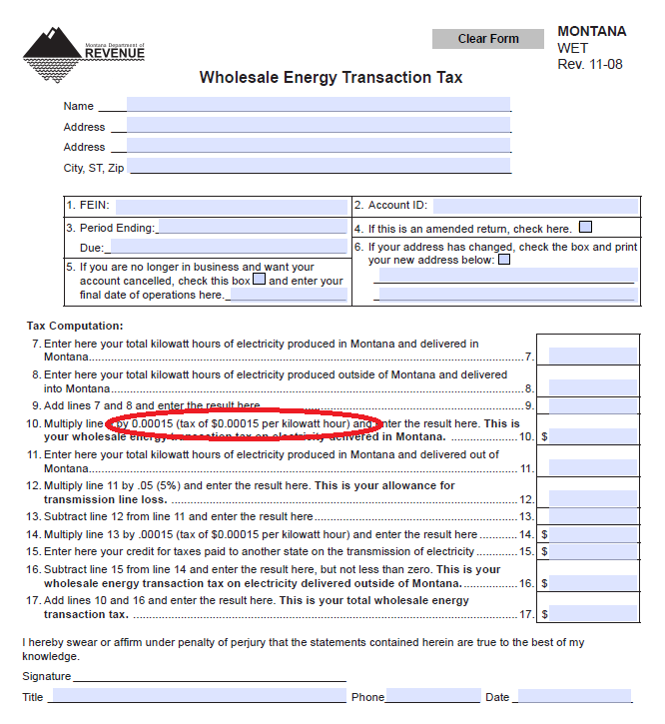
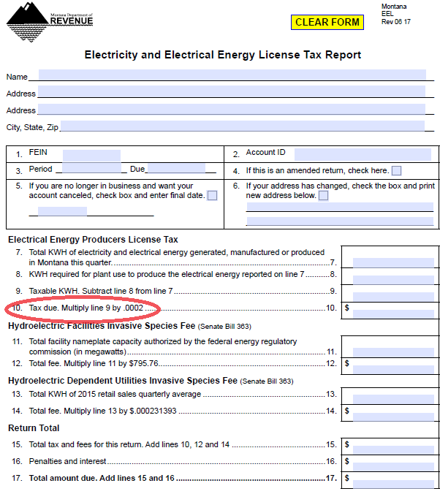
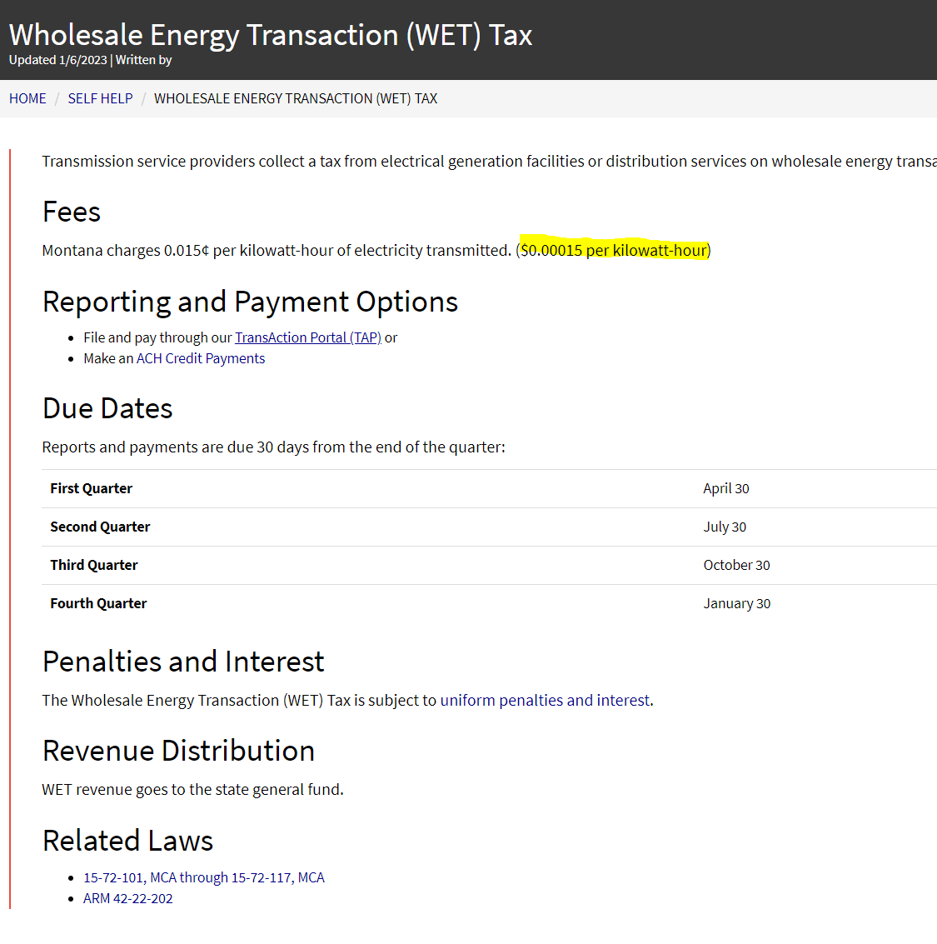
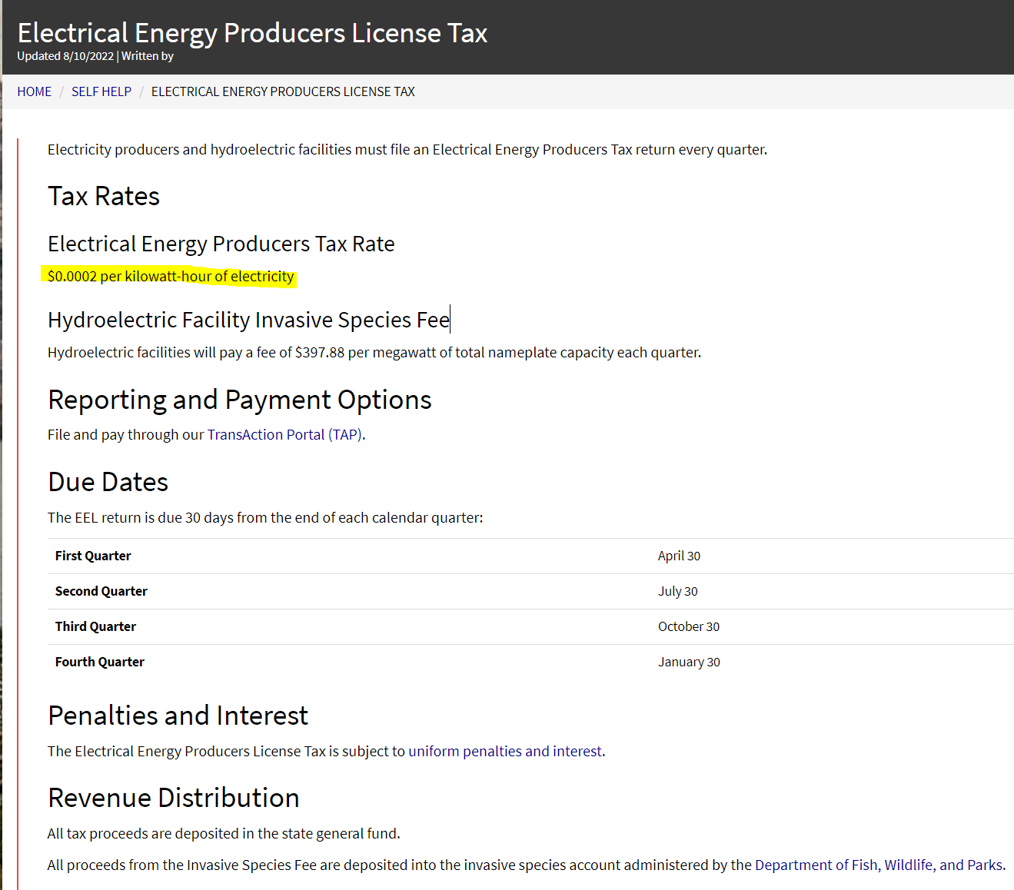
WETT Tax + EEELT = |  |  |  |  | Line Losses
0.00015 | + | 0.0002 | or | 0.00035 | 0.05

WETT tax link.
http://revenue.mt.gov/Portals/9/businesses/fees/WET.pdf

Electricity and Electrical Energy License Tax Report link.
http://revenue.mt.gov/Portals/9/businesses/taxes/natural_resources/EEL.pdf

 |  |  |  |  |  | Check for 2022 | ok | Check for 2022 | ok

