Typical Residential Notice
Puget Sound Energy
Residential Customer Impacts
Test Year Ended February 29, 2024
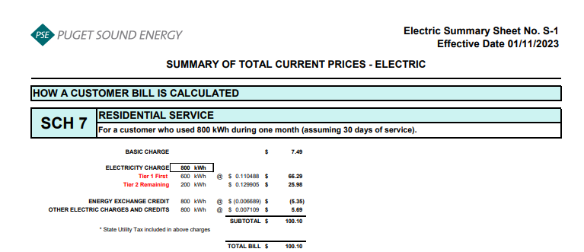
 |  | Current Customer Bill in Notice |  |  |  |  | Proposed Customer Bill in Notice
Month | kWh | Basic Charge | First 600 kWh | Over 600 kWh | Bill |  | Basic Charge | First 600 kWh | Over 600 kWh | Bill | $ Difference | % Difference
January | 949 | $7.49 | $66.54 | $45.48 | $119.51 |  | $7.49 | $66.74 | $45.59 | $119.82 | $0.31 | 0.26%
February | 853 | $7.49 | $66.54 | $32.97 | $107.00 |  | $7.49 | $66.74 | $33.05 | $107.28 | $0.28 | 0.26%
March | 707 | $7.49 | $66.54 | $13.94 | $87.97 |  | $7.49 | $66.74 | $13.98 | $88.21 | $0.24 | 0.27%
April | 641 | $7.49 | $66.54 | $5.34 | $79.37 |  | $7.49 | $66.74 | $5.36 | $79.59 | $0.22 | 0.28%
May | 660 | $7.49 | $66.54 | $7.82 | $81.85 |  | $7.49 | $66.74 | $7.84 | $82.07 | $0.22 | 0.27%
June | 673 | $7.49 | $66.54 | $9.51 | $83.54 |  | $7.49 | $66.74 | $9.54 | $83.77 | $0.23 | 0.28%
July | 640 | $7.49 | $66.54 | $5.21 | $79.24 |  | $7.49 | $66.74 | $5.23 | $79.46 | $0.22 | 0.28%
August | 759 | $7.49 | $66.54 | $20.72 | $94.75 |  | $7.49 | $66.74 | $20.77 | $95.00 | $0.25 | 0.26%
September | 971 | $7.49 | $66.54 | $48.35 | $122.38 |  | $7.49 | $66.74 | $48.47 | $122.70 | $0.32 | 0.26%
October | 1,079 | $7.49 | $66.54 | $62.43 | $136.46 |  | $7.49 | $66.74 | $62.58 | $136.81 | $0.35 | 0.26%
November | 1,093 | $7.49 | $66.54 | $64.25 | $138.28 |  | $7.49 | $66.74 | $64.41 | $138.64 | $0.36 | 0.26%
December | 957 | $7.49 | $66.54 | $46.53 | $120.56 |  | $7.49 | $66.74 | $46.64 | $120.87 | $0.31 | 0.26%

Annual Total | 9,982 | $89.88 | $798.48 | $362.55 | $1,250.91 |  | $89.88 | $800.88 | $363.46 | $1,254.22 | $3.31 | 0.26%

Typical Residential | 800 | $7.49 | $66.54 | $26.07 | $100.10 |  | $7.49 | $66.74 | $26.13 | $100.36 | $0.26 | 0.26%
Typical Residential | 1,000 | $7.49 | $66.54 | $52.13 | $126.16 |  | $7.49 | $66.74 | $52.26 | $126.49 | $0.33 | 0.26%

Residential Schedule 7 Rates |  |  |  | Present Rates Effective 01/11/2023 | Proposed Rates Effective 03/01/2023
Customer Monthly Charge:
One Phase Basic Charge |  |  |  | $7.490000 | $7.490000 | per Month
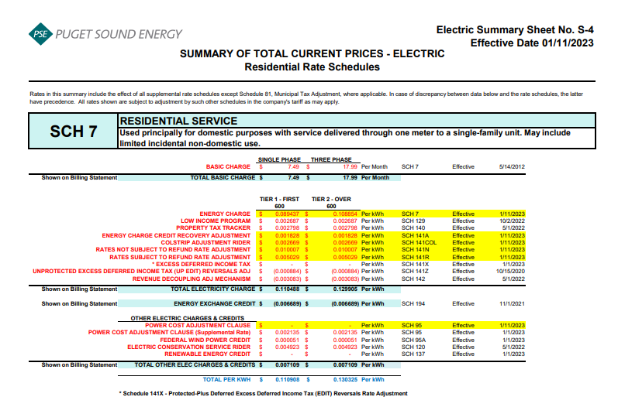
Subtotal Base Monthly Charge |  |  |  | $7.490000 | $7.490000
Energy Charge:
Schedule 7 first 600 kWh |  |  |  | $0.089437 | $0.089437 | $ / kWh
Schedule 129 - Low Income |  |  |  | $0.002687 | $0.002687 | $ / kWh
Schedule 140 - Property Tax Rider |  |  |  | $0.002798 | $0.002798 | $ / kWh
Schedule 141A - Energy Charge Credit Recovery Adjustment |  |  |  | $0.001828 | $0.001828 | $ / kWh
Schedule 141COL - Colstrip Adjustment Rider |  |  |  | $0.002669 | $0.002669 | $ / kWh
Schedule 141N - Rates Not Subject to Refund Rate Adjustment |  |  |  | $0.010007 | $0.010007 | $ / kWh
Schedule 141R - Rates Subject to Refund Rate Adjustment |  |  |  | $0.005029 | $0.005029 | $ / kWh
Schedule 141TEP - TEP Rider |  |  |  | $- | $0.000319 | $ / kWh
Schedule 141Z - EDIT Rider |  |  |  | $(0.000884) | $(0.000884) | $ / kWh
Schedule 142 - Decoupling Rider |  |  |  | $(0.003083) | $(0.003083) | $ / kWh
Schedule 142 - Decoupling Rider - Supplemental |  |  |  | $- | $- | $ / kWh
Subtotal Base First 600 kWh Charge |  |  |  | $0.110488 | $0.110807 | $ / kWh

Schedule 7 over 600 kWh |  |  |  | $0.108854 | $0.108854 | $ / kWh
Schedule 129 - Low Income |  |  |  | $0.002687 | $0.002687 | $ / kWh
Schedule 140 - Property Tax Rider |  |  |  | $0.002798 | $0.002798 | $ / kWh
Schedule 141A - Energy Charge Credit Recovery Adjustment |  |  |  | $0.001828 | $0.001828 | $ / kWh
Schedule 141COL - Colstrip Adjustment Rider |  |  |  | $0.002669 | $0.002669 | $ / kWh
Schedule 141N - Rates Not Subject to Refund Rate Adjustment |  |  |  | $0.010007 | $0.010007 | $ / kWh
Schedule 141R - Rates Subject to Refund Rate Adjustment |  |  |  | $0.005029 | $0.005029 | $ / kWh
Schedule 141TEP - TEP Rider |  |  |  | $- | $0.000319 | $ / kWh
Schedule 141Z - EDIT Rider |  |  |  | $(0.000884) | $(0.000884) | $ / kWh
Schedule 142 - Decoupling Rider |  |  |  | $(0.003083) | $(0.003083) | $ / kWh
Schedule 142 - Decoupling Rider - Supplemental |  |  |  | $- | $- | $ / kWh
Subtotal Base Over 600 kWh Charge |  |  |  | $0.129905 | $0.130224 | $ / kWh

Schedule 194 - BPA Exchange Credit |  |  |  | $(0.006689) | $(0.006689) | $ / kWh

Other Electric Charges and Credits |  |  |  |  |  | $ / kWh
Schedule 95 - Power Cost Adjustment Clause |  |  |  | $- | $- | $ / kWh
Schedule 95 - Power Cost Adjustment Clause-Supplemental |  |  |  | $0.002135 | $0.002135 | $ / kWh
Schedule 95A - Wind Power Production Credit |  |  |  | $0.000051 | $0.000051 | $ / kWh
Schedule 120 - Conservation Rider |  |  |  | $0.004923 | $0.004923 | $ / kWh
Subtotal Other Charges |  |  |  | $0.007109 | $0.007109 | $ / kWh

Total Block 1 Energy Charge |  |  |  | $0.110908 | $0.111227 | $ / kWh
Total Block 2 Energy Charge |  |  |  | $0.130325 | $0.130644 | $ / kWh

