Rev Sharing 12ME 12 2020
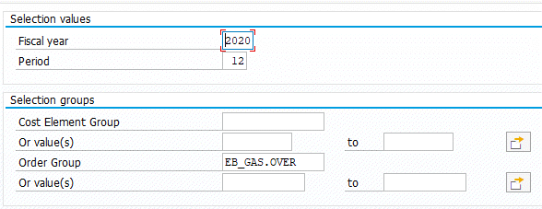
Puget Sound Energy
12 Month Ended Order Report
Report: Ord: 12 M End by Ord Report Group: ZO12
Order Group: EB_GAS.OVER

