Est Pmt due Apr&Oct 2020
Estimated Property Taxes on 1-1-2019 Property to be Paid in April and October of 2020

 | Electric |  |  |  |  | Gas |  | Combined
Description | Washington | Oregon | Oregon | Montana | Total | Total |  | Total

Est 1-1-19 DOR Value | $4,137,998,000 | $44,900,000 | $44,900,000 | $504,242,175 | $4,732,040,175 | $1,761,974,000 |  | $6,494,014,175
1-1-18 AVERAGE SYSTEM RATIO (18-19 rates) | 94.57% | -- | -- | 6.09% | -- | 95.46%
EST'D 1-1-19 ASSESSED VALUE | 3,913,470,229 | 44,900,000 | 44,900,000 | 30,711,071 | 4,033,981,300 | 1,681,892,282 |  | 5,715,873,582
Difference from Actual Number Collected | 13,952 |  |  |  | 13,952 | (2,127) |  | 11,825
EST'D 1-1-19 ASSESSED VALUE | 3,913,484,181 | 44,900,000 | 44,900,000 | 30,711,071 | 4,033,995,252 | 1,681,890,155 |  | 5,715,885,407
EST'D 1-1-18 LEVY RATE(18-19 rates) | 10.140 | 11.170 | 11.342 | 353.239 | -- | 10.380 |  | --

Estimated Centrally Assessed Taxes | 39,682,730 | 250,767 | 254,617 | 10,848,336 | 51,036,449 | 17,458,020 |  | 68,494,469
Difference from Actual Number Collected |  |  |  | (9) | (9) |  |  | (9)
total | 39,682,730 | 250,767 | 254,617 | 10,848,327 | 51,036,440 | 17,458,020 |  | 68,494,460

Add Additional Centrally Assessed Taxes | 372,000 |  |  |  | 372,000 | 75,000 |  | 447,000
Add Locally Assessed Taxes | 350,000 |  |  | 7,000 | 357,000 | 6,000 |  | 363,000
Surface Water Management Fees | 73,000 |  |  | - | 73,000 | 2,757 |  | 75,757
Less Property Taxes on Non-Utility Property |  |  |  |  | - |  |  | -
MT Late entry |  |  |  |  | - | - |  | -
Subtotal | 795,000 | - | - | 7,000 | 802,000 | 83,757 |  | 885,757 | PLNG
TOTAL EST'D 19-20 PROPERTY TAX | $40,477,730 | $250,757 | $254,617 | $10,855,327 | $51,838,430 | $17,541,777 |  | $69,380,207 | 1,401,260 | $1,401,260
 | 40,477,730 | 250,757 | 254,617 | 10,855,327 | 51,838,430 | 17,541,777 |  | 69,380,207
CHECK>>>> | - | - | - | - | - | - | - | -
See Reconciliation>>> | - | - | - | (1) |  | -

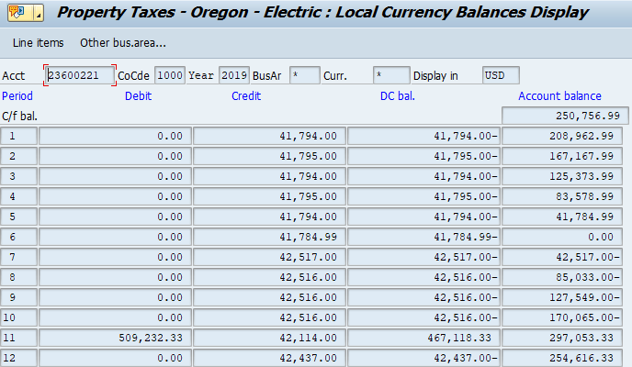
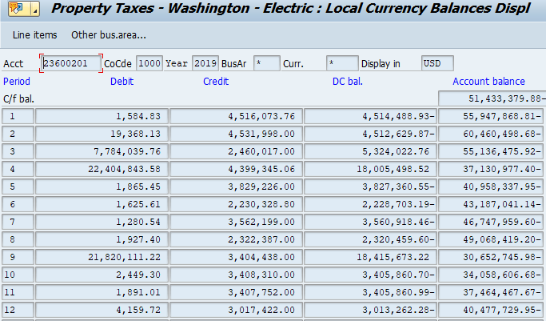

 |  |  | Washington (Electric) |  |  | Oregon 1st half (Electric) |  |  | Oregon 2nd half (Electric)
Total Payable |  |  | $40,477,730 |  |  | $250,757 |  |  | $254,616
Plus Amounts Already Paid |  |  | - |  |  | - |  |  | -
Less Non-Utility |  |  | - |  |  | - |  |  | -
Year End Accrual used for initial PTT Filing |  |  | $40,477,730 |  |  | $250,757 |  |  | $254,616
Check |  |  | 0 |  |  | (0) |  |  | 0
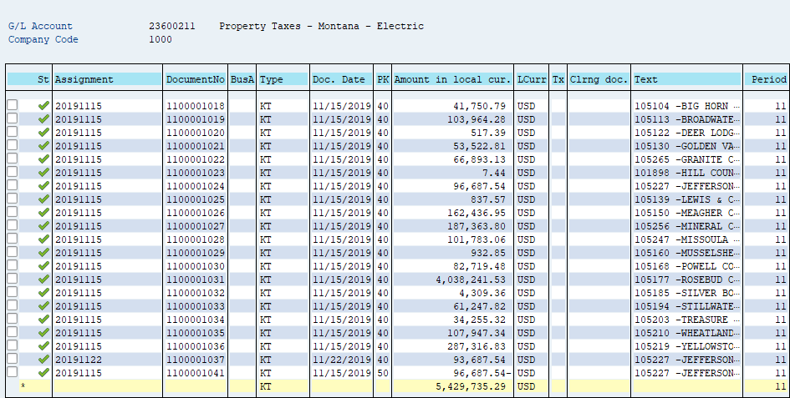

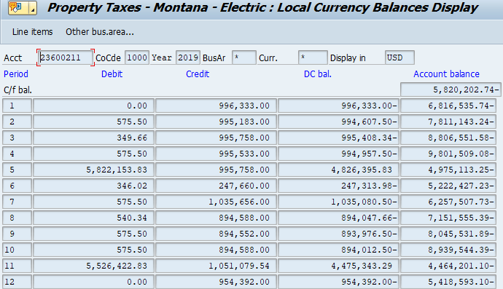

 |  |  | Montana (Electric) |  | 2019 True up booked in January 2020
Total Payable |  |  | $5,418,593 |  | Payable at 12/31/2019 |  |  | $5,418,593
Plus Amounts Already Paid |  |  | 5,429,735 |  | Actual payment |  |  | 5,418,593
True-up made in 2020 |  |  | 7,000 |  | 2019 related booked in 2020 |  |  | $(0)
Year End Accrual used for initial PTT Filing |  |  | $10,855,328
Check |  |  | (1)

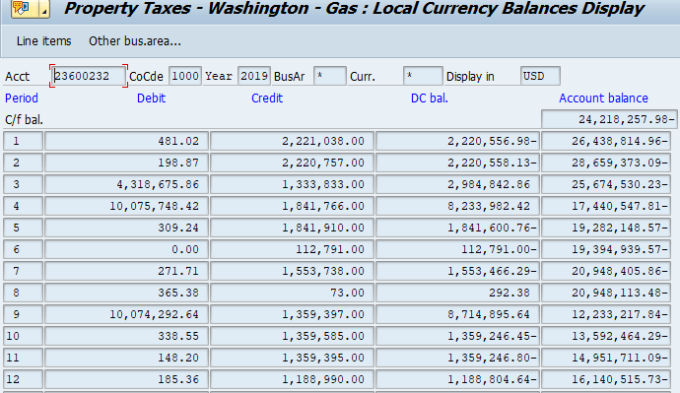

 |  |  | Washington (Gas)
Total Payable |  |  | $16,140,516
Plus Amounts Already Paid |  |  | -
Less Non-Utility |  |  | 1,401,260
Year End Accrual used for initial PTT Filing |  |  | $17,541,776
Check |  |  | 1

