Energy Efficiency
Energy Efficiency Customer Benefits
 | There are two principal areas of energy efficiency savings enabled by the deployment of advanced meters, efficiency measures undertaken by the customer as a result of better understanding their patterns of energy use, and energy savings associated with the utility’s management of the electric distribution system.

 | CVR Energy usage reduction |  |  |  |  |  |  | Source or Reference
 |  | 1 | Avoided Energy Purchased in kWh (from Utility CVR spreadsheet) |  |  |  | 13,798,937 | See Appendix Benefits CVR tab to see how this value was determined
 |  | 2 | Avista average cost per kWh |  |  |  | $0.086 | Avg of Tier 2 for residential and Tier 2 for Schedule 21
 |  | 3 | Total |  |  |  | $1,186,708.61 | Calculation

 | Energy Savings due to better understanding of energy usage |  |  |  |  |  |  |  |  | x
 | Model 1
 |  | Immediate direct feedback could be extremely valuable, especially for savings from daily behaviour in non-heating end-uses. In the longer term and on a larger scale, informative billing and annual energy reports can promote investment as well as influencing behaviour. Savings have been shown in the region of 5-15% and 0-10% for direct and indirect feedback respectively.

 |  | Caluclation of total kWh by the customer groups modeled
 |  |  |  |  | Number | kWh
 |  | Commercial Customers |  |  | 23,385 | 1,804,801,283
 |  | Residential Customers |  |  | 212,659 | 2,482,493,050
 |  |  | Under 500 kWh/Mo |  | 46,061 | 154,446,492
 |  |  | 500 - 1000 kWh/Mo |  | 85,416 | 762,768,267
 |  |  | Over 1000 kWh/Mo |  | 81,121 | 1,564,546,291
 |  | Total |  |  |  | 6,769,055,383

 |  |  |  |  | Customers | % Participating | kWh Savings | 3% | * Based on an assumption of 3% percent reduction in energy use. References 1-10 (Reviewed literature to estimate a reasonable reduction)
 |  | Commercial Customers |  |  | 23,385 | 5% | 2,707,202
 |  | Residential Customers |  |  | 212,659 |  |  |  | * Customer counts obtained from Customer Information System
 |  |  | Under 500 kWh/Mo |  | 46,061 | 1% | 46,334 |  | * % Participating estimates were based on qualitative assessments from literature and Avista Experience
 |  |  | 500 - 1000 kWh/Mo |  | 85,416 | 3% | 686,491 |  | * Based on a weighted average retail electric rate of $0.085 per kWh
 |  |  | Over 1000 kWh/Mo |  | 81,121 | 5% | 2,346,819
 |  |  | Total |  |  |  | 5,786,847 | $491,882 | Monetary savings to customers

 |  |  |  |  |  |  |  | 0.09% | <- Estimated reduction in retail load for these customer groups
 | References
 | 1 | 6% | http://www.slideshare.net/breakingnews/unlocking-energy-efficiency-in-the-us-economy-1789726
 | 2 |  | http://www.eci.ox.ac.uk/research/energy/downloads/smart-metering-report.pdf
 | 3 | 1-4% | http://finance-commerce.com/2014/09/sustainable-reducing-energy-use-through-behavioral-science/
 | 4 |  | http://opower.com/uploads/library/file/24/Opower_WP_Effective_Customer_Engagement.pdf
 | 5 |  | http://www.elp.com/articles/2013/07/study-utility-customer-engagement-programs-are-worth-it.html
 | 6 |  | https://www.energystar.gov/buildings/program-administrators/state-and-local-governments/campaigns
 | 7 | 2% | http://www.energyvortex.com/pages/headlinedetails.cfm?id=4857
 | 8 | 2% | http://www.intelligentutility.com/article/12/02/behavioral-approaches-energy-conservation-pay&utm_medium=eNL&utm_campaign=IU_DAILY2&utm_term=Original-Member
 | 9 | 4% | http://www.bchydro.com/content/dam/BCHydro/customer-portal/documents/projects/smart-metering/smi-program-business-case.pdf
 | 10 | 3% | http://www.utilitydive.com/news/could-reducing-peak-demand-5-be-as-simple-as-asking/329102/

 |  |  |  | REV_CLASS_CDE | CountOfUSAGE_PT_KY | SumOfACCUM_USAGE_QTY
 |  |  |  | 01 | 212,659 | 2,482,493,050
 |  |  |  | 21 | 23,385 | 1,804,801,283
 |  |  |  | 39 | 570 | 80,159
 |  |  |  | 31 | 359 | 205,546,579
 |  |  |  | 80 | 56 | 12,095,526
 |  |  |  | 51 | 1 | 2,875

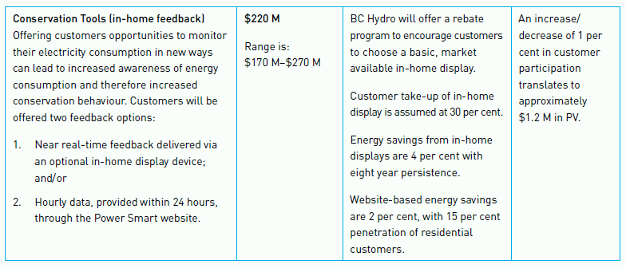

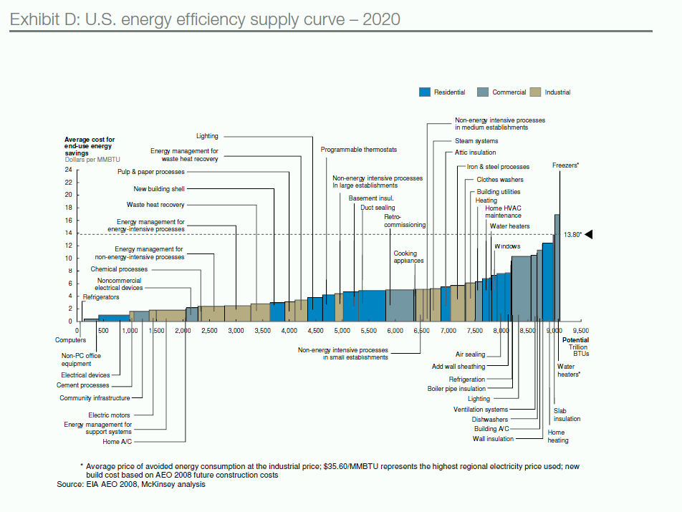

Value represented above includes benefits to Avista's customers, not Avista.

