191 Accounts
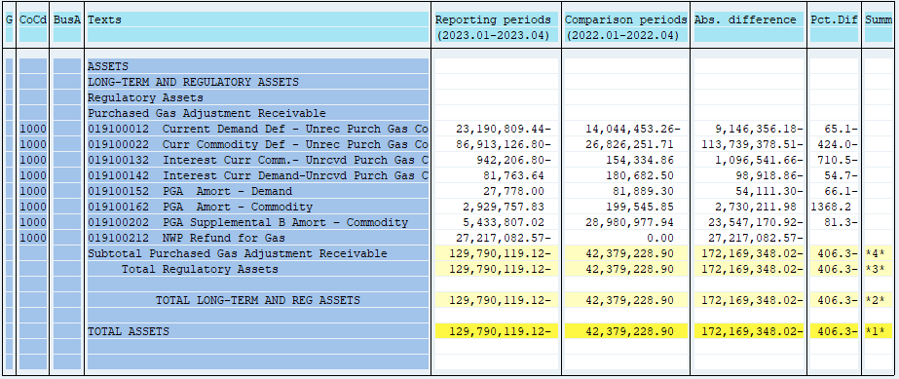
PUGET SOUND ENERGY
PGA 191 Account Balances
April
2023

 |  | Acct No. | Apr-23

Surcharge/Refund Amortization Accounts:
PGA Refund/Surcharge Amortization (Demand) |  | 19100152
 | Beginning |  | $58,500.98
 | Transfer Deferral Amounts to Surcharge/Refund Account
 | Surcharge/Refund Amortization |  | (26,316.00)
 | Migration Credit |  | 3,240.30
 | Interest |  | (7,647.28)
 | Total Month |  | (30,722.98)
 | Ending |  | $27,778.00

PGA Refund/Surcharge Amortization (Commodity) - 106 |  | 19100162
 | Beginning |  | $4,253,402.00
 | Transfer Deferral Amounts to Surcharge/Refund Account
 | Surcharge/Refund Amortization |  | (1,395,009.00)
 | Migration Credit |  | 26,363.66
 | Interest |  | 45,001.17
 | Total Month |  | (1,323,644.17)
 | Ending |  | $2,929,757.83

PGA Supplemental Amortization (Commodity) - 106B |  | 19100202
 | Beginning |  | $7,742,084.50
 | Transfer Deferral Amounts to Surcharge/Refund Account
 | Surcharge/Refund Amortization |  | (2,309,183.00)
 | Migration Credit
 | Interest |  | 905.52
 | Total Month |  | (2,308,277.48)
 | Ending |  | $5,433,807.02

NWP Refund for Gas (Demand) |  | 19100212
 | Beginning |  | $(27,052,035.42)
 | Rcrd Northwest Pipeline Refund Alloc to Gas Book
 | Transfer Deferral Amounts to Surcharge/Refund Account
 | Surcharge/Refund Amortization
 | Interest |  | (165,047.15)
 | Total Month |  | (165,047.15)
 | Ending |  | $(27,217,082.57)

Current Demand Deferral |  | 19100012
 | Beginning |  | $(20,096,821.87)
 | Transfer Deferral Amounts to Surcharge/Refund Account
 | Deferral |  | (3,093,987.57)
 | Total Month |  | (3,093,987.57)
 | Ending |  | $(23,190,809.44)

Current Commodity Deferral |  | 19100022
 | Beginning |  | $(67,503,002.19)
 | Transfer Deferral Amounts to Surcharge/Refund Account
 | PGA Deferral Commd Vlntr RNG CR Tru-up 12/21-05/22
 | Deferral |  | (19,410,124.61)
 | Total Month |  | (19,410,124.61)
 | Ending |  | $(86,913,126.80)

Interest on Demand Deferral |  | 19100142
 | Beginning |  | $206,283.91
 | Transfer Interest Amounts to Surcharge/Refund Account
 | Interest |  | (124,520.27)
 | Total Month |  | (124,520.27)
 | Ending |  | $81,763.64

Interest on Commodity Deferral |  | 19100132
 | Beginning |  | $(522,104.02)
 | Transfer Interest Amounts to Surcharge/Refund Account
 | Interest |  | (420,102.78)
 | Total Month |  | (420,102.78)
 | Ending |  | $(942,206.80)

Total 191
 | Beginning |  | $(102,913,692.11)
 | Total Month |  | (26,876,427.01)
 | Ending |  | $(129,790,119.12)
Less: Acct. being Amortized |  |  | 8,391,342.85
Current Period Under/(Over) Recovered |  |  | $(138,181,461.97)

