Benefits Summary
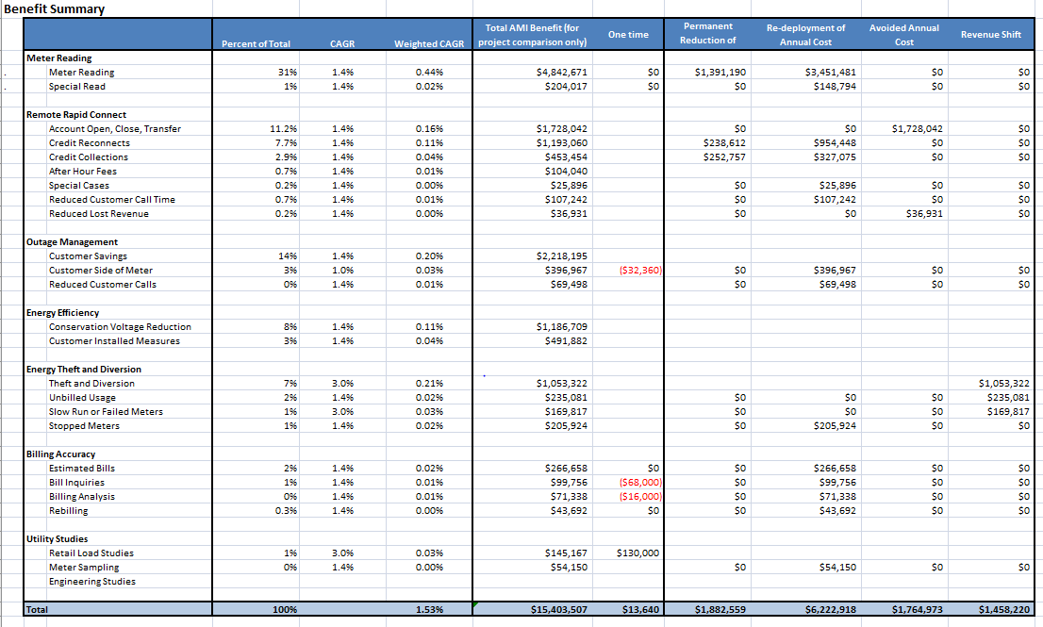
Benefit Summary
 |  |  | 1st year % | Percent of Total | CAGR | Weighted CAGR | Total AMI Benefit (for project comparison only) | One time | Permanent Reduction of Annual Cost | Re-deployment of Annual Cost | Avoided Annual Cost | Revenue Shift
 | Meters
. |  | Meter Reading | 0.5 | 43% | 1.4% | 0.60% | $4,842,671 | $0 | $1,391,190 | $3,451,481 | $0 | $0
. |  | Obtain Special Read |  | 1% | 1.4% | 0.02% | $204,017 | $0 | $0 | $148,794 | $0 | $0
 |  | Replace Interval Meters |  | 1% | 1.4% | 0.02% | $128,500 | $130,000 | $0 | $0 | $128,500 | $0

 | Contact Center
 |  | Bill Inquiry |  | 1% | 1.4% | 0.01% | $99,756 | ($68,000) | $0 | $99,756 | $0 | $0
 |  | Estimated Bills |  | 2% | 1.4% | 0.03% | $266,658 | $0 | $0 | $266,658 | $0 | $0
 |  | Outage Calls |  | 1% | 1.4% | 0.01% | $69,498 |  | $0 | $69,498 | $0 | $0

 | Billing
 |  | Bill Analysis |  | 1% | 1.4% | 0.01% | $71,338 | ($16,000) | $0 | $71,338 | $0 | $0
 |  | Rebills |  | 0.4% | 1.4% | 0.01% | $43,692 | $0 | $0 | $43,692 | $0 | $0

 | Collections
 |  | Write-Off Reductions |  |  |  |  | 0
 |  | OSM | 1 |  |  |  | $453,454 |  | $252,757 | $327,075
 |  | Back-Off Expenses |  |  |  |  | 0

 | Outage Management
 |  | False Positives (NOP) |  | 3% | 1.0% | 0.03% | $396,967 | ($32,360) | $0 | $396,967 | $0 | $0
 |  | Restoration |  | 0% |  | 0.00%

 | Meter Shop
 |  | Meter Testing |  | 0% | 1.4% | 0.01% | $54,150 |  | $0 | $54,150 | $0 | $0
 |  | Meter Repair |  | 0% | 1.4% | 0.00% |  | $0

 | Field Services
 |  | Service Remote Switching | 0.5 | 27% | 5.0% | 1.35% | $3,065,274 |  | $238,612 | $1,061,689 | $1,764,973 | $0
 |  | Problem Customers |  | 0.2% | 0.0% | 0.00% | $25,896 |  | $0 | $25,896 | $0 | $0

 | Revenue Protection
 |  | Theft and Diversion |  | 9% | 3.0% | 0.28% | $1,053,322 |  |  |  |  | $1,053,322
 |  | Slow Run or Failed Meters |  | 1% | 3.0% | 0.04% | $169,817 |  | $0 | $0 | $0 | $169,817
 |  | Unbilled Usage |  | 2% | 1.4% | 0.03% | $235,081 |  | $0 | $0 | $0 | $235,081
 |  | Stopped Meters |  | 2% | 1.4% | 0.03% | $205,924 |  | $0 | $205,924 | $0 | $0

 | Engineering
 |  | Distribution Optimization |  | 0% | 3.0% | 0.00% | $0 | $0
 |  | CVR |  | 0% | 3.0% | 0.00% | $0 |  | $0 | $0 | $994,627 | $0
 | Customer

 | Rates Department
 |  | Modeling Rates |  | 0% | 3.0% | 0.00% | $16,667 |  | $0 | $0 | $16,667 | $0
 | Total |  |  | 100% |  | 2.37% | $11,402,681 | $13,640 | $1,882,559 | $6,222,918 | $2,904,767 | $1,458,220

Preliminary Estimate of Lifetime Net Benefits of Washington AMI
 | Gap Plus | Gap | Operating Expense | Capital Investment | Meter Reading | Remote Rapid Connect | Outage Management | Energy Theft and Diversion | Billing Accuracy | Utility Studies | Customer Outage Management | Energy Efficiency
Costs | 0 | 0 | -77608318 | -145307245.77 | 0 | 0 | 0 | 0 | 0 | 0 | 0 | 0
Operational Savings | 0 | -52513760.385 | 0 | 0 | -74955518.425 | -53228683.549 | -7004786.9463 | -24990008.848 | -7229719.499 | -2993086.1185 | 0 | 0
Customer Direct Savings | 7565589.2302 | 0 | 0 | 0 | 0 | 0 | 0 | 0 | 0 | 0 | -25744464.333 | -25206954.653

 |  | Costs | Operational Savings | Customer Direct Savings
 | Gap Plus | 0 | 0 | $7,565,589
 | Gap | 0 | ($52,513,760) | 0
 | Operating Expense | ($77,608,318) | $0 | $0
 | Capital Investment | ($145,307,246) | $0 | $0
 | Meter Reading | 0 | ($74,955,518) | $0
 | Remote Rapid Connect | 0 | ($53,228,684) | $0
 | Outage Management | 0 | ($7,004,787) | $0
 | Energy Theft and Diversion | 0 | ($24,990,009) | $0
 | Billing Accuracy | 0 | ($7,229,719) | $0
 | Utility Studies | 0 | ($2,993,086) | $0
 | Customer Outage Management | 0 | 0 | ($25,744,464)
 | Energy Efficiency | 0 | 0 | ($25,206,955)
 | After Hours Fees | 0 | 0 | ($1,562,341)
 |  | ($222,915,564) | ($170,401,803) | ($52,513,760)
 |  |  |  | ($7,565,589)
 |  |  |  | ($60,079,350)

 | 222,915,564
 | 230,481,153

* Includes the NPV of the revenue requirement for capital costs of $145,307,246 (which includes
the cost of retirement of existing electric meters) and the NPV of the revenue requirement for
operating expenes of $77,608,318, over a 21 year project life.
** Does not include the unquantified customer experience benefits (e.g., text alerts, web portal, access to real time data, etc.)
 | Meter Reading | 32.5%
 | Remote Rapid Connect | 23.1%
 | Outage Management | 3.0%
 | Energy Theft and Diversion | 10.8%
 | Billing Accuracy | 3.1%
 | Utility Studies | 1.3%
 | Customer Outage Management | 14.5%
 | Energy Efficiency | 10.9%
 | After Hours Fees | 0.7%

