191 Accounts
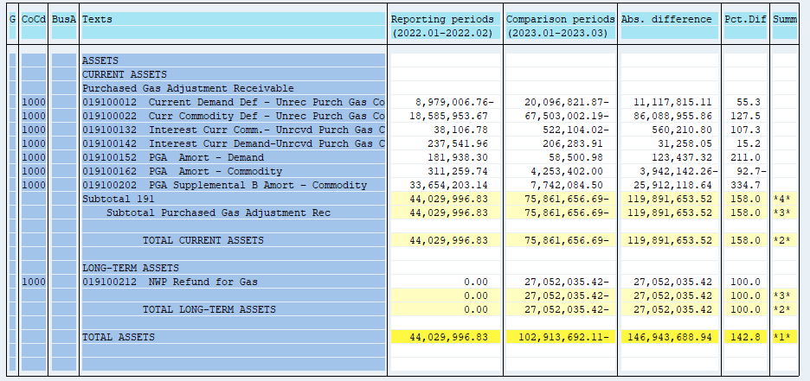
PUGET SOUND ENERGY
PGA 191 Account Balances
March
2023

 |  | Acct No. | Mar-23

Surcharge/Refund Amortization Accounts:
PGA Refund/Surcharge Amortization (Demand) |  | 19100152
 | Beginning |  | $96,286.32
 | Transfer Deferral Amounts to Surcharge/Refund Account
 | Surcharge/Refund Amortization |  | (34,313.00)
 | Migration Credit |  | 3,034.38
 | Interest |  | (6,506.72)
 | Total Month |  | (37,785.34)
 | Ending |  | $58,500.98

PGA Refund/Surcharge Amortization (Commodity) - 106 |  | 19100162
 | Beginning |  | $5,945,987.80
 | Transfer Deferral Amounts to Surcharge/Refund Account
 | Surcharge/Refund Amortization |  | (1,767,985.00)
 | Migration Credit |  | 28,153.41
 | Interest |  | 47,245.79
 | Total Month |  | (1,692,585.80)
 | Ending |  | $4,253,402.00

PGA Supplemental Amortization (Commodity) - 106B |  | 19100202
 | Beginning |  | $10,654,182.99
 | Transfer Deferral Amounts to Surcharge/Refund Account
 | Surcharge/Refund Amortization |  | (2,926,569.00)
 | Migration Credit
 | Interest |  | 14,470.51
 | Total Month |  | (2,912,098.49)
 | Ending |  | $7,742,084.50

NWP Refund for Gas (Demand) |  | 19100212
 | Beginning |  | $(26,774,316.07)
 | Rcrd Northwest Pipeline Refund Alloc to Gas Book
 | Transfer Deferral Amounts to Surcharge/Refund Account
 | Surcharge/Refund Amortization
 | Interest |  | (277,719.35)
 | Total Month |  | (277,719.35)
 | Ending |  | $(27,052,035.42)

Current Demand Deferral |  | 19100012
 | Beginning |  | $(13,804,526.90)
 | Transfer Deferral Amounts to Surcharge/Refund Account
 | Deferral |  | (6,292,294.97)
 | Total Month |  | (6,292,294.97)
 | Ending |  | $(20,096,821.87)

Current Commodity Deferral |  | 19100022
 | Beginning |  | $(49,463,488.17)
 | Transfer Deferral Amounts to Surcharge/Refund Account
 | PGA Deferral Commd Vlntr RNG CR Tru-up 12/21-05/22
 | Deferral |  | (18,039,514.02)
 | Total Month |  | (18,039,514.02)
 | Ending |  | $(67,503,002.19)

Interest on Demand Deferral |  | 19100142
 | Beginning |  | $281,352.62
 | Transfer Interest Amounts to Surcharge/Refund Account
 | Interest |  | (75,068.71)
 | Total Month |  | (75,068.71)
 | Ending |  | $206,283.91

Interest on Commodity Deferral |  | 19100132
 | Beginning |  | $(253,901.77)
 | Transfer Interest Amounts to Surcharge/Refund Account
 | Interest |  | (268,202.25)
 | Total Month |  | (268,202.25)
 | Ending |  | $(522,104.02)

Total 191
 | Beginning |  | $(73,318,423.18)
 | Total Month |  | (29,595,268.93)
 | Ending |  | $(102,913,692.11)
Less: Acct. being Amortized |  |  | 12,053,987.48
Current Period Under/(Over) Recovered |  |  | $(114,967,679.59)

