Detail Calculation
Puget Sound Energy
Colstrip 1 and 2 Rate Base
Plant Balances @ December 31, 2019 less Depreciation through August 31, 2020

 |  | Gross Plant EOP | Accum Depr EOP | EOP Net Plant | Monthly Depreciation per 2017 GRC Settlement |  |  |  |  |  |  |  | EOP Net Plant
Plant | FERC Account | Dec-19 | Dec-19 | Dec-19 | Jan-20 | Feb-20 | Mar-20 | Apr-20 | May-20 | Jun-20 | Jul-20 | Aug-20 | Aug-20

Colstrip 1 | E311 STM Str/Impv | 9,557,581.96 | (6,287,354.11) | 3,270,227.85 | (49,141.09) | (49,141.09) | (49,141.09) | (49,141.09) | (49,141.09) | (49,141.09) | (49,141.09) | (49,141.09) | 2,877,099.10
Colstrip 1 | E312 STM Boiler | 90,533,832.04 | (53,854,036.21) | 36,679,795.83 | (420,915.73) | (420,915.73) | (420,915.73) | (420,915.73) | (420,915.73) | (420,915.73) | (420,915.73) | (420,915.73) | 33,312,469.95
Colstrip 1 | E314 STM Turbogen | 28,793,522.69 | (13,694,963.32) | 15,098,559.37 | (107,037.95) | (107,037.95) | (107,037.95) | (107,037.95) | (107,037.95) | (107,037.95) | (107,037.95) | (107,037.95) | 14,242,255.78
Colstrip 1 | E315 STM Accessory | 7,365,786.18 | (5,272,024.70) | 2,093,761.48 | (41,205.42) | (41,205.42) | (41,205.42) | (41,205.42) | (41,205.42) | (41,205.42) | (41,205.42) | (41,205.42) | 1,764,118.12
Colstrip 1 | E316 STM Misc | 986,710.17 | (512,841.03) | 473,869.14 | (4,008.29) | (4,008.29) | (4,008.29) | (4,008.29) | (4,008.29) | (4,008.29) | (4,008.29) | (4,008.29) | 441,802.78
Colstrip 1 | E392 GEN Trans Equip | 167,599.81 | (69,526.18) | 98,073.63 | (543.41) | (543.41) | (543.41) | (543.41) | (543.41) | (543.41) | (543.41) | (543.41) | 93,726.37
Colstrip 1 | E3940 GEN Tools | 218,077.46 | (65,865.07) | 152,212.39 | (514.79) | (514.79) | (514.79) | (514.79) | (514.79) | (514.79) | (514.79) | (514.79) | 148,094.05
Colstrip 1 | E396 GEN Power-Op Equip | 164,464.67 | (43,744.06) | 120,720.61 | (341.90) | (341.90) | (341.90) | (341.90) | (341.90) | (341.90) | (341.90) | (341.90) | 117,985.43
 | Subtotal Colstrip 1 | 137,787,574.98 | (79,800,354.68) | 57,987,220.30 | (623,708.59) | (623,708.59) | (623,708.59) | (623,708.59) | (623,708.59) | (623,708.59) | (623,708.59) | (623,708.59) | 52,997,551.59

Colstrip 2 | E311 STM Str/Impv | 4,724,139.93 | (1,658,937.69) | 3,065,202.24 | (12,966.03) | (12,966.03) | (12,966.03) | (12,966.03) | (12,966.03) | (12,966.03) | (12,966.03) | (12,966.03) | 2,961,474.01
Colstrip 2 | E312 STM Boiler | 89,743,027.90 | (48,658,396.00) | 41,084,631.90 | (380,307.33) | (380,307.33) | (380,307.33) | (380,307.33) | (380,307.33) | (380,307.33) | (380,307.33) | (380,307.33) | 38,042,173.29
Colstrip 2 | E314 STM Turbogen | 33,894,225.08 | (16,666,622.24) | 17,227,602.84 | (130,264.03) | (130,264.03) | (130,264.03) | (130,264.03) | (130,264.03) | (130,264.03) | (130,264.03) | (130,264.03) | 16,185,490.64
Colstrip 2 | E315 STM Accessory | 4,110,594.03 | (1,823,738.91) | 2,286,855.12 | (14,254.09) | (14,254.09) | (14,254.09) | (14,254.09) | (14,254.09) | (14,254.09) | (14,254.09) | (14,254.09) | 2,172,822.38
Colstrip 2 | E316 STM Misc | 1,117,146.62 | (637,172.29) | 479,974.33 | (4,980.05) | (4,980.05) | (4,980.05) | (4,980.05) | (4,980.05) | (4,980.05) | (4,980.05) | (4,980.05) | 440,133.92
Colstrip 2 | E392 GEN Trans Equip | 167,599.76 | (66,276.89) | 101,322.87 | (518.01) | (518.01) | (518.01) | (518.01) | (518.01) | (518.01) | (518.01) | (518.01) | 97,178.78
Colstrip 2 | E3940 GEN Tools | 204,460.58 | (59,199.14) | 145,261.44 | (462.69) | (462.69) | (462.69) | (462.69) | (462.69) | (462.69) | (462.69) | (462.69) | 141,559.90
Colstrip 2 | E396 GEN Power-Op Equip | 164,463.86 | (39,926.73) | 124,537.13 | (312.06) | (312.06) | (312.06) | (312.06) | (312.06) | (312.06) | (312.06) | (312.06) | 122,040.64
 | Subtotal Colstrip 2 | 134,125,657.76 | (69,610,269.89) | 64,515,387.87 | (544,064.29) | (544,064.29) | (544,064.29) | (544,064.29) | (544,064.29) | (544,064.29) | (544,064.29) | (544,064.29) | 60,162,873.56

Colstrip 1-2 Com | E311 STM Str/Impv | 30,924,398.90 | (28,903,970.04) | 2,020,428.86 | (225,909.45) | (225,909.45) | (225,909.45) | (225,909.45) | (225,909.45) | (225,909.45) | (225,909.45) | (225,909.45) | 213,153.25
Colstrip 1-2 Com | E312 STM Boiler | 6,036,236.27 | (5,552,390.18) | 483,846.09 | (43,396.72) | (43,396.72) | (43,396.72) | (43,396.72) | (43,396.72) | (43,396.72) | (43,396.72) | (43,396.72) | 136,672.35
Colstrip 1-2 Com | E314 STM Turbogen | 3,813,725.50 | (3,843,128.76) | (29,403.26) | (30,037.37) | (30,037.37) | (30,037.37) | (30,037.37) | (30,037.37) | (30,037.37) | (30,037.37) | (30,037.37) | (269,702.18)
Colstrip 1-2 Com | E315 STM Accessory | 2,272,860.64 | (2,141,852.87) | 131,007.77 | (16,740.43) | (16,740.43) | (16,740.43) | (16,740.43) | (16,740.43) | (16,740.43) | (16,740.43) | (16,740.43) | (2,915.65)
Colstrip 1-2 Com | E316 STM Misc | 6,204,689.75 | (5,840,239.03) | 364,450.72 | (45,646.50) | (45,646.50) | (45,646.50) | (45,646.50) | (45,646.50) | (45,646.50) | (45,646.50) | (45,646.50) | (721.32)
Colstrip 1-2 Com | E35099 (GIF) Easement | 3,623.76 | (3,203.66) | 420.10 | (25.04) | (25.04) | (25.04) | (25.04) | (25.04) | (25.04) | (25.04) | (25.04) | 219.79
Colstrip 1-2 Com | E3539 (GIF) Sta Eq | 1,231,130.94 | (1,222,349.30) | 8,781.64 | (9,553.71) | (9,553.71) | (9,553.71) | (9,553.71) | (9,553.71) | (9,553.71) | (9,553.71) | (9,553.71) | (67,648.07)
Colstrip 1-2 Com | E3549 (GIF) Twr/Fixt | 88,576.95 | (82,270.31) | 6,306.64 | (643.01) | (643.01) | (643.01) | (643.01) | (643.01) | (643.01) | (643.01) | (643.01) | 1,162.53
Colstrip 1-2 Com | E3559 (GIF) Poles | 49,006.68 | (63,053.02) | (14,046.34) | (492.81) | (492.81) | (492.81) | (492.81) | (492.81) | (492.81) | (492.81) | (492.81) | (17,988.85)
Colstrip 1-2 Com | E3569 (GIF) O/H Cond | 254,414.09 | (185,359.30) | 69,054.79 | (1,448.74) | (1,448.74) | (1,448.74) | (1,448.74) | (1,448.74) | (1,448.74) | (1,448.74) | (1,448.74) | 57,464.85
 | Subtotal Colstrip 1-2 Com | 50,878,663.48 | (47,837,816.47) | 3,040,847.01 | (373,893.79) | (373,893.79) | (373,893.79) | (373,893.79) | (373,893.79) | (373,893.79) | (373,893.79) | (373,893.79) | 49,696.70
Total Colstrip 1,2, 1-2 Com |  | 322,791,896.22 | (197,248,441.04) | 125,543,455.18 | (1,541,666.67) | (1,541,666.67) | (1,541,666.67) | (1,541,666.67) | (1,541,666.67) | (1,541,666.67) | (1,541,666.67) | (1,541,666.67) | 113,210,121.85

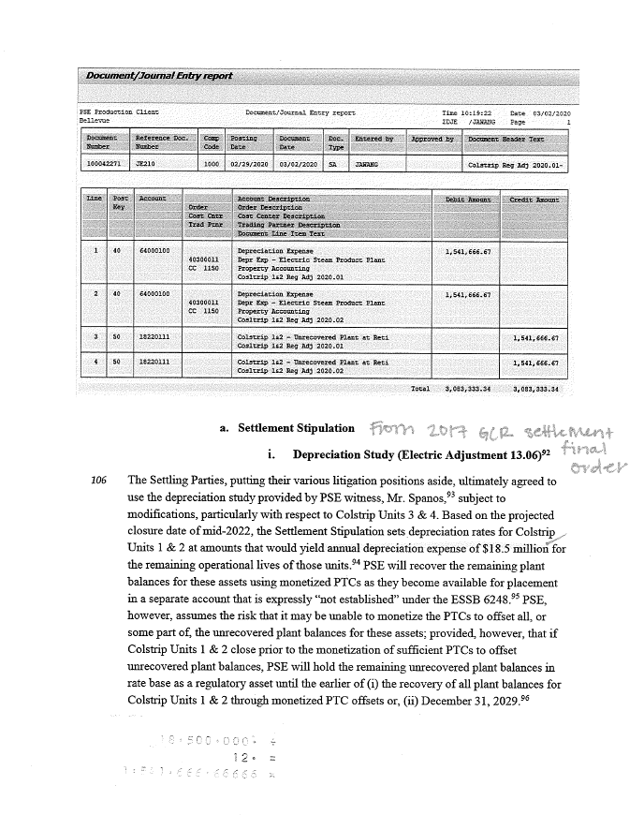

 |  |  |  |  |  |  |  |  |  |  | (18,500,000.00) | 2017 GRC Stipulated Annual Depreciation
 |  |  |  |  |  |  |  |  |  |  | 12 | Divided by 12 Months
 |  |  |  |  |  |  |  |  |  |  | (1,541,666.67) | Depreciation per Month

 |  |  |  |  | (18,500,000.00) | 2017 GRC Stipulated Annual Depreciation
 |  |  |  |  | 12 | Divided by 12 Months
 |  |  |  |  | (1,541,666.67) | Depreciation per Month

