191 Accounts
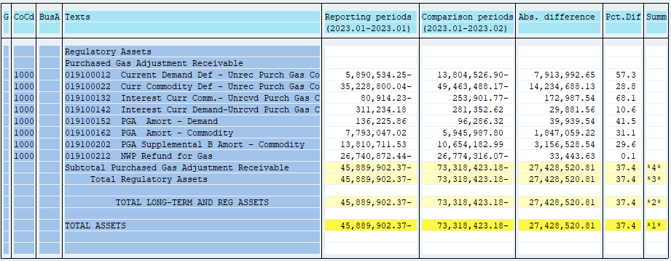
PUGET SOUND ENERGY
PGA 191 Account Balances
February
2023

 |  | Acct No. | Feb-23

Surcharge/Refund Amortization Accounts:
PGA Refund/Surcharge Amortization (Demand) |  | 19100152
 | Beginning |  | $136,225.86
 | Transfer Deferral Amounts to Surcharge/Refund Account
 | Surcharge/Refund Amortization |  | (36,836.00)
 | Migration Credit |  | 2,607.63
 | Interest |  | (5,711.17)
 | Total Month |  | (39,939.54)
 | Ending |  | $96,286.32

PGA Refund/Surcharge Amortization (Commodity) - 106 |  | 19100162
 | Beginning |  | $7,793,047.02
 | Transfer Deferral Amounts to Surcharge/Refund Account
 | Surcharge/Refund Amortization |  | (1,924,148.00)
 | Migration Credit |  | 25,200.82
 | Interest |  | 51,887.96
 | Total Month |  | (1,847,059.22)
 | Ending |  | $5,945,987.80

PGA Supplemental Amortization (Commodity) - 106B |  | 19100202
 | Beginning |  | $13,810,711.53
 | Transfer Deferral Amounts to Surcharge/Refund Account
 | Surcharge/Refund Amortization |  | (3,185,076.00)
 | Migration Credit
 | Interest |  | 28,547.46
 | Total Month |  | (3,156,528.54)
 | Ending |  | $10,654,182.99

NWP Refund for Gas (Demand) |  | 19100212
 | Beginning |  | $(26,740,872.44)
 | Rcrd Northwest Pipeline Refund Alloc to Gas Book |  | (33,443.63)
 | Transfer Deferral Amounts to Surcharge/Refund Account
 | Surcharge/Refund Amortization
 | Interest
 | Total Month |  | (33,443.63)
 | Ending |  | $(26,774,316.07)

Current Demand Deferral |  | 19100012
 | Beginning |  | $(5,890,534.25)
 | Transfer Deferral Amounts to Surcharge/Refund Account
 | Deferral |  | (7,913,992.65)
 | Total Month |  | (7,913,992.65)
 | Ending |  | $(13,804,526.90)

Current Commodity Deferral |  | 19100022
 | Beginning |  | $(35,228,800.04)
 | Transfer Deferral Amounts to Surcharge/Refund Account
 | PGA Deferral Commd Vlntr RNG CR Tru-up 12/21-05/22
 | Deferral |  | (14,234,688.13)
 | Total Month |  | (14,234,688.13)
 | Ending |  | $(49,463,488.17)

Interest on Demand Deferral |  | 19100142
 | Beginning |  | $311,234.18
 | Transfer Interest Amounts to Surcharge/Refund Account
 | Interest |  | (29,881.56)
 | Total Month |  | (29,881.56)
 | Ending |  | $281,352.62

Interest on Commodity Deferral |  | 19100132
 | Beginning |  | $(80,914.23)
 | Transfer Interest Amounts to Surcharge/Refund Account
 | Interest |  | (172,987.54)
 | Total Month |  | (172,987.54)
 | Ending |  | $(253,901.77)

Total 191
 | Beginning |  | $(45,889,902.37)
 | Total Month |  | (27,428,520.81)
 | Ending |  | $(73,318,423.18)
Less: Acct. being Amortized |  |  | 16,696,457.11
Current Period Under/(Over) Recovered |  |  | $(90,014,880.29)

