2016IntRates
19-Jan-16
H.15 Selected Interest Rates |  |  |  |  |  |  |  |  |  | https://fred.stlouisfed.org/series/DGS1#0

Yields in percent per annum |  |  |  |  |  |  |  |  |  | 2017-01-17 | 0.80
Instruments | 2016 | 2016 | 2016 | 2016 | 2016 | Week Ending |  | 2015
 | Jan | Jan | Jan | Jan | Jan |  |  | Dec
 | 11 | 12 | 13 | 14 | 15 | Jan | Jan
 |  |  |  |  |  | 15 | 8
Federal funds (effective) 1 2 3 | 0.36 | 0.36 | 0.36 | 0.36 | 0.36 | 0.36 | 0.27 | 0.24
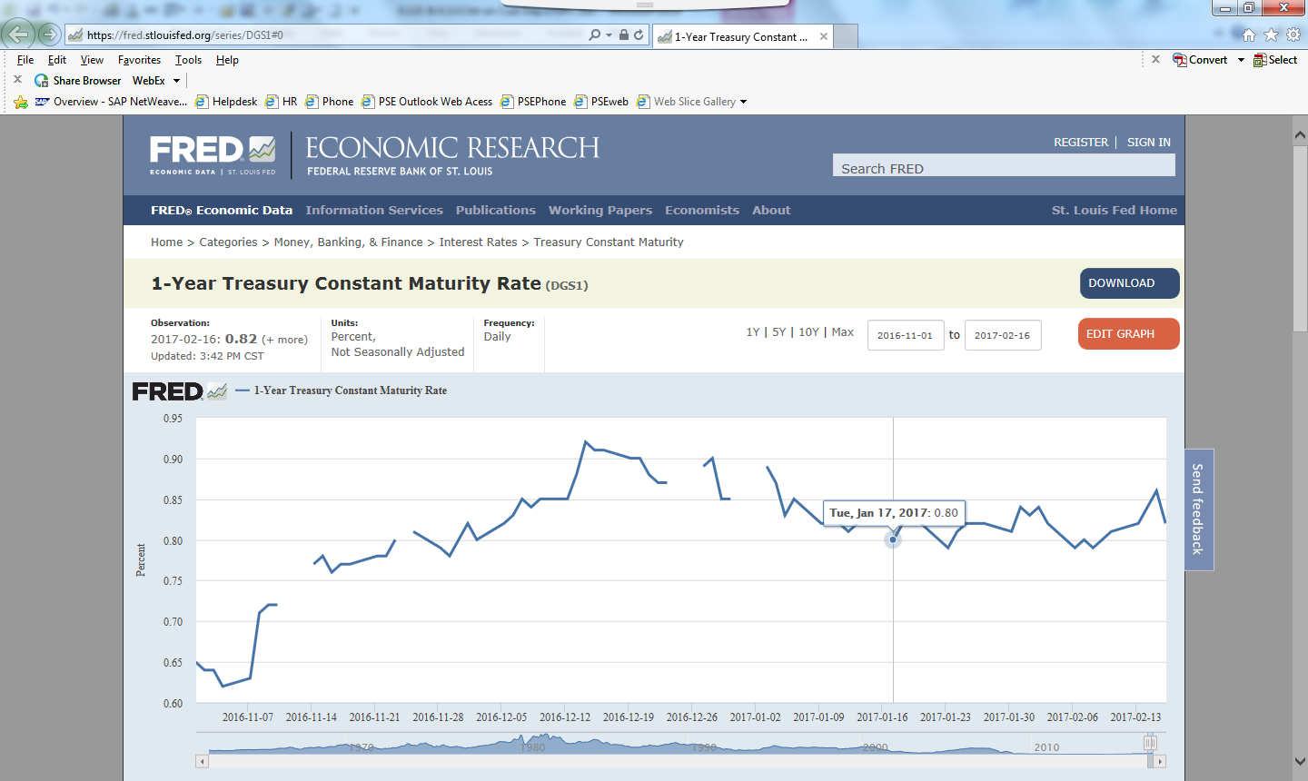
Commercial Paper 3 4 5 6
Nonfinancial
1-month | 0.32 | 0.36 | 0.35 | 0.34 | 0.36 | 0.35 | 0.33 | 0.28
2-month | 0.38 | 0.40 | 0.40 | 0.41 | 0.41 | 0.40 | 0.38 | 0.33
3-month | 0.43 | 0.45 | 0.47 | 0.48 | 0.49 | 0.46 | 0.46 | 0.36
Financial
1-month | n.a. | 0.33 | 0.34 | 0.36 | n.a. | 0.34 | 0.39 | 0.30
2-month | 0.52 | 0.45 | 0.44 | 0.47 | 0.48 | 0.47 | 0.48 | 0.40
3-month | 0.62 | 0.56 | 0.58 | 0.57 | 0.56 | 0.58 | 0.59 | 0.54
Eurodollar deposits (London) 3 7
1-month | 0.48 | 0.48 | 0.48 | 0.48 | 0.48 | 0.48 | 0.49 | 0.38
3-month | 0.70 | 0.70 | 0.70 | 0.70 | 0.70 | 0.70 | 0.70 | 0.62
6-month | 0.90 | 0.90 | 0.90 | 0.90 | 0.90 | 0.90 | 0.90 | 0.82
Bank prime loan 2 3 8 | 3.50 | 3.50 | 3.50 | 3.50 | 3.50 | 3.50 | 3.50 | 3.37
Discount window primary credit 2 9 | 1.00 | 1.00 | 1.00 | 1.00 | 1.00 | 1.00 | 1.00 | 0.87
U.S. government securities
Treasury bills (secondary market) 3 4
4-week | 0.19 | 0.22 | 0.22 | 0.22 | 0.19 | 0.21 | 0.20 | 0.17
3-month | 0.21 | 0.21 | 0.22 | 0.25 | 0.23 | 0.22 | 0.21 | 0.23
6-month | 0.47 | 0.46 | 0.45 | 0.42 | 0.36 | 0.43 | 0.46 | 0.49
1-year | 0.61 | 0.60 | 0.58 | 0.53 | 0.47 | 0.56 | 0.63 | 0.63
Treasury constant maturities
Nominal 10
1-month | 0.19 | 0.22 | 0.22 | 0.22 | 0.19 | 0.21 | 0.20 | 0.17
3-month | 0.21 | 0.21 | 0.22 | 0.25 | 0.24 | 0.23 | 0.21 | 0.23
6-month | 0.48 | 0.47 | 0.46 | 0.43 | 0.37 | 0.44 | 0.47 | 0.50
1-year | 0.63 | 0.62 | 0.60 | 0.55 | 0.49 | 0.58 | 0.65 | 0.65
2-year | 0.94 | 0.93 | 0.91 | 0.90 | 0.85 | 0.91 | 0.99 | 0.98
3-year | 1.20 | 1.18 | 1.15 | 1.14 | 1.08 | 1.15 | 1.26 | 1.28 | https://www.federalreserve.gov/feeds/h15.html
5-year | 1.58 | 1.55 | 1.51 | 1.52 | 1.46 | 1.52 | 1.66 | 1.70
7-year | 1.94 | 1.88 | 1.85 | 1.87 | 1.79 | 1.87 | 1.99 | 2.04
10-year | 2.17 | 2.12 | 2.08 | 2.10 | 2.03 | 2.10 | 2.19 | 2.24
20-year | 2.59 | 2.51 | 2.47 | 2.51 | 2.44 | 2.50 | 2.60 | 2.61
30-year | 2.96 | 2.89 | 2.85 | 2.90 | 2.81 | 2.88 | 2.95 | 2.97

https://www.federalreserve.gov/releases/h15/20160119/

