Typical Residential Notice
Puget Sound Energy
Residential Customer Impacts
Twelve Months Ended February 28, 2025

 |  | Current Customer Bill in Notice |  |  |  |  | Proposed Customer Bill in Notice
Month | kWh | Basic Charge | First 600 kWh | Over 600 kWh | Bill |  | Basic Charge | First 600 kWh | Over 600 kWh | Bill | $ Difference | % Difference
January | 959 | $7.49 | $73.28 | $50.82 | $131.59 |  | $7.49 | $73.32 | $50.84 | $131.65 | $0.06 | 0.05%
February | 803 | $7.49 | $73.28 | $28.74 | $109.51 |  | $7.49 | $73.32 | $28.75 | $109.56 | $0.05 | 0.05%
March | 700 | $7.49 | $73.28 | $14.16 | $94.93 |  | $7.49 | $73.32 | $14.16 | $94.97 | $0.04 | 0.04%
April | 669 | $7.49 | $73.28 | $9.77 | $90.54 |  | $7.49 | $73.32 | $9.77 | $90.58 | $0.04 | 0.04%
May | 745 | $7.49 | $73.28 | $20.53 | $101.30 |  | $7.49 | $73.32 | $20.53 | $101.34 | $0.04 | 0.04%
June | 750 | $7.49 | $73.28 | $21.23 | $102.00 |  | $7.49 | $73.32 | $21.24 | $102.05 | $0.05 | 0.05%
July | 685 | $7.49 | $73.28 | $12.03 | $92.80 |  | $7.49 | $73.32 | $12.04 | $92.85 | $0.05 | 0.05%
August | 800 | $7.49 | $73.28 | $28.31 | $109.08 |  | $7.49 | $73.32 | $28.32 | $109.13 | $0.05 | 0.05%
September | 964 | $7.49 | $73.28 | $51.53 | $132.30 |  | $7.49 | $73.32 | $51.55 | $132.36 | $0.06 | 0.05%
October | 1,157 | $7.49 | $73.28 | $78.85 | $159.62 |  | $7.49 | $73.32 | $78.88 | $159.69 | $0.07 | 0.04%
November | 1,090 | $7.49 | $73.28 | $69.36 | $150.13 |  | $7.49 | $73.32 | $69.39 | $150.20 | $0.07 | 0.05%
December | 949 | $7.49 | $73.28 | $49.40 | $130.17 |  | $7.49 | $73.32 | $49.42 | $130.23 | $0.06 | 0.05%

Annual Total | 10,271 | $89.88 | $879.36 | $434.73 | $1,403.97 |  | $89.88 | $879.84 | $434.89 | $1,404.61 | $0.64 | 0.05%

Typical Residential | 900 | $7.49 | $73.28 | $42.47 | $123.24 |  | $7.49 | $73.32 | $42.48 | $123.29 | $0.05 | 0.04%
Typical Residential | 800 | $7.49 | $73.28 | $28.31 | $109.08 |  | $7.49 | $73.32 | $28.32 | $109.13 | $0.05 | 0.05%

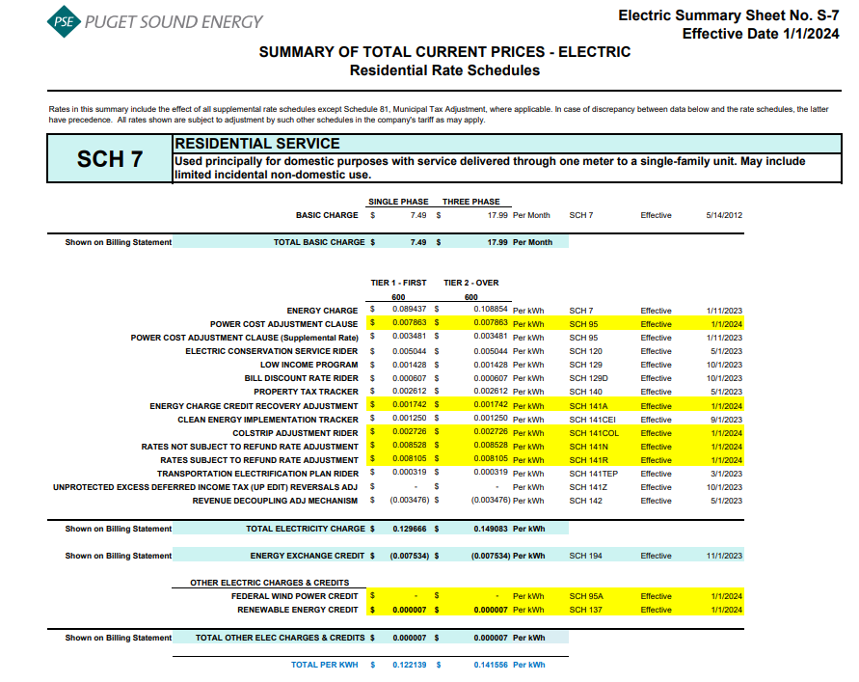
Residential Schedule 7 Rates |  |  |  | Present Rates Effective 01/01/2024 | Proposed Rates Effective 03/01/2024
Customer Monthly Charge:
One Phase Basic Charge |  |  |  | $7.490000 | $7.490000 | per Month
Subtotal Base Monthly Charge |  |  |  | $7.490000 | $7.490000
Energy Charge:
Schedule 7 first 600 kWh |  |  |  | $0.089437 | $0.089437 | $ / kWh
Schedule 95 - Power Cost Adjustment Clause |  |  |  | $0.007863 | $0.007863 | $ / kWh
Schedule 95 - Power Cost Adjustment Clause-Supplemental |  |  |  | $0.003481 | $0.003481 | $ / kWh
Schedule 120 - Conservation Rider |  |  |  | $0.005044 | $0.005044 | $ / kWh
Schedule 129 - Low Income |  |  |  | $0.001428 | $0.001428 | $ / kWh
Schedule 129D - Bill Discount Rate Rider |  |  |  | $0.000607 | $0.000607 | $ / kWh
Schedule 140 - Property Tax Rider |  |  |  | $0.002612 | $0.002612 | $ / kWh
Schedule 141A - Energy Charge Credit Recovery Adjustment |  |  |  | $0.001742 | $0.001742 | $ / kWh
Schedule 141CEI Clean Energy Implementation Plan |  |  |  | $0.001250 | $0.001250 | $ / kWh
Schedule 141COL - Colstrip Adjustment Rider |  |  |  | $0.002726 | $0.002726 | $ / kWh
Schedule 141N - Rates Not Subject to Refund Rate Adjustment |  |  |  | $0.008528 | $0.008528 | $ / kWh
Schedule 141R - Rates Subject to Refund Rate Adjustment |  |  |  | $0.008105 | $0.008105 | $ / kWh
Schedule 141TEP - TEP Rider |  |  |  | $0.000319 | $0.000378 | $ / kWh
Schedule 141Z - EDIT Rider |  |  |  | $- | $- | $ / kWh
Schedule 142 - Decoupling Rider |  |  |  | $(0.003476) | $(0.003476) | $ / kWh
Schedule 142 - Decoupling Rider - Supplemental |  |  |  | $- | $- | $ / kWh
Subtotal Base First 600 kWh Charge |  |  |  | $0.129666 | $0.129725 | $ / kWh

Schedule 7 over 600 kWh |  |  |  | $0.108854 | $0.108854 | $ / kWh
Schedule 95 - Power Cost Adjustment Clause |  |  |  | $0.007863 | $0.007863 | $ / kWh
Schedule 95 - Power Cost Adjustment Clause-Supplemental |  |  |  | $0.003481 | $0.003481 | $ / kWh
Schedule 120 - Conservation Rider |  |  |  | $0.005044 | $0.005044 | $ / kWh
Schedule 129 - Low Income |  |  |  | $0.001428 | $0.001428 | $ / kWh
Schedule 129D - Bill Discount Rate Rider |  |  |  | $0.000607 | $0.000607 | $ / kWh
Schedule 140 - Property Tax Rider |  |  |  | $0.002612 | $0.002612 | $ / kWh
Schedule 141A - Energy Charge Credit Recovery Adjustment |  |  |  | $0.001742 | $0.001742 | $ / kWh
Schedule 141CEI Clean Energy Implementation Plan |  |  |  | $0.001250 | $0.001250 | $ / kWh
Schedule 141COL - Colstrip Adjustment Rider |  |  |  | $0.002726 | $0.002726 | $ / kWh
Schedule 141N - Rates Not Subject to Refund Rate Adjustment |  |  |  | $0.008528 | $0.008528 | $ / kWh
Schedule 141R - Rates Subject to Refund Rate Adjustment |  |  |  | $0.008105 | $0.008105 | $ / kWh
Schedule 141TEP - TEP Rider |  |  |  | $0.000319 | $0.000378 | $ / kWh
Schedule 141Z - EDIT Rider |  |  |  | $- | $- | $ / kWh
Schedule 142 - Decoupling Rider |  |  |  | $(0.003476) | $(0.003476) | $ / kWh
Schedule 142 - Decoupling Rider - Supplemental |  |  |  | $- | $- | $ / kWh
Subtotal Base Over 600 kWh Charge |  |  |  | $0.149083 | $0.149142 | $ / kWh

Schedule 194 - BPA Exchange Credit |  |  |  | $(0.007534) | $(0.007534) | $ / kWh

Other Electric Charges and Credits |  |  |  |  |  | $ / kWh
Schedule 95A - Wind Power Production Credit |  |  |  | $- | $- | $ / kWh
Schedule 137 Renewable Energy Credit (REC) |  |  |  | $0.000007 | $0.000007 | $ / kWh
Subtotal Other Charges |  |  |  | $0.000007 | $0.000007 | $ / kWh

Total Block 1 Energy Charge |  |  |  | $0.122139 | $0.122198 | $ / kWh
Total Block 2 Energy Charge |  |  |  | $0.141556 | $0.141615 | $ / kWh

Average Residential Usage Test Year Ended February 28, 2025
Year | Month No. | Forecast kWh | Forecast Customer Count | Average Use per Customer
2024 | 3 | 1,040,534,574 | 1,085,188 | 959
2024 | 4 | 871,564,901 | 1,085,582 | 803
2024 | 5 | 760,468,028 | 1,086,150 | 700
2024 | 6 | 726,612,131 | 1,086,798 | 669
2024 | 7 | 810,211,529 | 1,087,219 | 745
2024 | 8 | 816,258,861 | 1,088,254 | 750
2024 | 9 | 745,804,122 | 1,089,539 | 685
2024 | 10 | 873,182,304 | 1,090,984 | 800
2024 | 11 | 1,052,963,380 | 1,092,516 | 964
2024 | 12 | 1,265,288,172 | 1,093,821 | 1,157
2025 | 1 | 1,193,134,477 | 1,094,795 | 1,090
2025 | 2 | 1,039,625,337 | 1,095,575 | 949
 | Total | 11,195,647,814 | 13,076,421 | 10,271

 | Average |  |  | 856

