Example Item 240 p.34
Tariff No. | 8 |  |  |  | Example tariff page for purposes of demonstrating calculations

Company Name/Permit Number: |  | Rabanco LTD
Registered Trade Name(s) |  | Tri-County Disposal. Rabanco Recycling, Republic Services

Item 240 -- Container Service -- Dumped in Company's Vehicle |  |  |  |  |  |  |  |  | Container pricing for the new steel bear containers has been developed following the same
Non-compacted Material (Company-owned container) |  |  |  |  |  |  |  |  | approach as the existing containers using a cost/price ratio.
Rates stated per container, per pickup

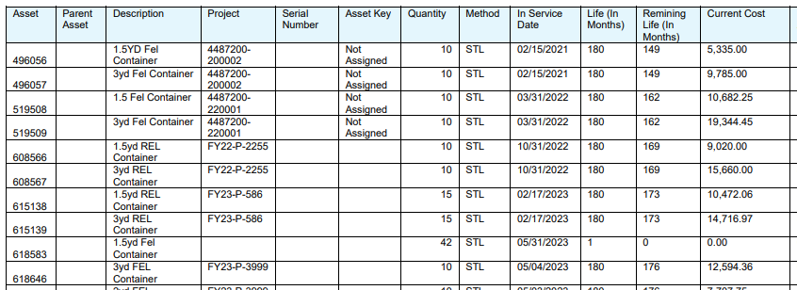
Service Area: CITY OF GOLDENDALE
 |  |  |  |  |  |  |  |  |  |  |  |  |  |  |  | Asset Register - prior purchases of standard containers
 |  | Size or Type of Container |  |  |  |  |  |  | Current Pricing |  | Depr period (months) | 180 | Prior Purchases (see snapshot to the right)
Permanent Service |  |  |  | 1.5 Yard | 1.5 Yard Bear |  | 3 Yard | 3 Yard Bear | 1.5 yd, plastic lid, no lock |  |  |  | 1.5 Yard
Monthly Rent (if applicable) |  |  |  | $14.13 | $28.31 |  | $21.20 | $43.21 |  | Cost per unit | $789.10 |  | 10 | $5,335 | Feb-21
First Pickup |  |  |  | $26.26 | $27.68 |  | $44.40 | $47.24 |  | Monthly depr | $4.38 |  | 10 | $10,682 | Mar-22
Each Additional Pickup |  |  |  | $26.26 | $27.68 |  | $44.40 | $47.24 |  | Rental rate | $14.13 |  | 10 | $9,020 | Oct-22
Special Pickups |  |  |  | $33.41 | $34.83 |  | $51.12 | $53.96 |  | Pricing ratio | 3.22 |  | 15 | $10,472 | Feb-23
Temporary Service |  |  |  |  |  |  |  |  |  |  |  |  | 45 | $35,509 | Total
Initial Delivery |  |  |  | $39.59 |  |  | $39.59 |  |  |  |  |  |  | $789.10 | Avg/container
Pickup Rate |  |  |  | $26.26 |  |  | $44.40
Rent Per Calendar Day |  |  |  | $1.55 |  |  | $2.11 |  | 3 yd, plastic lid, no lock |  |  |  | 3 Yard
Rent Per Month |  |  |  | $46.64 |  |  | $62.19 |  |  | Cost per unit | $1,310.92 |  | 10 | $9,785 | Feb-21
 |  |  |  |  |  |  |  |  |  | Monthly depr | $7.28 |  | 10 | $19,344 | Mar-22
 |  |  |  |  |  |  |  |  |  | Rental rate | $21.20 |  | 10 | $15,660 | Oct-22
Note1: | Permanent Service: Service is defined as no less than scheduled, every other week pickup, |  |  |  |  |  |  |  |  | Pricing ratio | 2.91 |  | 15 | $14,717 | Feb-23
 | unless local government requires more frequent service or unless putrescibles are involved. |  |  |  |  |  |  |  |  |  |  |  | 10 | $12,594 | May-23
 | Customer will be charged for service requested, even if fewer containers are serviced on a |  |  |  |  |  |  |  |  |  |  |  | 55 | $72,101 | Total
 | particular trip. No credit will be given for partially-filled containers. |  |  |  |  |  |  |  |  |  |  |  |  | $1,310.92 | Avg/container

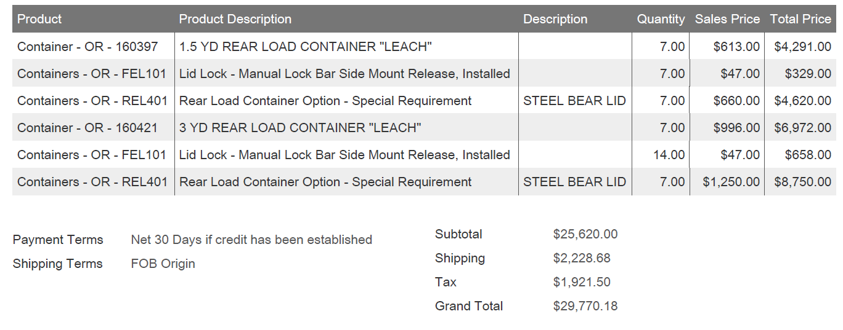
Note 2: | Permanent Service: If rent is shown, the rate for the first pickup and each additional pickup must |  |  |  |  |  |  |  | New units (see invoice detail snapshot to the right) |  |  |  |  |  |  | Invoice - steel bear containers
 | be the same. If rent is not shown, it is to be included in the rate for the first pickup. |  |  |  |  |  |  |  | 1.5 yd bear, steel lid, 1 lock
 |  |  |  |  |  |  |  |  |  | Body | $613
Note 3: | The charge for an occasional extra can, unit, bag, toter, mini-can, or micro-mini-can on a |  |  |  |  |  |  |  |  | Lid (2 access doors) | $660
 | regular pickup is: |  |  |  |  |  |  |  |  | 1 lock | $47
 |  | Rate per receptacle |  |  |  | Rate per receptacle |  |  |  | Subtotal | $1,320
 | Type of receptacle | Per pickup | Type of receptacle |  |  | Per pickup |  |  |  | Shipping | $159
 | 32-gal can, bag or unit | $4.27 | 90-gallon toter |  |  | n/a |  |  |  | Tax | $102.06
 | Mini-can | n/a |  |  |  |  |  |  |  | Total cost per unit | $1,581
 | Micro-mini-can | n/a |  |  |  |  |  |  |  | Monthly depr | $8.78
 | 60-gallon toter | n/a |  |  |  |  |  |  |  | Rental rate | $28.31

 |  |  |  |  |  |  |  |  | 3 yd bear, steel lid, 2 locks
 |  |  |  |  |  |  |  |  |  | Body | $996
 |  |  |  |  |  |  |  |  |  | Lid (4 access doors) | $1,250
 |  |  |  |  |  |  |  |  |  | 2 locks | $94
 |  |  |  |  |  |  |  |  |  | Subtotal | $2,340
Accessorial charges assessed (lids, unlocking, unlatching, etc.) |  |  |  |  |  |  |  |  |  | Shipping | $159
 | Unlocking and Relocking Fee $1.42 |  |  |  |  |  |  |  |  | Tax | $172.44
 | Replace Broken Lock $2.82 |  |  |  |  |  |  |  |  | Total cost per unit | $2,672
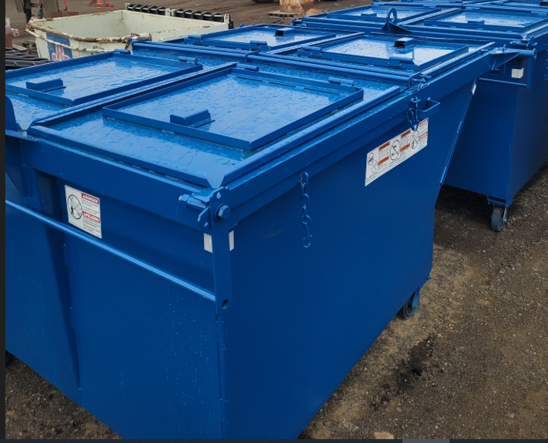
 | Gate Charge (per pick-up) $7.08 |  |  |  |  |  |  |  |  | Monthly depr | $14.84 |  |  |  |  | $2,229 | Total shipping
 |  |  |  |  |  |  |  |  |  | Billable rate | $43.21 |  |  |  |  | $159 | Shipping ea

 |  |  |  |  |  |  |  |  |  |  |  |  |  |  |  | $27,849 | Taxable total
 |  |  |  |  |  |  |  |  |  |  |  |  |  |  |  | 6.90% | Tax rate

