Typical Residential Bill
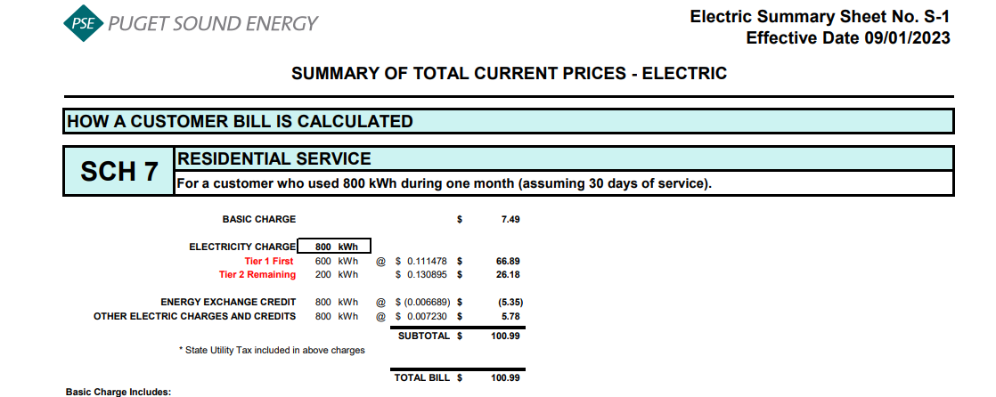
Puget Sound Energy
Residential Customer Impacts
Test Year Ended October 31, 2024

 |  | Current Customer Bill in Notice |  |  |  |  | Proposed Customer Bill in Notice
Month | kWh | Basic Charge | First 600 kWh | Over 600 kWh | Bill |  | Basic Charge | First 600 kWh | Over 600 kWh | Bill | $ Difference | % Difference
January | 963 | $7.49 | $67.21 | $47.71 | $122.41 |  | $7.49 | $66.70 | $47.40 | $121.59 | $(0.82) | -0.67%
February | 1,168 | $7.49 | $67.21 | $74.66 | $149.36 |  | $7.49 | $66.70 | $74.18 | $148.37 | $(0.99) | -0.66%
March | 1,100 | $7.49 | $67.21 | $65.72 | $140.42 |  | $7.49 | $66.70 | $65.30 | $139.49 | $(0.93) | -0.66%
April | 992 | $7.49 | $67.21 | $51.52 | $126.22 |  | $7.49 | $66.70 | $51.19 | $125.38 | $(0.84) | -0.67%
May | 959 | $7.49 | $67.21 | $47.19 | $121.89 |  | $7.49 | $66.70 | $46.88 | $121.07 | $(0.82) | -0.67%
June | 803 | $7.49 | $67.21 | $26.68 | $101.38 |  | $7.49 | $66.70 | $26.51 | $100.70 | $(0.68) | -0.67%
July | 700 | $7.49 | $67.21 | $13.14 | $87.84 |  | $7.49 | $66.70 | $13.06 | $87.25 | $(0.59) | -0.67%
August | 669 | $7.49 | $67.21 | $9.07 | $83.77 |  | $7.49 | $66.70 | $9.01 | $83.20 | $(0.57) | -0.68%
September | 745 | $7.49 | $67.21 | $19.06 | $93.76 |  | $7.49 | $66.70 | $18.94 | $93.13 | $(0.63) | -0.67%
October | 750 | $7.49 | $67.21 | $19.72 | $94.42 |  | $7.49 | $66.70 | $19.59 | $93.78 | $(0.64) | -0.68%
November | 685 | $7.49 | $67.21 | $11.17 | $85.87 |  | $7.49 | $66.70 | $11.10 | $85.29 | $(0.58) | -0.68%
December | 800 | $7.49 | $67.21 | $26.29 | $100.99 |  | $7.49 | $66.70 | $26.12 | $100.31 | $(0.68) | -0.67%

Annual Total | 10,334 | $89.88 | $806.52 | $411.93 | $1,308.33 |  | $89.88 | $800.40 | $409.28 | $1,299.56 | $(8.77) | -0.67%

Typical Residential | 900 | $7.49 | $67.21 | $39.43 | $114.13 |  | $7.49 | $66.70 | $39.18 | $113.37 | $(0.76) | -0.67%
Typical Residential | 800 | $7.49 | $67.21 | $26.29 | $100.99 |  | $7.49 | $66.70 | $26.12 | $100.31 | $(0.68) | -0.67%

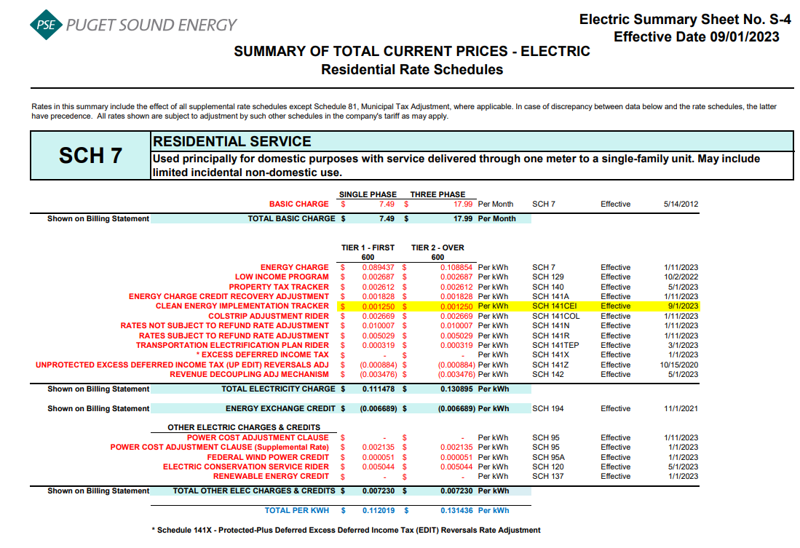
Residential Schedule 7 Rates |  |  |  | Present Rates Effective 09/01/2023 | Proposed Rates Effective 11/01/2023
Customer Monthly Charge:
One Phase Basic Charge |  |  |  | $7.490000 | $7.490000 | per Month
Subtotal Base Monthly Charge |  |  |  | $7.490000 | $7.490000
Energy Charge:
Schedule 7 first 600 kWh |  |  |  | $0.089437 | $0.089437 | $ / kWh
Schedule 129 - Low Income |  |  |  | $0.002687 | $0.002687 | $ / kWh
Schedule 129D - Bill Discount Rate Rider |  |  |  | $- |  | $ / kWh
Schedule 140 - Property Tax Rider |  |  |  | $0.002612 | $0.002612 | $ / kWh
Schedule 141A - Energy Charge Credit Recovery Adjustment |  |  |  | $0.001828 | $0.001828 | $ / kWh
Schedule 141CEI Clean Energy Implementation Plan |  |  |  | $0.001250 | $0.001250 | $ / kWh
Schedule 141COL - Colstrip Adjustment Rider |  |  |  | $0.002669 | $0.002669 | $ / kWh
Schedule 141N - Rates Not Subject to Refund Rate Adjustment |  |  |  | $0.010007 | $0.010007 | $ / kWh
Schedule 141R - Rates Subject to Refund Rate Adjustment |  |  |  | $0.005029 | $0.005029 | $ / kWh
Schedule 141TEP - TEP Rider |  |  |  | $0.000319 | $0.000319 | $ / kWh
Schedule 141Z - EDIT Rider |  |  |  | $(0.000884) | $(0.000884) | $ / kWh
Schedule 142 - Decoupling Rider |  |  |  | $(0.003476) | $(0.003476) | $ / kWh
Schedule 142 - Decoupling Rider - Supplemental |  |  |  | $- | $- | $ / kWh
Subtotal Base First 600 kWh Charge |  |  |  | $0.111478 | $0.111478 | $ / kWh

Schedule 7 over 600 kWh |  |  |  | $0.108854 | $0.108854 | $ / kWh
Schedule 129 - Low Income |  |  |  | $0.002687 | $0.002687 | $ / kWh
Schedule 129D - Bill Discount Rate Rider |  |  |  | $- | $- | $ / kWh
Schedule 140 - Property Tax Rider |  |  |  | $0.002612 | $0.002612 | $ / kWh
Schedule 141A - Energy Charge Credit Recovery Adjustment |  |  |  | $0.001828 | $0.001828 | $ / kWh
Schedule 141CEI Clean Energy Implementation Plan |  |  |  | $0.001250 | $0.001250 | $ / kWh
Schedule 141COL - Colstrip Adjustment Rider |  |  |  | $0.002669 | $0.002669 | $ / kWh
Schedule 141N - Rates Not Subject to Refund Rate Adjustment |  |  |  | $0.010007 | $0.010007 | $ / kWh
Schedule 141R - Rates Subject to Refund Rate Adjustment |  |  |  | $0.005029 | $0.005029 | $ / kWh
Schedule 141TEP - TEP Rider |  |  |  | $0.000319 | $0.000319 | $ / kWh
Schedule 141Z - EDIT Rider |  |  |  | $(0.000884) | $(0.000884) | $ / kWh
Schedule 142 - Decoupling Rider |  |  |  | $(0.003476) | $(0.003476) | $ / kWh
Schedule 142 - Decoupling Rider - Supplemental |  |  |  | $- | $- | $ / kWh
Subtotal Base Over 600 kWh Charge |  |  |  | $0.130895 | $0.130895 | $ / kWh

Schedule 194 - BPA Exchange Credit |  |  |  | $(0.006689) | $(0.007534) | $ / kWh

Other Electric Charges and Credits |  |  |  |  |  | $ / kWh
Schedule 95 - Power Cost Adjustment Clause |  |  |  | $- | $- | $ / kWh
Schedule 95 - Power Cost Adjustment Clause-Supplemental |  |  |  | $0.002135 | $0.002135 | $ / kWh
Schedule 95A - Wind Power Production Credit |  |  |  | $0.000051 | $0.000051 | $ / kWh
Schedule 120 - Conservation Rider |  |  |  | $0.005044 | $0.005044 | $ / kWh
Schedule 137 - Renewable Energy Credit |  |  |  | $- | $- | $ / kWh
Subtotal Other Charges |  |  |  | $0.007230 | $0.007230 | $ / kWh

Total Block 1 Energy Charge |  |  |  | $0.112019 | $0.111174 | $ / kWh
Total Block 2 Energy Charge |  |  |  | $0.131436 | $0.130591 | $ / kWh

Average Residential Usage Test Year Ended October 31, 2024
Year | Month No. | Forecast kWh | Forecast Customer Count | Average Use per Customer
2023 | 11 | 1,041,166,325 | 1,081,722 | 963
2023 | 12 | 1,264,875,204 | 1,082,935 | 1,168
2023 | 1 | 1,192,691,743 | 1,083,811 | 1,100
2024 | 2 | 1,075,657,421 | 1,084,492 | 992
2024 | 3 | 1,040,534,574 | 1,085,188 | 959
2024 | 4 | 871,564,901 | 1,085,582 | 803
2024 | 5 | 760,468,028 | 1,086,150 | 700
2024 | 6 | 726,612,131 | 1,086,798 | 669
2024 | 7 | 810,211,529 | 1,087,219 | 745
2024 | 8 | 816,258,861 | 1,088,254 | 750
2024 | 9 | 745,804,122 | 1,089,539 | 685
2024 | 10 | 873,182,304 | 1,090,984 | 800
 | Total | 11,219,027,143 | 13,032,674 | 10,334

 | Average |  |  | 861

186 - 253 Balance
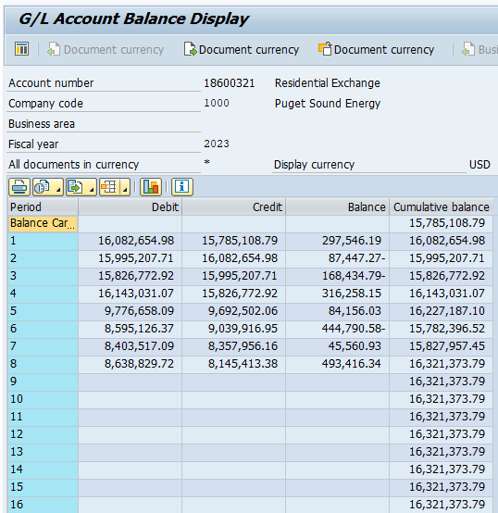
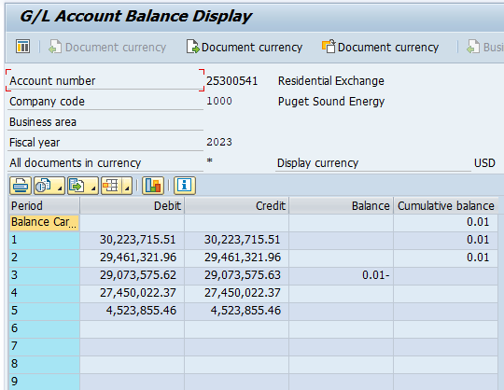
Puget Sound Energy
BPA Residential and Farm Energy Exchange Benefits
Forecast Account 18600321 (25300541) Balance
2023-08-31

 |  | Account 18600321/(25300541)
Line No. | Month | Balance
(A) | (B) | (C) = (I + N)

1 | Account 18600321 Balance | $16,321,373.79
2 | Account 25300541 Balance | $-
3 | TOTAL Balance @ 8-31-23 | $16,321,374
4
5 | Divide by 2 (number of years to recover in rates) | $8,160,687

