IRS-7YearsTaxLife
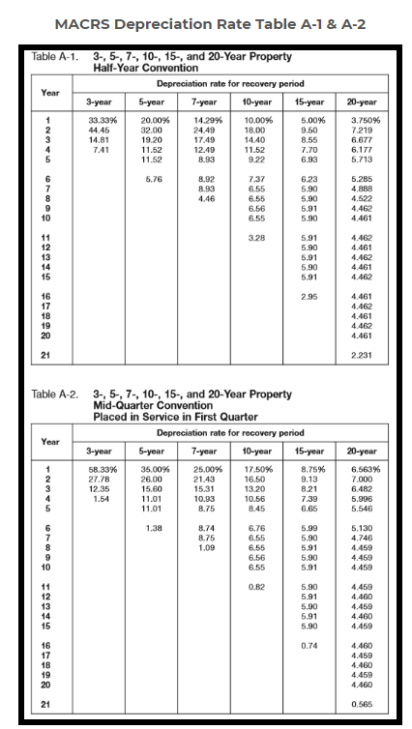
Advice No. 2020-32 UE-20XXXX WORK PAPER Page 3 of 4

