Typical Res Bill SCH 142
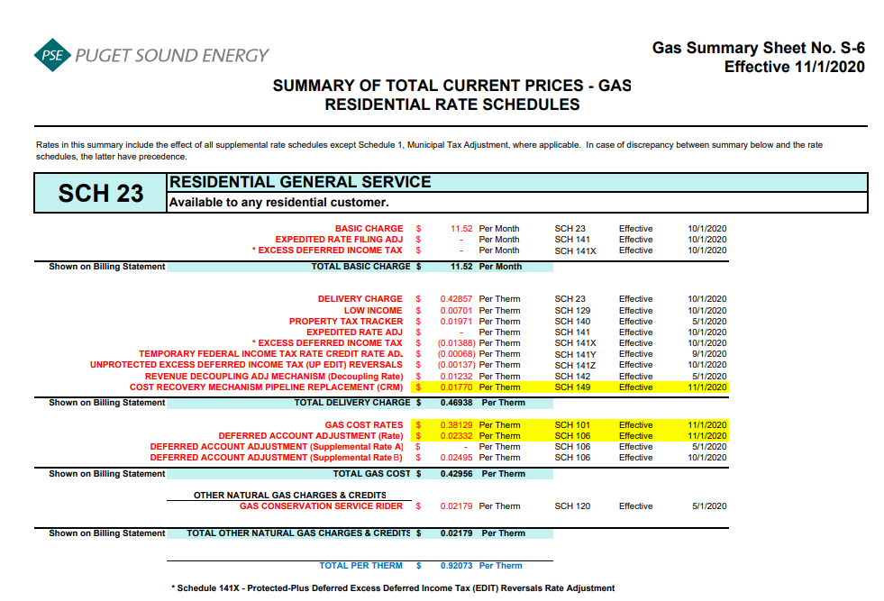
Puget Sound Energy
2021 Gas Decoupling Filing
Typical Residential Bill Impacts
Proposed Effective May 1, 2021

 |  |  | Current Rates |  | Schedule 142 Rate Change
 |  |  | Rates (1) | Charges | Rates | Charges
 | Volume (therms) |  | 64 |  | 64

 | Customer charge ($/month)
 |  | Basic charge | $11.52 | $11.52 | $11.52 | $11.52
 |  | ERF adjusting charge (Schedule 141) | $- | $- | $- | $-
 |  | EDIT adjusting charge (Schedule 141X) | $- | $- | $- | $-
 |  | Subtotal | $11.52 | $11.52 | $11.52 | $11.52

 | Volumetric charges ($/therm)
 |  | Delivery charge (Schedule 23) | $0.42857 |  | $0.42857
 |  | Low income charge (Schedule 129) | $0.00701 |  | $0.00701
 |  | Property tax charge (Schedule 140) | $0.01971 |  | $0.01971
 |  | ERF adjusting charge (Schedule 141) | $- |  | $-
 |  | EDIT adjusting charge (Schedule 141X) | $(0.01388) |  | $(0.01388)
 |  | Tax Reform Credit (Schedule 141Y) | $(0.00068) |  | $(0.00068)
 |  | Unprotected Excess Deferred Income Tax (Schedule 141Z) | $(0.00137) |  | $(0.00137)
 |  | Decoupling charge (Schedule 142) | $0.01232 |  | $0.02252
 |  | CRM Charge (Schedule 149) | $0.01770 |  | $0.01770
 |  | Subtotal | $0.46938 | $30.04 | $0.47958 | $30.69

 |  | Conservation charge (Schedule 120) | $0.02179 | $1.39 | $0.02179 | $1.39

 |  | Merger rate credit (Schedule 132) | $- | $- | $- | $-

 |  | Cost of gas (Schedule 101) | $0.38129 |  | $0.38129
 |  | Deferral amortization (Schedule 106) | $0.02332 |  | $0.02332
 |  | Deferral amortization (Schedule 106A) | $- |  | $-
 |  | Deferral amortization (Schedule 106B) | $0.02495 |  | $0.02495
 |  | Subtotal | $0.42956 | $27.49 | $0.42956 | $27.49
 |  | Total volumetric charges | $0.92073 | $58.92 | $0.93093 | $59.57

 | Total monthly bill |  |  | $70.44 |  | $71.09
 | Change from bill under current rates |  |  |  |  | $0.65
 | Percent change from bill under current rates |  |  |  |  | 0.92%

 | Total volumetric rates less gas costs |  | $0.49117 |  | $0.50137

 | (1) Rates for Schedule 23 customers in effect November 1, 2019

