Typical Res Bill SCH 142
Puget Sound Energy
2021 Electric Decoupling Filing
Schedule 142 Typical Residential Bill Impact
Proposed Effective May 1, 2021

 |  | Current Customer Bill in Notice |  |  |  | Proposed Customer Bill in Notice |  |  |  | SCH142 | SCH142
Month | kWh | Basic Charge | First 600 kWh | Over 600 kWh | Bill | Basic Charge | First 600 kWh | Over 600 kWh | Bill | $ Difference | % Difference
January | 1,166 | $7.49 | $54.97 | $63.29 | $125.75 | $7.49 | $54.72 | $63.06 | $125.27 | $(0.48) | -0.38%
February | 952 | $7.49 | $54.97 | $39.36 | $101.82 | $7.49 | $54.72 | $39.22 | $101.43 | $(0.39) | -0.38%
March | 991 | $7.49 | $54.97 | $43.72 | $106.18 | $7.49 | $54.72 | $43.56 | $105.77 | $(0.41) | -0.39%
April | 796 | $7.49 | $54.97 | $21.92 | $84.38 | $7.49 | $54.72 | $21.84 | $84.05 | $(0.33) | -0.39%
May | 740 | $7.49 | $54.97 | $15.66 | $78.12 | $7.49 | $54.72 | $15.60 | $77.81 | $(0.31) | -0.40%
June | 670 | $7.49 | $54.97 | $7.83 | $70.29 | $7.49 | $54.72 | $7.80 | $70.01 | $(0.28) | -0.40%
July | 665 | $7.49 | $54.97 | $7.27 | $69.73 | $7.49 | $54.72 | $7.24 | $69.45 | $(0.28) | -0.40%
August | 678 | $7.49 | $54.97 | $8.72 | $71.18 | $7.49 | $54.72 | $8.69 | $70.90 | $(0.28) | -0.39%
September | 623 | $7.49 | $54.97 | $2.57 | $65.03 | $7.49 | $54.72 | $2.56 | $64.77 | $(0.26) | -0.40%
October | 805 | $7.49 | $54.97 | $22.92 | $85.38 | $7.49 | $54.72 | $22.84 | $85.05 | $(0.33) | -0.39%
November | 1,022 | $7.49 | $54.97 | $47.19 | $109.65 | $7.49 | $54.72 | $47.02 | $109.23 | $(0.42) | -0.38%
December | 1,163 | $7.49 | $54.97 | $62.96 | $125.42 | $7.49 | $54.72 | $62.72 | $124.93 | $(0.49) | -0.39%

Annual Total | 10,271 | $89.88 | $659.64 | $343.41 | $1,092.93 | $89.88 | $656.64 | $342.15 | $1,088.67 | $(4.26) | -0.39%

Typical Residential | 900 | $7.49 | $54.97 | $33.55 | $96.01 | $7.49 | $54.72 | $33.42 | $95.63 | $(0.38) | -0.40%
Typical Residential | 1,000 | $7.49 | $54.97 | $44.73 | $107.19 | $7.49 | $54.72 | $44.56 | $106.77 | $(0.42) | -0.39%

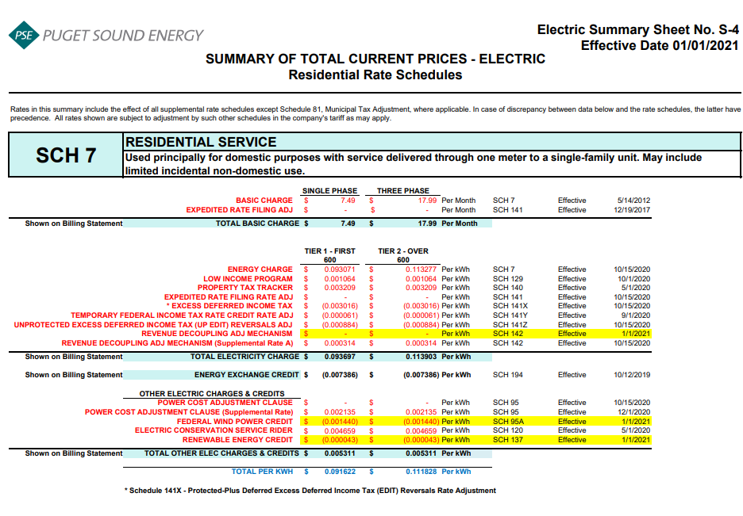
Residential Schedule 7 Rates |  |  |  | Present Rates Effective 01/01/2021 | Proposed Rates Effective 5-1-21
Customer Monthly Charge:
One Phase Basic Charge |  |  |  | $7.490000 | $7.490000 | per Month
Subtotal Base Monthly Charge |  |  |  | $7.490000 | $7.490000
Energy Charge:
Schedule 7 first 600 kWh |  |  |  | $0.093071 | $0.093071 | $ / kWh
Schedule 129 - Low Income |  |  |  | $0.001064 | $0.001064 | $ / kWh
Schedule 140 - Property Tax Rider |  |  |  | $0.003209 | $0.003209 | $ / kWh
Schedule 141x - ERF Rider - First 600 kWh |  |  |  | $(0.003016) | $(0.003016)
Schedule 141Y - Tax Over Collection Rider |  |  |  | $(0.000061) | $(0.000061)
Schedule 141Z - EDIT Rider |  |  |  | $(0.000884) | $(0.000884) | $ / kWh
Schedule 142 - Decoupling Rider |  |  |  | $- | $(0.000417) | $ / kWh
Schedule 142 - Decoupling Rider - Supplemental |  |  |  | $0.000314 | $0.000314
Subtotal Base First 600 kWh Charge |  |  |  | $0.093697 | $0.093280 | $ / kWh

Schedule 7 over 600 kWh |  |  |  | $0.113277 | $0.113277 | $ / kWh
Schedule 129 - Low Income |  |  |  | $0.001064 | $0.001064 | $ / kWh
Schedule 140 - Property Tax Rider |  |  |  | $0.003209 | $0.003209 | $ / kWh
Schedule 141X EDIT Rider - Over 600 kWh |  |  |  | $(0.003016) | $(0.003016)
Schedule 141Y - Tax Over Collection Rider |  |  |  | $(0.000061) | $(0.000061)
Schedule 141Z - EDIT Rider |  |  |  | $(0.000884) | $(0.000884)
Schedule 142 - Decoupling Rider |  |  |  | $- | $(0.000417) | $ / kWh
Schedule 142 - Decoupling Rider - Supplemental |  |  |  | $0.000314 | $0.000314 | $ / kWh
Subtotal Base Over 600 kWh Charge |  |  |  | $0.113903 | $0.113486 | $ / kWh

Schedule 194 - BPA Exchange Credit |  |  |  | $(0.007386) | $(0.007386) | $ / kWh

Other Electric Charges and Credits |  |  |  |  |  | $ / kWh
Schedule 95 - Power Cost Adjustment Clause |  |  |  | $0.002135 | $0.002135 | $ / kWh
Schedule 95A - Wind Power Production Credit |  |  |  | $(0.001440) | $(0.001440) | $ / kWh
Schedule 120 - Conservation Rider |  |  |  | $0.004659 | $0.004659 | $ / kWh
Schedule 137 - Renewable Energy Credit |  |  |  | $(0.000043) | $(0.000043) | $ / kWh
Subtotal Other Charges |  |  |  | $0.005311 | $0.005311 | $ / kWh

Total Block 1 Energy Charge |  |  |  | $0.091622 | $0.091205 | $ / kWh
Total Block 2 Energy Charge |  |  |  | $0.111828 | $0.111411 | $ / kWh

Average Residential Usage Test Year Ended April 30, 2022
Year | Month No. | Forecast kWh | Forecast Customer Count | Average Use per Customer
2022 | 1 | 1,233,208,796 | 1,057,399 | 1,166
2022 | 2 | 1,007,610,045 | 1,058,015 | 952
2022 | 3 | 1,048,700,217 | 1,058,630 | 991
2022 | 4 | 843,267,859 | 1,059,246 | 796
2021 | 5 | 777,238,186 | 1,049,677 | 740
2021 | 6 | 704,136,133 | 1,050,243 | 670
2021 | 7 | 699,175,112 | 1,050,809 | 665
2021 | 8 | 712,807,062 | 1,051,816 | 678
2021 | 9 | 655,958,094 | 1,052,823 | 623
2021 | 10 | 848,236,807 | 1,053,831 | 805
2021 | 11 | 1,078,151,323 | 1,055,020 | 1,022
2021 | 12 | 1,228,414,999 | 1,056,210 | 1,163
 | Total | 10,836,904,633 | 12,653,719 | 10,271

 | Average |  |  | 856

