186 - 253 Balance
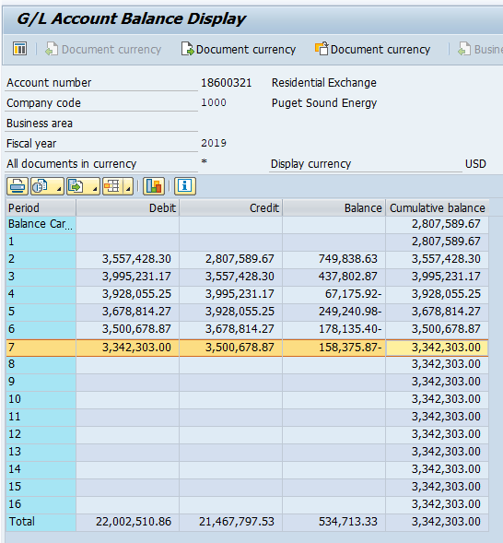
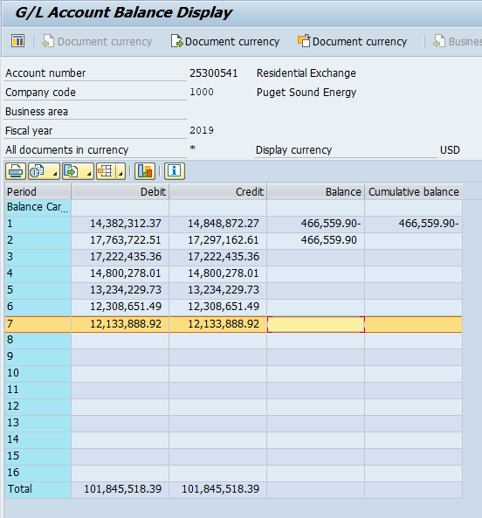
Puget Sound Energy
BPA Residential and Farm Energy Exchange Benefits
Forecast Account 18600321 (25300541) Balance
2019-07-31

 |  | Account 18600321/(25300541)
Line No. | Month | Balance
(A) | (B) | (C) = (I + N)

1 | Balance @ 7-31-19 | $3,342,303
2
3 | Divide by 2 (number of years to recover in rates) | $1,671,152

