Typ Res Tot Elec
Puget Sound Energy
Residential Customer Impacts

 |  | Customer Bill
Month | kWh | Present Base Rates | Sch 95 | Sch 95A | Sch 120 | Sch 129 | Sch 132 | Sch 137 | Sch 140 | Sch 141 | Sch 141x | Sch 141y | Sch 142 | Sch 194 | Current Residential Bill | Remove: Schedule 129 | Add: Schedule 129 | $ Difference | Proposed Residential Bill | % Difference
January | 1,214 | $125.16 | $(1.33) | $(2.32) | $4.74 | $1.09 | $- | $(0.09) | $3.92 | $1.92 | $(1.92) | $(1.54) | $0.75 | $(8.99) | $121.39 | $(1.09) | $1.30 | $0.21 | $121.60 | 0.17%
February | 1,053 | $108.04 | $(1.16) | $(2.01) | $4.11 | $0.94 | $- | $(0.08) | $3.40 | $1.64 | $(1.64) | $(1.34) | $0.65 | $(7.80) | $104.75 | $(0.94) | $1.12 | $0.18 | $104.93 | 0.17%
March | 1,014 | $103.90 | $(1.11) | $(1.94) | $3.96 | $0.91 | $- | $(0.07) | $3.27 | $1.57 | $(1.57) | $(1.29) | $0.63 | $(7.51) | $100.75 | $(0.91) | $1.08 | $0.17 | $100.92 | 0.17%
April | 835 | $84.87 | $(0.92) | $(1.60) | $3.26 | $0.75 | $- | $(0.06) | $2.70 | $1.26 | $(1.26) | $(1.06) | $0.52 | $(6.18) | $82.28 | $(0.75) | $0.89 | $0.14 | $82.42 | 0.17%
May | 712 | $71.80 | $(0.78) | $(1.36) | $2.78 | $0.64 | $- | $(0.05) | $2.30 | $1.05 | $(1.05) | $(0.90) | $0.44 | $(5.27) | $69.60 | $(0.64) | $0.76 | $0.12 | $69.72 | 0.17%
June | 656 | $65.84 | $(0.72) | $(1.25) | $2.56 | $0.59 | $- | $(0.05) | $2.12 | $0.95 | $(0.95) | $(0.83) | $0.41 | $(4.86) | $63.81 | $(0.59) | $0.70 | $0.11 | $63.92 | 0.17%
July | 672 | $67.54 | $(0.74) | $(1.29) | $2.62 | $0.60 | $- | $(0.05) | $2.17 | $0.98 | $(0.98) | $(0.85) | $0.42 | $(4.98) | $65.44 | $(0.60) | $0.72 | $0.12 | $65.56 | 0.18%
August | 658 | $66.06 | $(0.72) | $(1.26) | $2.57 | $0.59 | $- | $(0.05) | $2.12 | $0.96 | $(0.96) | $(0.84) | $0.41 | $(4.87) | $64.01 | $(0.59) | $0.70 | $0.11 | $64.12 | 0.17%
September | 647 | $64.89 | $(0.71) | $(1.24) | $2.53 | $0.58 | $- | $(0.05) | $2.09 | $0.94 | $(0.94) | $(0.82) | $0.40 | $(4.79) | $62.88 | $(0.58) | $0.69 | $0.11 | $62.99 | 0.17%
October | 818 | $83.06 | $(0.90) | $(1.56) | $3.19 | $0.73 | $- | $(0.06) | $2.64 | $1.23 | $(1.23) | $(1.04) | $0.51 | $(6.06) | $80.51 | $(0.73) | $0.87 | $0.14 | $80.65 | 0.17%
November | 1,005 | $102.94 | $(1.10) | $(1.92) | $3.92 | $0.90 | $- | $(0.07) | $3.24 | $1.56 | $(1.56) | $(1.28) | $0.62 | $(7.44) | $99.81 | $(0.90) | $1.07 | $0.17 | $99.98 | 0.17%
December | 1,265 | $130.58 | $(1.39) | $(2.42) | $4.94 | $1.13 | $- | $(0.09) | $4.08 | $2.01 | $(2.01) | $(1.61) | $0.79 | $(9.37) | $126.64 | $(1.13) | $1.35 | $0.22 | $126.86 | 0.17%

Annual Total | 10,549 | $1,074.68 | $(11.58) | $(20.17) | $41.18 | $9.45 | $- | $(0.77) | $34.05 | $16.07 | $(16.07) | $(13.40) | $6.55 | $(78.12) | $1,041.87 | $(9.45) | $11.25 | $1.80 | $1,043.67 | 0.17%

Monthly Average | 879 | $89.56 | $(0.97) | $(1.68) | $3.43 | $0.79 | $- | $(0.06) | $2.84 | $1.34 | $(1.34) | $(1.12) | $0.55 | $(6.51) | $86.82 | $(0.79) | $0.94 | $0.15 | $86.97 | 0.17%

Average Cents |  | 10.19 | (0.11) | (0.19) | 0.39 | 0.09 | - | (0.01) | 0.32 | 0.15 | (0.15) | (0.13) | 0.06 | (0.74) | 9.88 | (0.09) | 0.11 | 0.02 | 9.89

Summary Page Bill Calc | 1,000 | $102.41 | $(1.10) | $(1.91) | $3.91 | $0.90 | $- | $(0.07) | $3.23 | $1.55 | $(1.55) | $(1.27) | $0.62 | $(7.41) | $99.31 | $(0.90) | $1.07 | $0.17 | $99.48 | 0.17%

Typical Residential | 900 | $91.78 | $(0.99) | $(1.72) | $3.51 | $0.81 | $- | $(0.07) | $2.91 | $1.38 | $(1.38) | $(1.14) | $0.56 | $(6.67) | $88.98 | $(0.81) | $0.96 | $0.15 | $89.13 | 0.17%

Residential Schedule 7 Rates |  |  |  |  | Present Rates Effective 9-30-19 | Proposed Rates Effective 10-12-19
Customer Monthly Charge:
One Phase Basic Charge |  |  |  |  | $7.490000 | $7.490000 | per Month
Schedule 141 - ERF Rider - 1 Phase Basic Charge |  |  |  |  | $- | $- | per Month
Subtotal Base Monthly Charge |  |  |  |  | $7.490000 | $7.490000
Energy Charge:
Schedule 7 first 600 kWh |  |  |  |  | $0.087336 | $0.087336 | $ / kWh
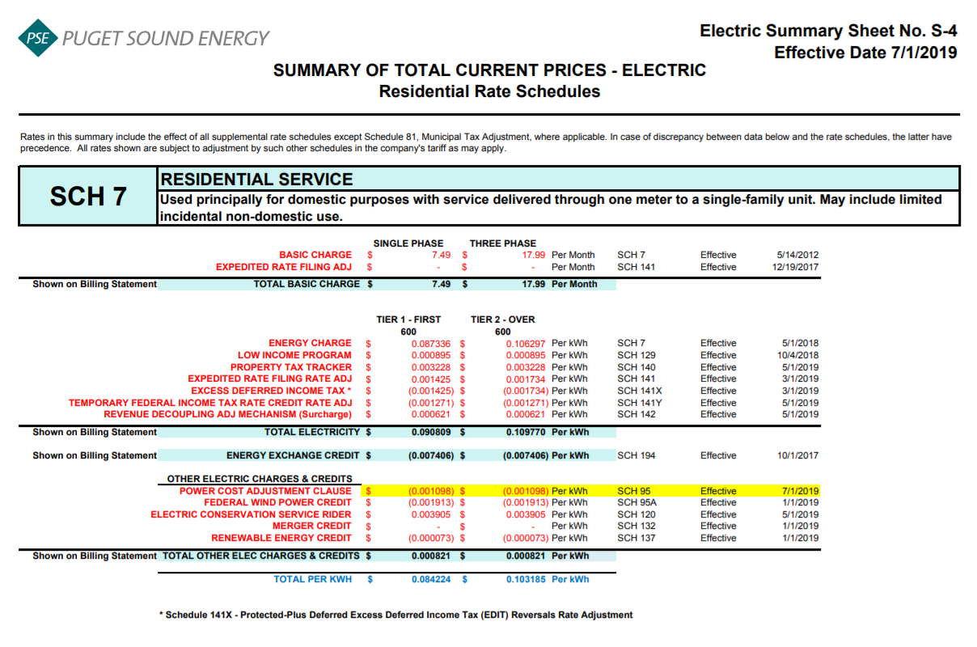
Schedule 129 - Low Income |  |  |  |  | $0.000895 | $0.001068 | $ / kWh
Schedule 140 - Property Tax Rider |  |  |  |  | $0.003228 | $0.003228 | $ / kWh
Schedule 141 - ERF Rider - First 600 kWh |  |  |  |  | $0.001425 | $0.001425 | $ / kWh
Schedule 141x - EDIT Rider - First 600 kWh |  |  |  |  | $(0.001425) | $(0.001425) | $ / kWh
Schedule 141y - Temp FIT Credit - First 600 kWh |  |  |  |  | $(0.001271) | $(0.001271) | $ / kWh
Schedule 142 - Decoupling Rider |  |  |  |  | $0.000621 | $0.000621 | $ / kWh
Subtotal Base First 600 kWh Charge |  |  |  |  | $0.090809 | $0.090982 | $ / kWh

Schedule 7 over 600 kWh |  |  |  |  | $0.106297 | $0.106297 | $ / kWh
Schedule 129 - Low Income |  |  |  |  | $0.000895 | $0.001068 | $ / kWh
Schedule 140 - Property Tax Rider |  |  |  |  | $0.003228 | $0.003228 | $ / kWh
Schedule 141 - ERF Rider - Over 600 kWh |  |  |  |  | $0.001734 | $0.001425 | $ / kWh
Schedule 141x - EDIT Rider - Over 600 kWh |  |  |  |  | $(0.001734) | $(0.001425)
Schedule 141y - Temp FIT Credit - Over 600 kWh |  |  |  |  | $(0.001271) | $(0.001271)
Schedule 142 - Decoupling Rider |  |  |  |  | $0.000621 | $0.000621 | $ / kWh
Subtotal Base Over 600 kWh Charge |  |  |  |  | $0.109770 | $0.109943 | $ / kWh

Schedule 194 - BPA Exchange Credit |  |  |  |  | $(0.007406) | $(0.007406) | $ / kWh
Schedule 133 - Regulatory Asset Tracker |  |  |  |  | $- | $- | $ / kWh

Other Electric Charges and Credits |  |  |  |  |  |  | $ / kWh
Schedule 95 - Power Cost Adjustment Clause |  |  |  |  | $(0.001098) | $(0.001098) | $ / kWh
Schedule 95A - Wind Power Production Credit |  |  |  |  | $(0.001913) | $(0.001913) | $ / kWh
Schedule 120 - Conservation Rider |  |  |  |  | $0.003905 | $0.003905 | $ / kWh
Schedule 132 - Merger Credit |  |  |  |  | $- | $- | $ / kWh
Schedule 137 - Renewable Energy Credit |  |  |  |  | $(0.000073) | $(0.000073) | $ / kWh
Subtotal Other Charges |  |  |  |  | $0.000821 | $0.000821 | $ / kWh

Total Block 1 Energy Charge |  |  |  |  | $0.084224 | $0.084397 | $ / kWh
Total Block 2 Energy Charge |  |  |  |  | $0.103185 | $0.103358 | $ / kWh

 | F2019 Average Residential Usage YE September 2020
 | Forecast kWh | Forecast Customer Count | Average Use per Customer
January | 1,252,327,000 | 1,031,989 | 1,214
February | 1,088,361,000 | 1,033,260 | 1,053
March | 1,049,153,000 | 1,034,261 | 1,014
April | 864,607,000 | 1,035,099 | 835
May | 737,952,000 | 1,035,847 | 712
June | 680,006,000 | 1,036,691 | 656
July | 696,924,000 | 1,037,136 | 672
August | 682,562,000 | 1,037,921 | 658
September | 672,654,000 | 1,039,166 | 647
October | 840,345,000 | 1,027,933 | 818
November | 1,034,560,000 | 1,029,469 | 1,005
December | 1,304,074,000 | 1,030,732 | 1,265
Total | 10,903,525,000 | 12,409,504 | 10,549

Average |  |  | 879

2018 Equal % Allocation
2018 Low Income Customer Charge
Settlement Methodology

Source:
2018 Electric Low Income Filing
Docket No. UE-18xxxx
Line No. | Customer Class | Schedule | Forecast Delivered kWh Oct 2018 Through Sept 2019 | Forecast Delivered Base Revenue Oct 2018 Through Sept 2019 (Note 1) | Proposed Equal % 2018 Low Income Rider | $ Including Proposed 2018 Low Income | Proposed 2018 Low Income $ | Proposed % to Forecast Revenue
 |  |  | A | B | C= (aa*B)/A | D= B+E | E= A*C | F= E/B

1 | Residential | 7 | 10,809,562,000 | $1,112,711,000 | $0.000895 | $1,122,390,084 | $9,679,084 | 0.870%
2
3 | Sec Gen Svc - Small | 8 / 24 | 3,049,254,000 | $300,311,000 | $0.000857 | $300,337,123 | $2,612,300 | 0.870%
4 | Sec Gen Svc - Medium | 11 / 25 / 7A | 3,208,495,000 | $293,729,000 | $0.000796 | $293,754,550 | $2,555,046 | 0.870%
5 | Sec Gen Svc - Large | 12 / 26 / 26P | 1,921,550,000 | $158,357,000 | $0.000717 | $158,370,775 | $1,377,492 | 0.870%
6 | Sec Irrigation Svc | 29 | 16,140,000 | $1,322,000 | $0.000712 | $1,322,115 | $11,500 | 0.870%
7
8 | Secondary Service Total |  | 8,195,439,000 | $753,719,000 | $0.000800 | $753,784,563 | $6,556,338 | 0.870%
9
10 | Pri Gen Svc | 10 / 31 | 1,409,546,000 | $114,140,000 | $0.000704 | $114,149,929 | $992,864 | 0.870%
11 | Pri Irrigation Svc | 35 | 5,150,000 | $303,000 | $0.000512 | $303,026 | $2,636 | 0.870%
12 | Pri Interruptible Svc | 43 | 123,766,000 | $11,083,000 | $0.000779 | $11,083,964 | $96,407 | 0.870%
13
14 | Primary Service Total |  | 1,538,462,000 | $125,526,000 | $0.000710 | $125,536,919 | $1,091,907 | 0.870%
15
16 | Campus Rate | 40 | 586,365,000 | $43,672,000 | $0.000648 | $43,675,799 | $379,887 | 0.870%
17
18 | HV Interruptible Svc | 46 | 79,268,000 | $5,361,000 | $0.000588 | $5,361,466 | $46,633 | 0.870%
19 | HV Gen Svc | 49 | 597,895,000 | $39,373,000 | $0.000573 | $39,376,425 | $342,492 | 0.870%
20
21 | High Voltage Service Total |  | 677,163,000 | $44,734,000 | $0.000575 | 44,737,891 | $389,125 | 0.870%
22
23 | Lights | 50 - 59 | 70,960,000 | $15,916,000 | $0.001951 | $15,917,384 | $138,448 | 0.870%
24
25 | Retail Wheeling | 449 / 459 | 2,030,932,000 | $7,703,000 | $0.000033 | $7,703,670 | $67,006 | 0.870%
26
27 | Total |  | 23,908,883,000 | $2,103,981,000 | $0.000765 | $2,113,746,311 | $18,301,796 | 0.870%
28
29
30 | Firm Resale |  | 7,036,000 | $616,000
31
32 | Total Sales |  | 23,915,919,000 | $2,104,597,000
33
34 | Check |  | 23,915,919,000 | $2,104,597,000
35
36 | check |  | - | $-
37
38 | Low Income Revenue Requirement |  |  | $18,301,796
39
40 | Low Income Revenue Requirement as % of Total |  |  | 0.870% | aa

Note 1 - Excludes Rider Schedules 95a, 120, 129,132, 137, 140 and 194 - Includes Rider Schedules 95, 141 and 142 Revenue

Revenue Req 2019-2020
Source:
2019 Revenue Revenue
Requirement Workpapers
PUGET SOUND ENERGY
LOW INCOME PROGRAM
REVENUE REQUIREMENTS
OCTOBER 2019 THROUGH SEPTEMBER 2020

LINE NO. |  |  | Electric | Gas | ELECTRIC | GAS | TOTAL | Notes
(a) | (b) | (c) | (d) | (e) | (f) | (g) | (h) | (i)

1 | Prior Low Income Cap |  |  |  | $18,811,370 | $4,885,309 | $23,696,678
2 | March 2019 ERF Residential bill impact UE-180899 and UG-180900 |  | 0.00% | 2.66% | - | 129,925 | 129,925
3 | Decoupling Residential Bill Impact |  | 1.81% | 0.00% | 340,451 | - | 340,451
4 | Current Year Low Income Cap |  |  |  | $19,151,821 | $5,015,234 | $24,167,055
5
6 | Under / (Over) collection through September 2019 (Excludes Revenue Sensitive Items) |  |  |  | 1,326,695 | 301,497 | 1,628,192
7 | Public Utility Tax Credits Received from Department of Revenue under RCW 82.16.0497 |  | 80% | 20% | (802,654) | (200,663) | (1,003,317)
8
9 | Amount to be recovered October 2019 through September 2020 = Line 4 + Line 6 + Line 9 |  |  |  | $19,675,862 | $5,116,067 | $24,791,929
10
11 | Revenue Sensitive Items:
12 | Bad Debts Conversion Factor used in 2017 GRC UE-170033, et al |  |  |  | 0.007157 | 0.005140
13 | Current Annual Filing Fee |  |  |  | 0.002000 | 0.002000
14 | Current State Utility Tax |  |  |  | 0.038457 | 0.038322
15
16 | Conversion Factor = 1 - Line 12 - Line 13 - Line 14 |  |  |  | 0.952386 | 0.954538
17
18 | Low income revenue requirement to be recovered in rates = Line 9 ÷ Line 16 |  |  |  | $20,659,545 | $5,359,732 | $26,019,277
19
20 | Low Income revenue requirement set in rates in October 2018 (Note 1) |  |  |  | 18,767,321 | 4,592,613 | $23,359,935
21
22 | Change in Revenue Requirement |  |  |  | $1,892,224 | $767,118 | $2,659,342

(Note 1) - The amounts on line 1 and line 20 do not agree because there was a revised filing in UG-180740 that adjusted the caps for the Decoupling residential rate increase, but the change was not incorporated in the revenue requirement with the understanding that the true-up would be taken care of in this year's filing. The true-up on line 7 includes the 2018 correction.

Components of Whole Dollar Increase/(Decrease) in Low Income Requirement |  |  |  |  | ELECTRIC | GAS | TOTAL

Effects of 2019 ERF and Decoupling for including full residential class increase and allocation change |  |  |  |  | 357,472 | 329,598 | 687,070
Increase due to moving from a combined over-collection of $0.2M in the prior rate period to a combined under-collection of $1.6M in the current rate period |  |  |  |  | 1,485,585 | 425,256 | 1,910,841
Increase due to LIHEAP Credits |  |  |  |  | 49,167 | 12,264 | 61,431

Total Whole Dollar Increase/(Decrease) |  |  |  |  | $1,892,224 | $767,118 | $2,659,342

