Cost of Capital
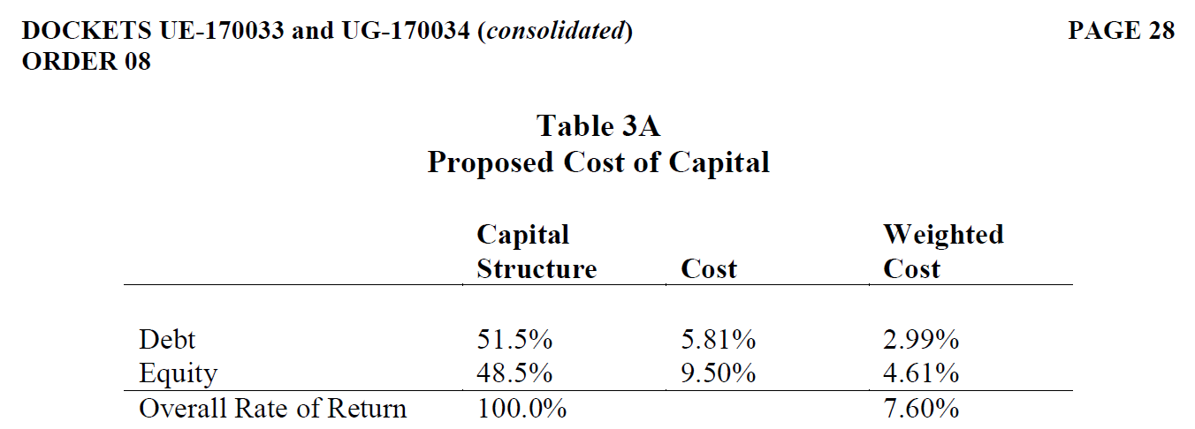
PUGET SOUND ENERGY |  |  | Advice No. 2019-24 UE-19XXXX WORK PAPERS Page 2 of 4

PUGET SOUND ENERGY
COST OF CAPITAL

LINE |  | PRO FORMA |  | COST OF
NO. | DESCRIPTION | CAPITAL % | COST % | CAPITAL

1 | DEBT | 51.50% | 5.81% | 2.99%
2 |  | 0.00% | 0.00% | 0.00%
3 | PREFERRED | 0.00% | 0.00% | 0.00%
4 | EQUITY | 48.50% | 9.50% | 4.61%
5 | TOTAL | 100.00% |  | 7.60%
6
7 | AFTER TAX DEBT ( (LINE 1)* 79%) | 51.50% | 4.59% | 2.36%
8 |  | 0.00% | 0.00% | 0.00%
9 | PREFERRED | 0.00% | 0.00% | 0.00%
10 | EQUITY | 48.50% | 9.50% | 4.61%
11 | TOTAL AFTER TAX COST OF CAPITAL | 100.00% |  | 6.97%

DOCKETS UE-170033 and UG-170034, Order 08:

IRS-7YearsTaxLife
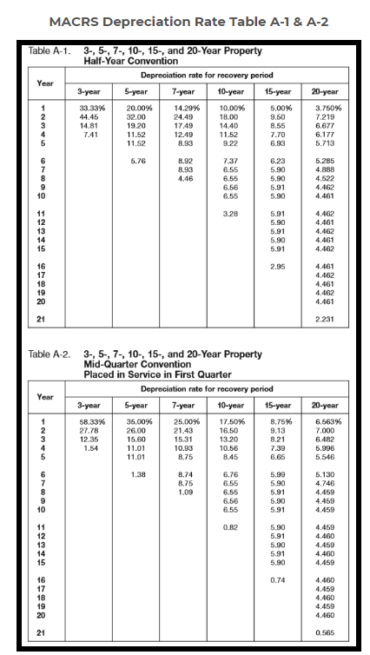
Advice No. 2019-24 UE-19XXXX WORK PAPERS Page 3 of 4

