Interest Review for Jan 2019
Interest Review for REC proceeds in and not-yet-in rates: Account # 25400221 and 25400291
 | Based on actual balance using authorized ROR and FIT rate |  |  |  |  |  |  |  |  | Based on actual balance using authorized ROR and FIT rate
Date | Balance Proceeds Not In Rates 25400221 | Accumulated DFIT | Proceeds net of DFIT | Interest % | FIT Grossup Factor | Monthly Interest on 25400221 S/B CR to 25400311 DR to 43100181 | Actually Recorded to 25400311 | Difference S/B recorded to 25400311 |  | Balance Proceeds In Rates 25400291 | Accumulated DFIT | Net Balance | Interest % | FIT Grossup Factor | Monthly Interest on 25400291 S/B CR to 25400301 DR to 43100141 | Actually Recorded to 25400301 | Difference S/B recorded to 25400301
 | (1,196,228.01) | 418,680 | (777,548.21) |  |  |  |  |  |  | 15,030.31 | (5,261) | 9,769.70
Jan-18 | (621,824.78) | 217,639 | (404,186.11) | 6.97% | 0.79 | (4,344.24) | (5,067.82) | 723.58 | Jan-18 | (500,411.62) | 175,144 | (325,267.55) | 6.97% | 0.79 | (1,159.82) | (1,064.95) | (94.87)
Feb-18 | (755,790.80) | 264,527 | (491,264.02) | 6.97% | 0.79 | (3,291.82) | (3,840.10) | 548.29 | Feb-18 | (449,510.32) | 157,329 | (292,181.71) | 6.97% | 0.79 | (2,269.84) | (2,359.86) | 90.02
Mar-18 | (826,562.75) | 289,297 | (537,265.79) | 6.97% | 0.79 | (3,781.04) | (4,410.81) | 629.77 | Mar-18 | (400,070.83) | 140,025 | (260,046.04) | 6.97% | 0.79 | (2,030.08) | (2,080.16) | 50.08
Apr-18 | (914,187.82) | 319,966 | (594,222.08) | 6.97% | 0.79 | (4,159.53) | (4,852.34) | 692.81 | Apr-18 | (356,589.69) | 124,806 | (231,783.30) | 6.97% | 0.79 | (1,808.04) | (1,821.14) | 13.10
May-18 | (912,958.23) | 319,535 | (593,422.85) | 6.97% | 0.79 | (4,365.97) | (5,093.17) | 727.20 | May-18 | (317,639.38) | 111,174 | (206,465.60) | 6.97% | 0.79 | (1,611.07) | (1,591.37) | (19.70)
Jun-18 | (899,755.14) | 314,914 | (584,840.84) | 6.97% | 0.79 | (4,331.49) | (5,093.17) | 761.68 | Jun-18 | (279,397.88) | 97,789 | (181,608.62) | 6.97% | 0.79 | (1,426.62) | (1,591.37) | 164.75
Jul-18 | (1,036,672.43) | 362,835 | (673,837.08) | 6.97% | 0.79 | (4,627.10) | (5,397.79) | 770.69 | Jul-18 | (236,929.26) | 82,925 | (154,004.02) | 6.97% | 0.79 | (1,233.77) | (1,151.21) | (82.56)
Aug-18 | (1,026,831.34) | 359,391 | (667,440.37) | 6.97% | 0.79 | (4,930.75) | (5,752.02) | 821.27 | Aug-18 | (196,427.84) | 68,750 | (127,678.10) | 6.97% | 0.79 | (1,035.51) | (919.93) | (115.58)
Sep-18 | (1,017,537.15) | 356,138 | (661,399.15) | 6.97% | 0.79 | (4,885.03) | (5,698.68) | 813.65 | Sep-18 | (159,249.65) | 55,737 | (103,512.27) | 6.97% | 0.79 | (849.89) | (703.40) | (146.49)
Oct-18 | (1,162,059.05) | 406,721 | (755,338.38) | 6.97% | 0.79 | (5,208.15) | (6,075.62) | 867.47 | Oct-18 | (115,877.17) | 40,557 | (75,320.16) | 6.97% | 0.79 | (657.42) | (478.87) | (178.55)
Nov-18 |  | - | - | 6.97% | 0.79 |  |  |  | Nov-18 |  | - | - | 6.97% | 0.79 |  |  | -
Dec-18 |  | - | - | 6.97% | 0.79 | - |  | - | Dec-18 |  | - | - | 6.97% | 0.79 | - |  | -
 |  |  |  |  |  | (43,925.13) | (51,281.53) | 7,356.40 |  |  |  |  |  |  | (14,082.06) | (13,762.26) | (319.80)
Nov-17 |  |  | (696,154.94) |  |  |  |  |  | Nov-17 |  |  | (9,768.91)
Dec-17 | (1,196,228.01) | 418,680 | (777,548.21) | 6.97% | 0.65 | (6,584.43) | (6,319.92) | (264.51) | Dec-17 | (15,030.31) | 5,261 | (9,769.70) | 6.97% | 0.65 | (87.30) | (83.79) | (3.51)
 |  |  |  |  |  |  | (a) | 7,091.89 |  |  |  |  |  |  |  | (a) | (323.31)

(a) | Interest true-up to be recorded in Jan 2019 represents the higher interest accrual owed to customers due to Cost of Capital authorized in UE-180292.

 | Proceeds Not in Rates |  |  |  |  |  |  |  |  | Proceeds in Rates
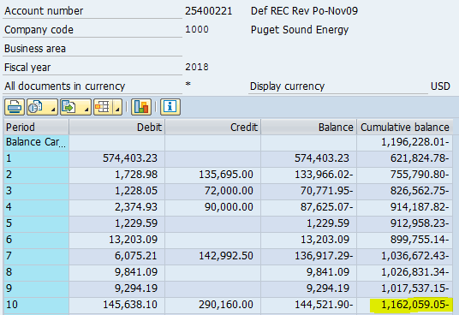
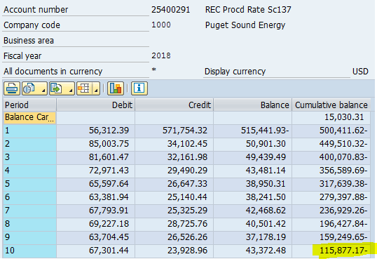

 |  |  |  |  |  |  |  | (1,162,059.05) |  |  |  |  |  |  |  |  | (115,877.17)

