Example
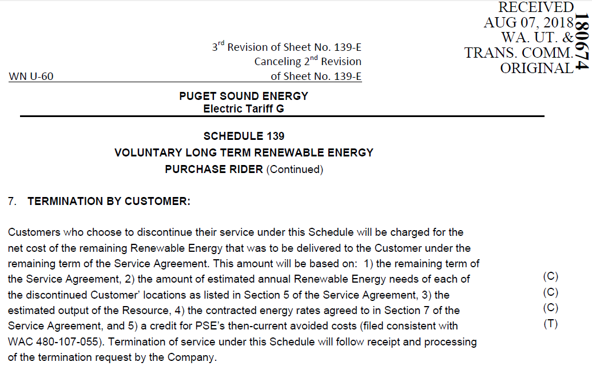
Outline of Example Calculation of Schedule 139 Termination by Customer Net Cost
10-year agreement (2019-2028)
Decide in 2025 (year 7) to terminate Schedule 139 Agreement

1) the remaining term of the Service Agreement |  |  | 3 years (2026-2028)
2) the amount of estimated annual Renewable Energy needs of each of the discontinued Customer locations as listed in Section 5 of the Service Agreement (kWh/Year) |  |  | 5,800,000
3) the estimated output of the Resource (kWh/Year) |  |  | 100,000,000
4) the contracted energy rates agreed to in Section 7 of the Service Agreement
5) a credit for PSE’s then-current avoided costs (filed consistent with WAC 480-107-055) (kWh/Year)
 |  | 2026 | $0.03000
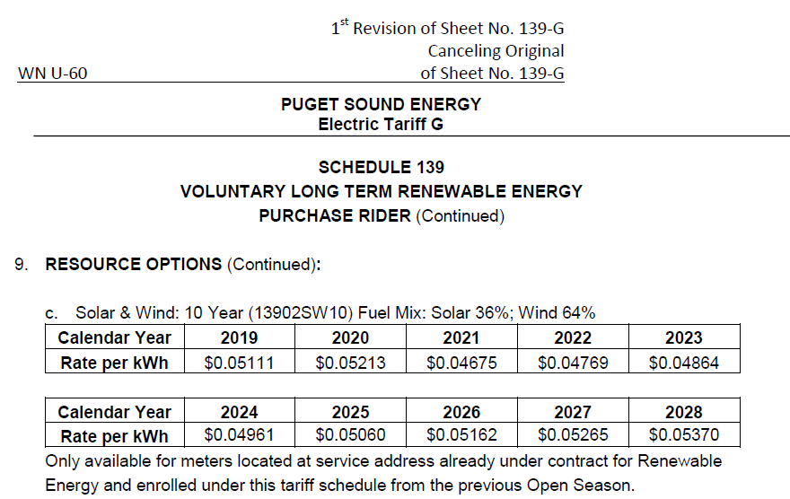
 |  | 2027 | $0.03500
 |  | 2028 | $0.04100

Charge
Year | Rate | kWh | Total
2026 | $0.05162 | 5,800,000 | $299,396
2027 | $0.05265 | 5,800,000 | $305,370
2028 | $0.05370 | 5,800,000 | $311,460
 |  | Subtotal | $916,226

Credit
Year | Avoided costs in 2025 | kWh | Total
2026 | $0.03000 | 5,800,000 | $174,000
2027 | $0.03500 | 5,800,000 | $203,000
2028 | $0.04100 | 5,800,000 | $237,800
 |  | Subtotal | $614,800

Example of Net Cost Charge of Early Termination of a Schedule 91 Service Agreement by Customer |  |  | $301,426

