References
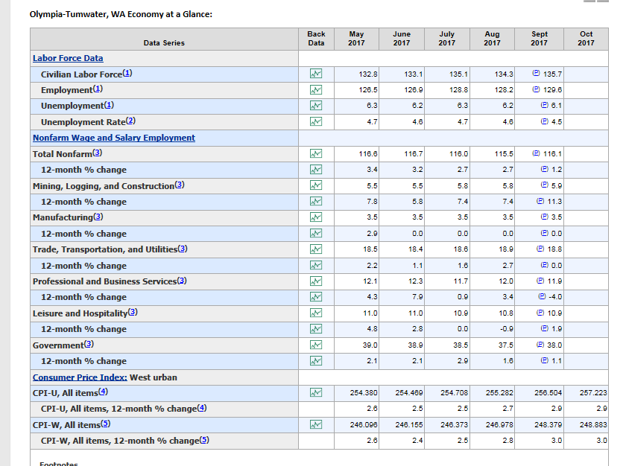
Mason County Garbage Company, Inc. G-88
Dump Fee Calc References

Monthly Factor
Pickups: | 1 unit | 2 units | 3 units | 4 units | 5 units | 6 units | 7 unit
5 Times per Week | 21.67 | 43.33 | 65.00 | 86.67 | 108.33 | 130.00 | 151.67
4 Times per Week | 17.33 | 34.67 | 52.00 | 69.33 | 86.67 | 104.00 | 121.33
3 Times per Week | 13.00 | 26.00 | 39.00 | 52.00 | 65.00 | 78.00 | 91.00
2 Times per Week | 8.67 | 17.33 | 26.00 | 34.67 | 43.33 | 52.00 | 60.67
Weekly Pickup (WG) | 4.33 | 8.67 | 13.00 | 17.33 | 21.67 | 26.00 | 30.33
Every Other Week (EOWG) | 2.17 | 4.33 | 6.50 | 8.67 | 10.83 | 13.00 | 15.17
Monthly (MG) | 1.00 | 2.00 | 3.00 | 4.00 | 5.00 | 6.00 | 7.00

Meeks Weights
Res'l | Pounds per Pickup
20 gal minican | 20
1 can | 34
2 cans | 51
3 cans | 77 |  |  |  | Lbs. per ton | 2,000
4 cans | 97 |  |  |  | Yds. Per ton | n/a
5 cans | 117
6 cans | 157 |  |  |  | Annual | 12
35 gallon cart | 37 | *
48 gallon cart | 48 | Equal to 1.5 cans
Supercan 64 | 51 | Equal to 2 cans
Supercan 94 | 77 | Equal to 3 cans
Once a month | 34
Extras | 34
Com'l
Cans | 29
1 yd container | 175
1.5 yd container | 250
2 yd container | 324
3 yd container | 473
4 yd container | 613
6 yd container | 840
8 yd container | 980
1 yd packer/compactor | 482 | *
1.5 yd packer/compactor | 689 | *
2 yd packer/compactor | 892 | *
3 yd packer/compactor | 1,301
4 yd packer/compactor | 1,686
5 yd packer/compactor | 2,046
6 yd packer/compactor | 2,310
8 yd packer/compactor | 2,800 | *
Yards | 125
 | * not on meeks - calculated by staff

Mason County | Per Ton | Per Pound |  |  | Gross Up Factors
Current Rate | $93.45 | $0.047 |  |  | B&O tax | 0.015000
New Rate per ton | $96.16 | $0.048 |  |  | WUTC fees | 0.004275
Increase/(Decrease) | $2.71 | $0.001355 | 2.90% |  | Bad Debts
 | 2.9% |  |  |  | Total | 1.9275%

 | Mason County |  |  |  | Factor | 98.07%
Increase per ton | $2.71
Grossed Up Increase per ton | $2.76
Tons Collected | 7,794 | from TG-121791 (Most recent rate case)
Disposal Fee Revenue Increase/(Decrease) | $21,537.26

Company Proposed Rates | Res'l & Com'l
Revenue Inc from Co Proposed Rates | $21,775.05
Collected Revenue Excess/(Deficiency) | $237.79

