Compliance Table
 |  |  |  |  |  |  |  |  |  |  | Must be | Check |  | Most
 |  |  |  |  |  |  |  |  |  |  | the same | Pull From |  | Valuable
Blue = Hydro, Gray = Apprenticeship Credits |  | PSE 2022 Compliance Plan |  |  | PSE 2023 Compliance Plan |  |  | PSE 2024 Compliance Plan |  |  | as Column | Right | Incremental | RECs
Facility | Source | 2021 Vintage | 2022 Vintage | 2022 Plan | 2022 Vintage | 2023 Vintage | 2023 Plan | 2023 Vintage | 2024 Vintage | 2024 Plan | B | Facility | Cost | to Keep |  | Order of Use
Baker River Project | Water | - | 89,806 | 89,806 | - | 74,403 | 74,403 |  | 101,979 | 101,979 | Baker River Project | TRUE | $(6.30) |  |  | 1
Clearwater | Wind |  |  |  | 212,195 | - | 212,195 | 1,291,253 |  | 1,291,253 | Clearwater | TRUE | $6.11 | 1,359,830 |  | 2 , 5
Golden Hills Wind Farm LLC | Wind |  | 348,218 | 348,218 |  | 597,384 | 597,384 | - |  | - | Golden Hills Wind Farm LLC | TRUE | $6.84 | 643,339 |  | 5
Hopkins Ridge | Wind |  | 334,611 | 334,611 |  | 313,622 | 313,622 |  | 383,773 | 383,773 | Hopkins Ridge | TRUE | $(4.71) |  |  | 5
Hopkins Ridge Phase II | Wind |  | 16,128 | 16,128 |  | 15,115 | 15,115 |  | 18,495 | 18,495 | Hopkins Ridge Phase II | TRUE | $(3.81) |  |  | 5
Klondike III | Wind |  | 43,977 | 43,977 | 74,096 | 51,443 | 125,539 | 61,644 |  | 61,644 | Klondike III | TRUE | $2.28 |  |  | 2 , 5
Lower Snake River - Dodge Junction | Wind | 527,221 | 430,982 | 958,203 |  | 391,156 | 391,156 | - | 482,685 | 482,685 | Lower Snake River - Dodge Junction | TRUE | $22.73 |  |  | 3
Lower Snake River - Dodge Junction - Apprenticeship Credits | Wind-A | 105,444 | 86,196 | 191,641 |  | 78,231 | 78,231 |  | 96,537 | 96,537 | Lower Snake River - Dodge Junction | TRUE | $22.73 |  |  | 3
Lower Snake River - Phalen Gulch | Wind | 395,070 | 321,204 | 716,274 |  | 301,835 | 301,835 | - | 350,201 | 350,201 | Lower Snake River - Phalen Gulch | TRUE | $22.75 |  |  | 3
Lower Snake River - Phalen Gulch - Apprenticeship Credits | Wind-A | 79,014 | 64,241 | 143,255 |  | 60,367 | 60,367 |  | 70,040 | 70,040 | Lower Snake River - Phalen Gulch | TRUE | $22.75 |  |  | 3
Snoqualmie Falls Project | Water | - | 14,706 | 14,706 | - | 13,672 | 13,672 | - | 17,178 | 17,178 | Snoqualmie Falls Project | TRUE | $19.61 |  |  | 1
Sierra Pacific Burlington - Sierra Pacific Burlington | Biomass | - | 82,835 | 82,835 | - | 133,411 | 133,411 | - | 101,051 | 101,051 | Sierra Pacific Burlington - Sierra Pacific Burlington | TRUE | $15.72 |  |  | 5
Wild Horse | Wind | - | - | - | 475,051 | 285,843 | 760,894 | 142,828 |  | 142,828 | Wild Horse | TRUE | $8.09 |  |  | 2 , 5
Wild Horse Phase II | Wind | 13,656 | 91,436 | 105,092 | - | 85,273 | 85,273 | - | 75,645 | 75,645 | Wild Horse Phase II | TRUE | $45.01 |  |  | 3
Wild Horse Phase II - Apprenticeship Credits | Wind-A | 2,731 | 18,287 | 21,018 | - | 17,055 | 17,055 | - | 15,129 | 15,129 | Wild Horse Phase II | TRUE | $45.01 |  |  | 3
Camp Reed Wind Park - Camp Reed Wind Park | Wind | - | - | - | - | - | - |  |  | - |  | blank |  |  |  | (No Unbundled RECs in 2024 Compliance)
Condon Wind Power | Wind | - | - | - | - | - | - |  |  | - | Condon Wind Power | TRUE |  |  |  | 3,208,438 | Check
Condon Wind Power Phase II | Wind | - | - | - | - | - | - |  |  | - | Condon Wind Power Phase II | TRUE |  |  |  | 0 | Should be 0
Cosmo Specialty Fibers - Cos1 | Biomass | - | 7,028 | 7,028 | - | - | - | - | - | - | Cosmo Specialty Fibers - Cos1 | TRUE
Cosmo Specialty Fibers Inc. - COS2 | Biomass | - | 11,572 | 11,572 | - | - | - | - | - | - | Cosmo Specialty Fibers Inc. - COS2 | TRUE |  |  | 119,157 | 1. Hydro |  |  | Order of Use
Golden Valley Wind Park - Golden Valley Wind Park | Wind | - | - | - | - | - | - |  |  | - |  | blank |  |  | 1,495,725 | 2. PY RECs
Goodnoe Hills - Goodnoe Hills | Wind | - | - | - | - | - | - |  |  | - |  | blank |  |  | 1,090,237 | 3. RECs with apprenticeship credits (LSR, WH II) and distributed generations (Hidden Hollow, Stoltze Colgen)
Hidden Hollow Energy LLC - Hidden Hollow Energy | Biogas | - | - | - |  |  | - |  |  | - | Hidden Hollow Energy LLC - Hidden Hollow Energy | TRUE |  |  | - | 4. Unbundled RECs (Spot purchases)
Hidden Hollow Energy LLC - 2x Multiplier | Biogas x2 | - | - | - |  |  | - |  |  | - | Hidden Hollow Energy LLC - Hidden Hollow Energy | TRUE |  |  | 503,319 | 5. All Others (Clearwater, Golden Hills, Hopkins, Hopkins II, Klondike III, SPI, Wild Horse)
Horse Butte Wind | Wind | - | - | - | - | - | - |  |  | - |  | blank
ID Solar 1 | Solar |  |  | - |  |  | - |  |  | - |  | blank |  | 0 | 3,208,438 | Planned for Compliance
Kettle Falls Woodwaste Plant - Kettle Falls 2 | Biomass |  |  | - |  |  | - |  |  | - |  | blank |  | 0 | 2,738,456 | Carry over
Kettle Falls Woodwaste Plant - Kettle Falls Woodwaste Plant | Biomass |  |  |  |  |  |  |  |  |  |  | blank |  | 0 | 5,946,894 | Grand Total
Klondike 1 | Wind | - | - | - | - | - | - |  |  | - | Klondike 1 | TRUE
Klondike III - Klondike Wind Power III LLC | Wind | - | - | - | - | - | - |  |  | - | Klondike III - Klondike Wind Power III LLC | TRUE |  |  |  |  | 22,127 | SPI
Klondike IIIa - Klondike Wind Power IIIa | Wind | - | - | - | - | - | - |  |  | - |  | blank |  |  |  |  | 128,557 | Klondike III
Marengo - Marengo | Wind | - | - | - | - | - | - |  |  | - |  | blank |  |  |  |  | 643,339 | Golden Hill
Meadow Creek Wind Farm - Five Pine Project | Wind | - | - | - | - | - | - |  |  | - |  | blank |  |  |  |  | 584,603 | WH
Meadow Creek Wind Farm - North Point Wind Farm | Wind |  |  | - |  |  | - |  |  | - |  | blank |  |  |  |  | 1,359,830 | Clearwater
Mountain Air Wind Projects - Mountain Air Wind Projects | Wind |  |  | - |  |  | - |  |  | - |  | blank |  |  |  | 0 | 2,738,456 | Carry over
Mt Home Solar 1 LLC - Mt Home Solar 1 LLC | Solar |  |  |  |  | 2,608 | 2,608 |  |  |  | Mt Home Solar 1 LLC - Mt Home Solar 1 LLC | TRUE
Nine Canyon Wind Project - Nine Canyon Phase 3 | Wind |  |  | - |  |  | - |  |  | - | Nine Canyon Wind Project - Nine Canyon Phase 3 | TRUE
Nine Canyon Wind Project - Nine Canyon Wind Project | Wind | - | - | - |  |  | - |  |  | - |  | blank
Oregon Trail Wind Park, LLC - Oregon Trail Wind Park | Wind |  |  | - |  |  | - |  |  | - |  | blank
PaTu Wind Farm - PaTu Wind | Wind | - | - | - |  |  | - |  |  | - |  | blank
Rolling Hills - Rolling Hills | Wind |  |  | - |  |  | - |  |  | - |  | blank
Roseburg LFG - Roseburg LFG Energy | Biogas |  |  | - |  |  | - |  |  | - |  | blank
Salmon Falls Wind Park, LLC - Salmon Falls Wind Park | Wind |  |  | - |  |  | - |  |  | - |  | blank
Sawtooth Wind Project - Sawtooth Wind Project | Wind | - |  | - |  |  | - |  |  | - | Sawtooth Wind Project - Sawtooth Wind Project | TRUE
Sierra Pacific Burlington - SPI Burlington Onsite Load | Wind |  |  |  |  | 8,416 | 8,416 |  |  |  | Sierra Pacific Burlington - SPI Burlington Onsite Load | TRUE
Stateline (WA) - FPL Energy Vansycle LLC | Wind |  | - | - |  |  | - |  |  | - |  | blank
stimson lumber-plummer - stimson-plummer | Biomass |  |  | - |  | 7,576 | 7,576 |  |  | - | stimson lumber-plummer - stimson-plummer | TRUE
Stoltze Cogeneration Plant - Stoltze CoGen1 | Biomass |  |  | - |  |  | - |  |  | - |  | blank
Stoltze Cogeneration Plant - Stoltze CoGen1 - 2x Multiplier | Biomass x2 |  |  | - |  |  | - |  |  | - |  | blank
Thousand Springs Wind Park, LLC - Thousand Springs Wind Park | Wind |  |  | - |  |  | - |  |  | - |  | blank
Top of the World - Top of the World | Wind |  |  | - |  |  | - |  |  | - |  | blank
Tuana Gulch Wind Park, LLC - Tuana Gulch Wind Park | Wind |  |  | - |  |  | - |  |  | - |  | blank
Tuana Springs Energy, LLC - Tuana Springs | Wind |  |  | - |  |  | - |  |  | - |  | blank
White Creek Wind 1 - White Creek | Wind |  |  | - |  |  | - |  |  | - |  | blank

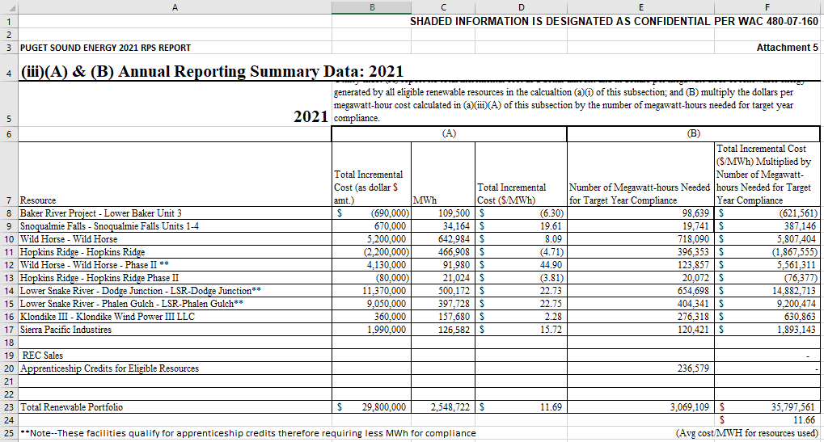
Totals |  | 1,123,136 | 1,961,227 | 3,084,363 | 761,342 | 2,437,410 | 3,198,752 | 1,495,725 | 1,712,713 | 3,208,438

Prior Year Vintages Rolled from Prior Year |  | 1,123,136 |  | 1,123,136 | 761,342 |  | 761,342 | 1,495,725 |  | 1,495,725
Current Year Vintages Applied to Current Year |  |  | 2,741,169 | 2,741,169 |  | 3,987,219 | 3,987,219 |  | 4,451,169 | 4,451,169
Sales in Current Year |  |  | (18,600) | (18,600) |  | (54,084) | (54,084) |  | - | -
Less Rolled to Prior Year |  |  | - | -
Less Rolled to Next Year |  |  | (761,342) | (761,342) |  | (1,495,725) | (1,495,725) |  | (2,738,456) | (2,738,456)

Totals |  | 1,123,136 | 1,961,227 | 3,084,363 | 761,342 | 2,437,410 | 3,198,752 | 1,495,725 | 1,712,713 | 3,208,438
Not needed |  | 0 | 0 | 0 | 0 | 0 | 0 | 0 | 0 | 0
For Compliance |  | 0 | 0 | 3,084,363 | 0 | 0 | 3,198,752 | 0 | 0 | 3,208,438
Surplus (cannot be a deficit, i.e. negative) |  |  |  |  |  |  | - |  |  | 2,738,456

Totals |  |  |  | 3,084,363 |  |  | 3,198,752 |  |  | 5,946,894
 |  |  |  | 0 |  |  | 0 |  |  | 0
Blue = Hydro, Gray = Apprenticeship Credits
 |  | ↓ For Department of Commerce EIA Workbook ↓
 |  |  | Water | 104,512 |  |  | 88,075 |  |  | 119,157
 |  |  | Wind | 2,522,503 |  |  | 2,811,429 |  |  | 2,806,524
 |  |  | Biogas | - |  |  | - |  |  | -
 |  |  | Solar |  |  |  | 2,608
 |  |  | Biomass | 101,435 |  |  | 140,987 |  |  | 101,051
 |  |  | Tie to Att. 3 Report | 2,728,450 |  |  | 3,043,099 |  |  | 3,026,732
 |  |  | Distributed Generation Multiplier | - |  |  | - |  |  | -
 |  |  | Apprenticeship Multiplier | 355,914 |  |  | 155,653 |  |  | 181,706
 |  |  |  | 3,084,363 |  |  | 3,198,752 |  |  | 3,208,438
 |  |  |  | 0 |  |  | 0 |  |  | 0

Apprenticeship Credits
Example

 | Fixed Ratio | PSE 2022 Compliance Plan |  | PSE 2023 Compliance Plan |  | PSE 2024 Compliance Plan
 |  | 2021 Vintage | 2022 Vintage | 2022 Vintage | 2023 Vintage | 2023 Vintage | 2024 Vintage

Input Total Facility Amount
Facility | 0.83333333 | - | - | - | - | -
Facility - Apprenticeship Credits | 0.16666667 | - | - | - | - | -
 | 100%

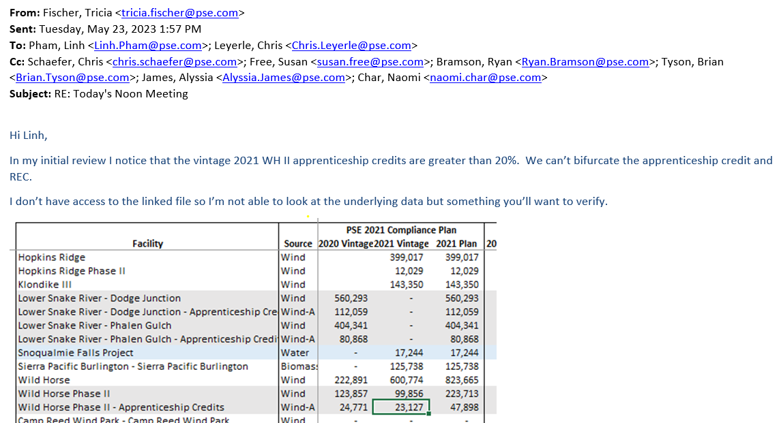

 | Fixed Ratio | PSE 2022 Compliance Plan |  | PSE 2023 Compliance Plan |  | PSE 2024 Compliance Plan
Lower Snake River - Dodge Junction |  | 2021 Vintage | 2022 Vintage | 2022 Vintage | 2023 Vintage | 2023 Vintage | 2024 Vintage

Input Total Facility Amount |  |  | 517,178 |  | 469,387 |  | 579,222
Facility | 0.83333333 | - | 430,982 | - | 391,156 | - | 482,685
Facility - Apprenticeship Credits | 0.16666667 | - | 86,196 | - | 78,231 | - | 96,537
 | 100%

 | Fixed Ratio | PSE 2022 Compliance Plan |  | PSE 2023 Compliance Plan |  | PSE 2024 Compliance Plan
Lower Snake River - Phalen Gulch |  | 2021 Vintage | 2022 Vintage | 2022 Vintage | 2023 Vintage | 2023 Vintage | 2024 Vintage

Input Total Facility Amount |  |  | 385,445 |  | 362,202 |  | 420,241
Facility | 0.83333333 | - | 321,204 | - | 301,835 | - | 350,201
Facility - Apprenticeship Credits | 0.16666667 | - | 64,241 | - | 60,367 | - | 70,040
 | 100%

 | Fixed Ratio | PSE 2022 Compliance Plan |  | PSE 2023 Compliance Plan |  | PSE 2024 Compliance Plan
Wild Horse Phase II |  | 2021 Vintage | 2022 Vintage | 2022 Vintage | 2023 Vintage | 2023 Vintage | 2024 Vintage

Input Total Facility Amount |  | 16,387 | 109,723 | - | 102,328 |  | 90,774
Facility | 0.83333333 | 13,656 | 91,436 | - | 85,273 | - | 75,645
Facility - Apprenticeship Credits | 0.16666667 | 2,731 | 18,287 | - | 17,055 | - | 15,129
 | 100%

