DeferredsAtSeptember30
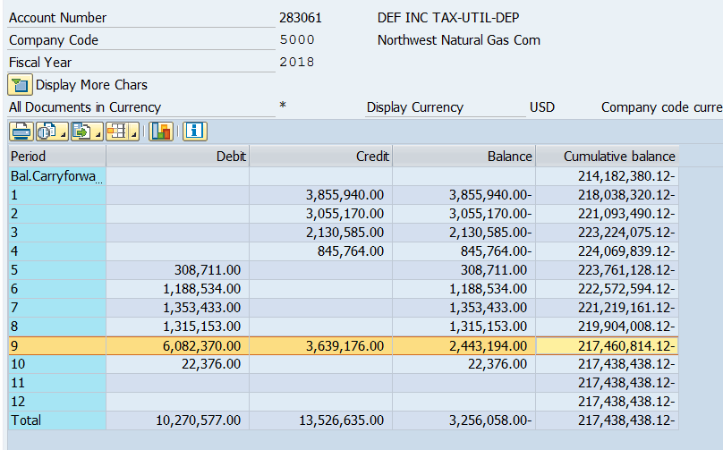
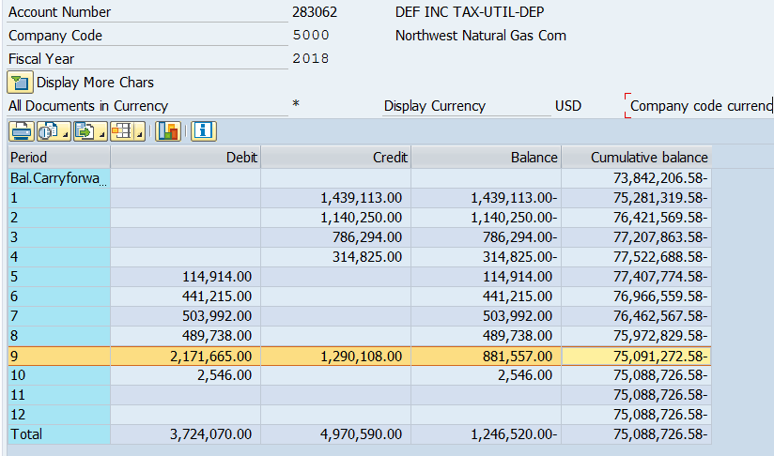
NW Natural - Plant Deferred Taxes at 9/30/2018
Washington Allocation |  |  | -21%
 | Federal/National Tax Assets (Liabilities) | State/Provincial Tax Assets (Liabilities) - Gross | State/Provincial Tax Assets (Liabilities) - Federal Benefit | Total Tax Assets (Liabilities)

Excess Tax (Book) Depreciation (Post 1981 Assets) | (233,229,981) | (75,091,273) | 15,769,167 | (292,552,087)

2018 September Balances: |  |  | SYS |  | Washington
 | Federal | State | Total |  | Allocation

Accumulated Deferred Income Tax - Depreciation | (217,460,814) | (75,091,273) | (292,552,087) |  | (24,197,350) | 10.37% | < Allocation
Tax Reform Reg. Liability - Plant (254100) | (191,300,509) |  | (191,300,509) |  | (18,161,925) |  | < Actual

Tax Reform DTA - Plant (283012) | 37,389,597 | 13,254,811 | 50,644,407 |  | 3,814,004.32 |  | < Calc'd

Net Plant Related Balance | (371,371,726) | (61,836,462) | (433,208,189) |  | (38,545,271)

