Lead Sheet
PacifiCorp |  |  |  |  |  | PAGE | 5.4
Washington General Rate Case - December 2009
BPA Residential Exchange

 |  |  | TOTAL |  |  | WASHINGTON
 | ACCOUNT | Type | COMPANY | FACTOR | FACTOR % | ALLOCATED | REF#
Adjustment to Expense:
Purchased Power Expense | 555 | RES | 25,337,357 | OR | Situs | -
Purchased Power Expense | 555 | RES | 8,025,121 | WA | Situs | 8,025,121 | 5.4.1
Purchased Power Expense | 555 | RES | (154,710) | ID | Situs | -
 |  |  | 33,207,768 |  |  | 8,025,121

Description of Adjustment:
The Company receives a monthly purchase power credit from BPA. This credit is treated as a 100 percent pass-through to eligible customers. Both a revenue credit and a purchase power expense credit are posted to unadjusted results. This restating adjustment reverses the BPA purchase power expense credit recorded in unadjusted results. The revenue credit is removed from Test Period results in the Revenue Normalization adjustment, page 3.2.

 | Account List |  |  | Factor List |  | State List
 | 103 |  |  | SG |  | All States
 | 105 |  |  | SG-P |  | Oregon
 | 114 |  |  | SG-U |  | Washington
 | 120 |  |  | DGP |  | California
 | 124 |  |  | DGU |  | Utah
 | 141 |  |  | SC |  | Wyoming
 | 151 |  |  | SE |  | Idaho
 | 152 |  |  | SE-P |  | Update
 | 154 |  |  | SE-U
 | 163 |  |  | DEP
 | 165 |  |  | DEU
 | 190 |  |  | SO
 | 228 |  |  | SO-P
 | 235 |  |  | SO-U
 | 252 |  |  | DOP
 | 255 |  |  | DOU
 | 281 |  |  | GPS
 | 282 |  |  | SGPP
 | 283 |  |  | SGPU
 | 301 |  |  | SNP
 | 302 |  |  | DNPP
 | 303 |  |  | DNPU
 | 303 |  |  | DNPPOP
 | 310 |  |  | DNPPOU
 | 311 |  |  | DNPPNP
 | 312 |  |  | DNPPNU
 | 314 |  |  | DNPPP
 | 315 |  |  | DNPPU
 | 316 |  |  | DNPDP
 | 320 |  |  | DNPDU
 | 321 |  |  | SNPD
 | 322 |  |  | DNPGP
 | 323 |  |  | DNPGU
 | 324 |  |  | DNPGMP
 | 325 |  |  | DNPGMU
 | 330 |  |  | DNPIP
 | 331 |  |  | DNPIU
 | 332 |  |  | DNPPSP
 | 333 |  |  | DNPPSU
 | 334 |  |  | DNPPHP
 | 335 |  |  | DNPPHU
 | 336 |  |  | DNPTP
 | 340 |  |  | DNPTU
 | 341 |  |  | CN
 | 342 |  |  | CNP
 | 343 |  |  | CNU
 | 344 |  |  | WBTAX
 | 345 |  |  | OPRVID
 | 346 |  |  | OPRVWY
 | 350 |  |  | EXCTAX
 | 352 |  |  | INT
 | 353 |  |  | CIAC
 | 354 |  |  | IDSIT
 | 355 |  |  | TAXDEPR
 | 356 |  |  | BADDEBT
 | 357 |  |  | DITEXP
 | 358 |  |  | DITBAL
 | 359 |  |  | ITC84
 | 360 |  |  | ITC85
 | 361 |  |  | ITC86
 | 362 |  |  | ITC88
 | 364 |  |  | ITC89
 | 365 |  |  | ITC90
 | 366 |  |  | OTHER
 | 367 |  |  | NUTIL
 | 368 |  |  | SNPPS
 | 369 |  |  | SNPT
 | 370 |  |  | SNPP
 | 371 |  |  | SNPPH
 | 372 |  |  | SNPPN
 | 373 |  |  | SNPPO
 | 389 |  |  | SNPG
 | 390 |  |  | SNPI
 | 391 |  |  | TROJP
 | 392 |  |  | TROJD
 | 393 |  |  | IBT
 | 394 |  |  | DITEXPRL
 | 395 |  |  | DITBALRL
 | 396 |  |  | TAXDEPRL
 | 397 |  |  | DITEXPMA
 | 398 |  |  | DITBALMA
 | 399 |  |  | TAXDEPRMA
 | 405 |  |  | SCHMDEXP
 | 406 |  |  | SCHMAEXP
 | 407 |  |  | SGCT
 | 408 |  |  | CA
 | 419 |  |  | OR
 | 421 |  |  | WA
 | 427 |  |  | MT
 | 428 |  |  | WYE
 | 429 |  |  | UT
 | 431 |  |  | ID
 | 432
 | 440
 | 442
 | 444
 | 445
 | 447
 | 448
 | 449
 | 450
 | 451
 | 453
 | 454
 | 456
 | 500
 | 501
 | 502
 | 503
 | 505
 | 506
 | 507
 | 510
 | 511
 | 512
 | 513
 | 514
 | 517
 | 518
 | 519
 | 520
 | 523
 | 524
 | 528
 | 529
 | 530
 | 531
 | 532
 | 535
 | 536
 | 537
 | 538
 | 539
 | 540
 | 541
 | 542
 | 543
 | 544
 | 545
 | 546
 | 547
 | 548
 | 549
 | 550
 | 551
 | 552
 | 553
 | 554
 | 555
 | 556
 | 557
 | 560
 | 561
 | 562
 | 563
 | 564
 | 565
 | 566
 | 567
 | 568
 | 569
 | 570
 | 571
 | 572
 | 573
 | 580
 | 581
 | 582
 | 583
 | 584
 | 585
 | 586
 | 587
 | 588
 | 589
 | 590
 | 591
 | 592
 | 593
 | 594
 | 595
 | 596
 | 597
 | 598
 | 901
 | 902
 | 903
 | 904
 | 905
 | 907
 | 908
 | 909
 | 910
 | 911
 | 912
 | 913
 | 916
 | 920
 | 921
 | 922
 | 923
 | 924
 | 925
 | 926
 | 927
 | 928
 | 929
 | 930
 | 931
 | 935
 | 1869
 | 2281
 | 2282
 | 4118
 | 4194
 | 4311
 | 18221
 | 18222
 | 22842
 | 25316
 | 25317
 | 25318
 | 25319
 | 25399
 | 40910
 | 40911
 | 41010
 | 41011
 | 41110
 | 41111
 | 41140
 | 41141
 | 41160
 | 41170
 | 41181
 | 108360
 | 108361
 | 108362
 | 108364
 | 108365
 | 108366
 | 108367
 | 108368
 | 108369
 | 108370
 | 108371
 | 108372
 | 108373
 | 111399
 | 403360
 | 403361
 | 403362
 | 403364
 | 403365
 | 403366
 | 403367
 | 403368
 | 403369
 | 403370
 | 403371
 | 403372
 | 403373
 | 404330
 | 1081390
 | 1081399
 | 108D
 | 108D00
 | 108DS
 | 108EP
 | 108GP
 | 108HP
 | 108MP
 | 108MP
 | 108NP
 | 108OP
 | 108SP
 | 108TP
 | 111CLG
 | 111CLH
 | 111CLS
 | 111IP
 | 111IP
 | 182M
 | 186M
 | 390L
 | 392L
 | 399G
 | 399L
 | 403EP
 | 403GP
 | 403GV0
 | 403HP
 | 403MP
 | 403NP
 | 403OP
 | 403SP
 | 403TP
 | 404CLG
 | 404CLS
 | 404IP
 | 404M
 | CWC
 | D00
 | DS0
 | FITOTH
 | FITPMI
 | G00
 | H00
 | I00
 | N00
 | O00
 | OWC131
 | OWC135
 | OWC143
 | OWC232
 | OWC25330
 | DFA
 | S00
 | SCHMAF
 | SCHMAP
 | SCHMAT
 | SCHMDF
 | SCHMDP
 | SCHMDT
 | T00
 | TS0
 | 182W
 | 115
 | 2283
 | 230
 | 254
 | 2533
 | 254105
 | 22844
 | OWC230

5.4.1
PacifiCorp
SAP Account 505202 |  | Page 5.4.1
Jan 2010 to Dec 2010
Washington

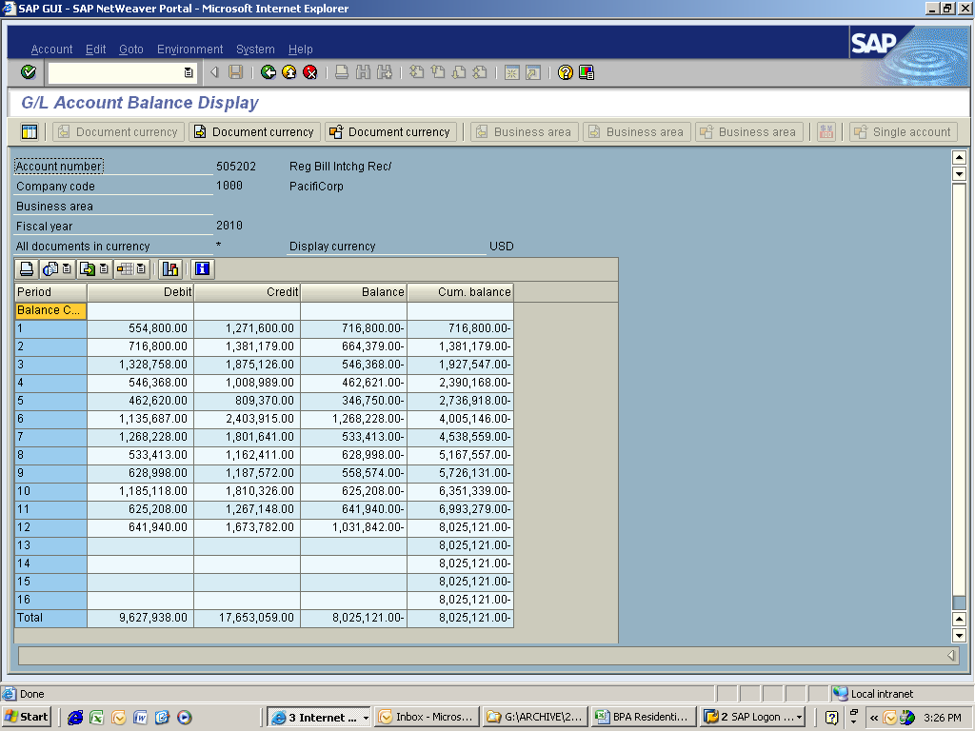

 | Jan | (716,800)
 | Feb | (664,379)
 | mar | (546,368)
 | Apr | (462,621)
 | May | (346,750)
 | Jun | (1,268,228)
 | Jul | (533,413)
 | Aug | (628,998)
 | Sep | (558,574)
 | Oct | (625,208)
 | Nov | (641,940)
 | Dec | (1,031,842)
 |  | (8,025,121)
 |  | Ref# 5.4

