191 Accounts
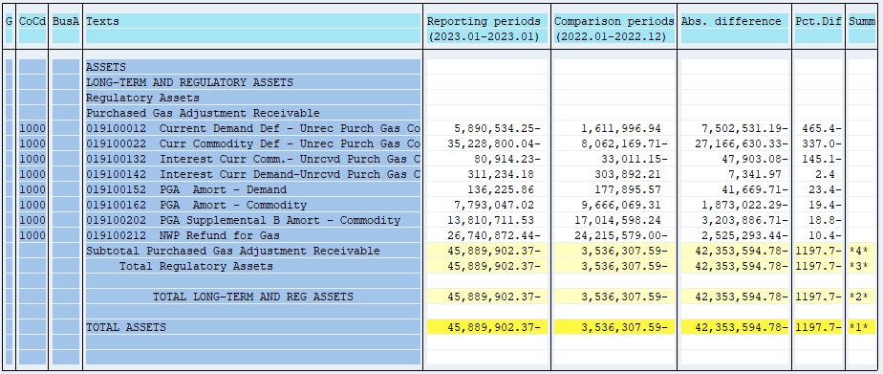
PUGET SOUND ENERGY
PGA 191 Account Balances
January
2023

 |  | Acct No. | Jan-23

Surcharge/Refund Amortization Accounts:
PGA Refund/Surcharge Amortization (Demand) |  | 19100152
 | Beginning |  | $177,895.57
 | Transfer Deferral Amounts to Surcharge/Refund Account
 | Surcharge/Refund Amortization |  | (37,698.00)
 | Migration Credit |  | 2,173.67
 | Interest |  | (6,145.38)
 | Total Month |  | (41,669.71)
 | Ending |  | $136,225.86

PGA Refund/Surcharge Amortization (Commodity) - 106 |  | 19100162
 | Beginning |  | $9,666,069.31
 | Transfer Deferral Amounts to Surcharge/Refund Account
 | Surcharge/Refund Amortization |  | (1,964,518.00)
 | Migration Credit |  | 24,263.98
 | Interest |  | 67,231.73
 | Total Month |  | (1,873,022.29)
 | Ending |  | $7,793,047.02

PGA Supplemental Amortization (Commodity) - 106B |  | 19100202
 | Beginning |  | $17,014,598.24
 | Transfer Deferral Amounts to Surcharge/Refund Account
 | Surcharge/Refund Amortization |  | (3,251,898.00)
 | Migration Credit
 | Interest |  | 48,011.29
 | Total Month |  | (3,203,886.71)
 | Ending |  | $13,810,711.53

NWP Refund for Gas (Demand) |  | 19100212
 | Beginning |  | $(24,215,579.00)
 | Rcrd Northwest Pipeline Refund Alloc to Gas Book |  | $(2,525,293.44)
 | Transfer Deferral Amounts to Surcharge/Refund Account
 | Surcharge/Refund Amortization
 | Interest
 | Total Month |  | (2,525,293.44)
 | Ending |  | $(26,740,872.44)

Current Demand Deferral |  | 19100012
 | Beginning |  | $1,611,996.94
 | Transfer Deferral Amounts to Surcharge/Refund Account
 | Deferral |  | (7,502,531.19)
 | Total Month |  | (7,502,531.19)
 | Ending |  | $(5,890,534.25)

Current Commodity Deferral |  | 19100022
 | Beginning |  | $(8,062,169.71)
 | Transfer Deferral Amounts to Surcharge/Refund Account
 | PGA Deferral Commd Vlntr RNG CR Tru-up 12/21-05/22
 | Deferral |  | (27,166,630.33)
 | Total Month |  | (27,166,630.33)
 | Ending |  | $(35,228,800.04)

Interest on Demand Deferral |  | 19100142
 | Beginning |  | $303,892.21
 | Transfer Interest Amounts to Surcharge/Refund Account
 | Interest |  | 7,341.97
 | Total Month |  | 7,341.97
 | Ending |  | $311,234.18

Interest on Commodity Deferral |  | 19100132
 | Beginning |  | $(33,011.15)
 | Transfer Interest Amounts to Surcharge/Refund Account
 | Interest |  | (47,903.08)
 | Total Month |  | (47,903.08)
 | Ending |  | $(80,914.23)

Total 191
 | Beginning |  | $(3,536,307.59)
 | Total Month |  | (42,353,594.78)
 | Ending |  | $(45,889,902.37)
Less: Acct. being Amortized |  |  | 21,739,984.41
Current Period Under/(Over) Recovered |  |  | $(67,629,886.78)

