Summary
...
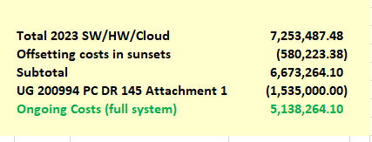
Revenue Req.
$-
$479,068
$314,452
$320,562
$23,538
$38,054
$671,467
...
$618,136
$1,443,665 | System Ongoing O&M Costs | $5,138,264
$(166,000) | WA Allocation | 11.53%
$1,895,801 | WA Ongoing O&M Costs | $592,442
$3,742,941

$108,441
$77,076
...
$3,928,458
$3,000,000
...

