202434
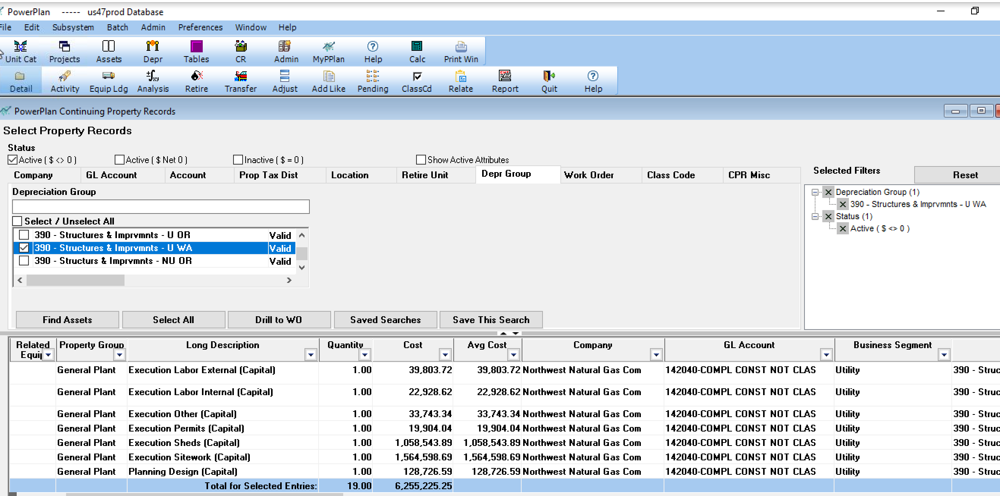

202170
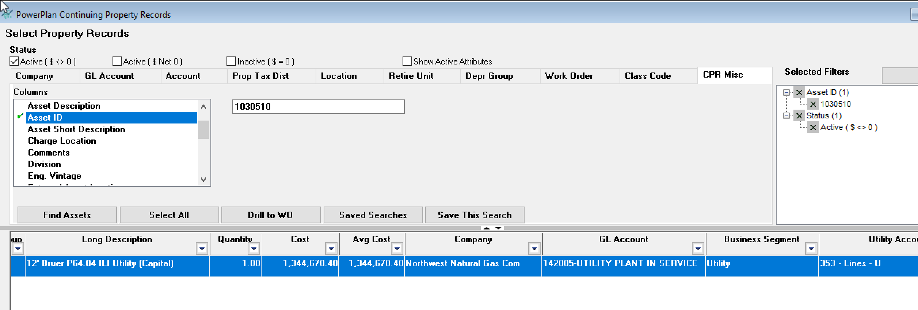
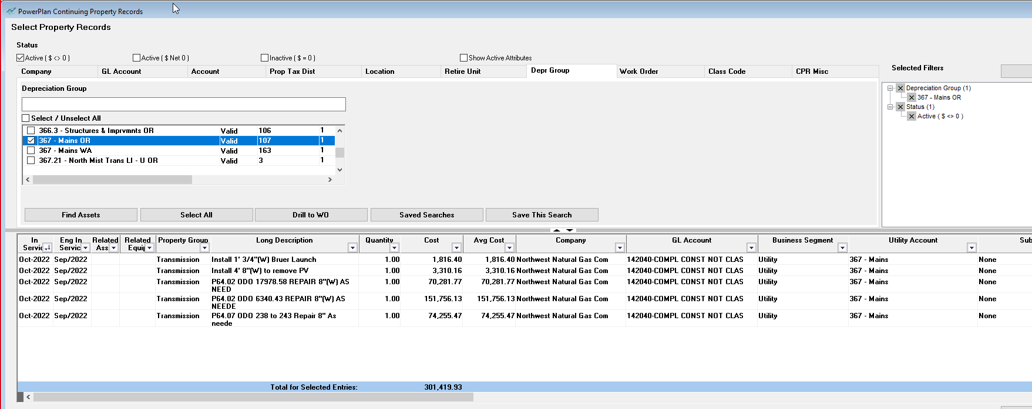
367 | 367 | 2,039,132.37
353 | 353 | 1,344,670.40
 |  | 3,383,802.77

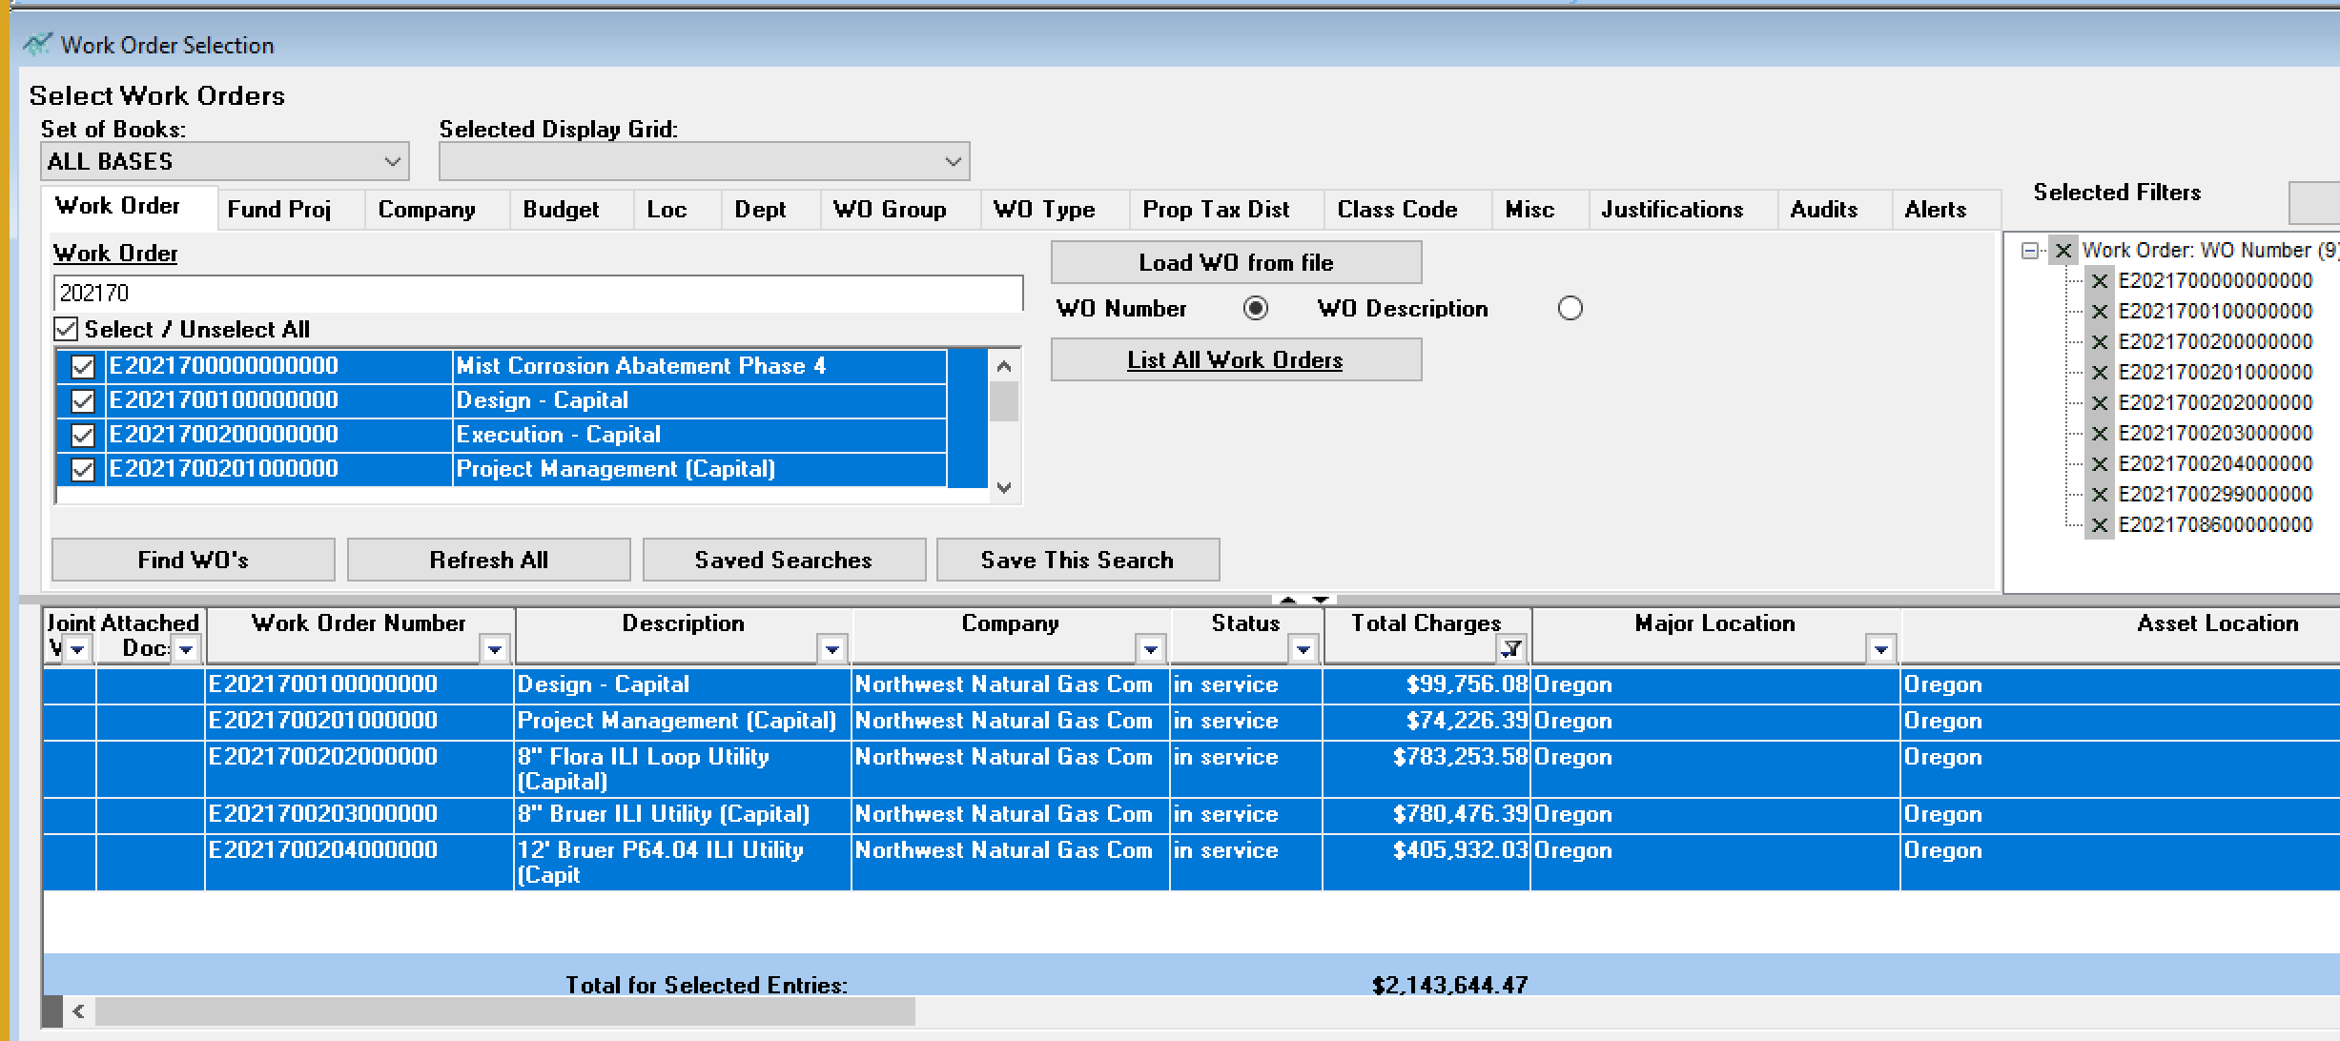
 |  | 3,392,311.95 | S4

202299
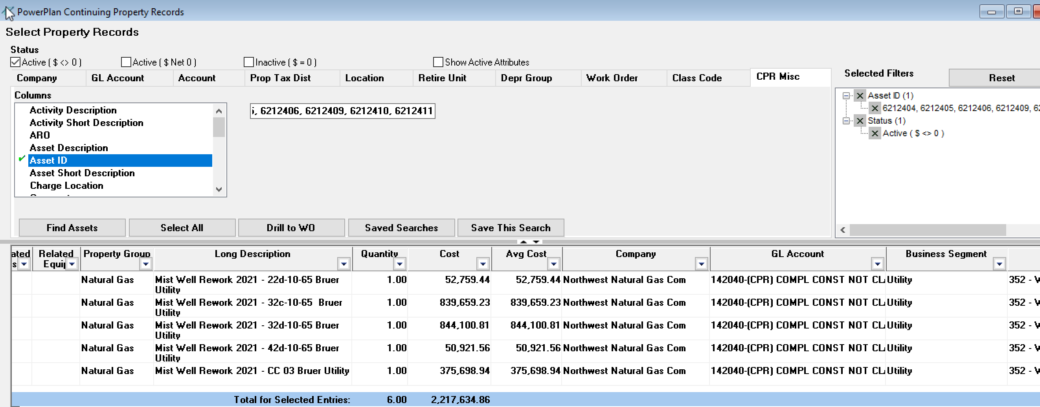

32c-10-65 | 6212404
32d-10-65 | 6212405
CC 03 bruer | 6212406
42d-10-65 | 6212409
13b-11-65 | 6212410
22d-10-65 | 6212411
cc 06 bruer

202290
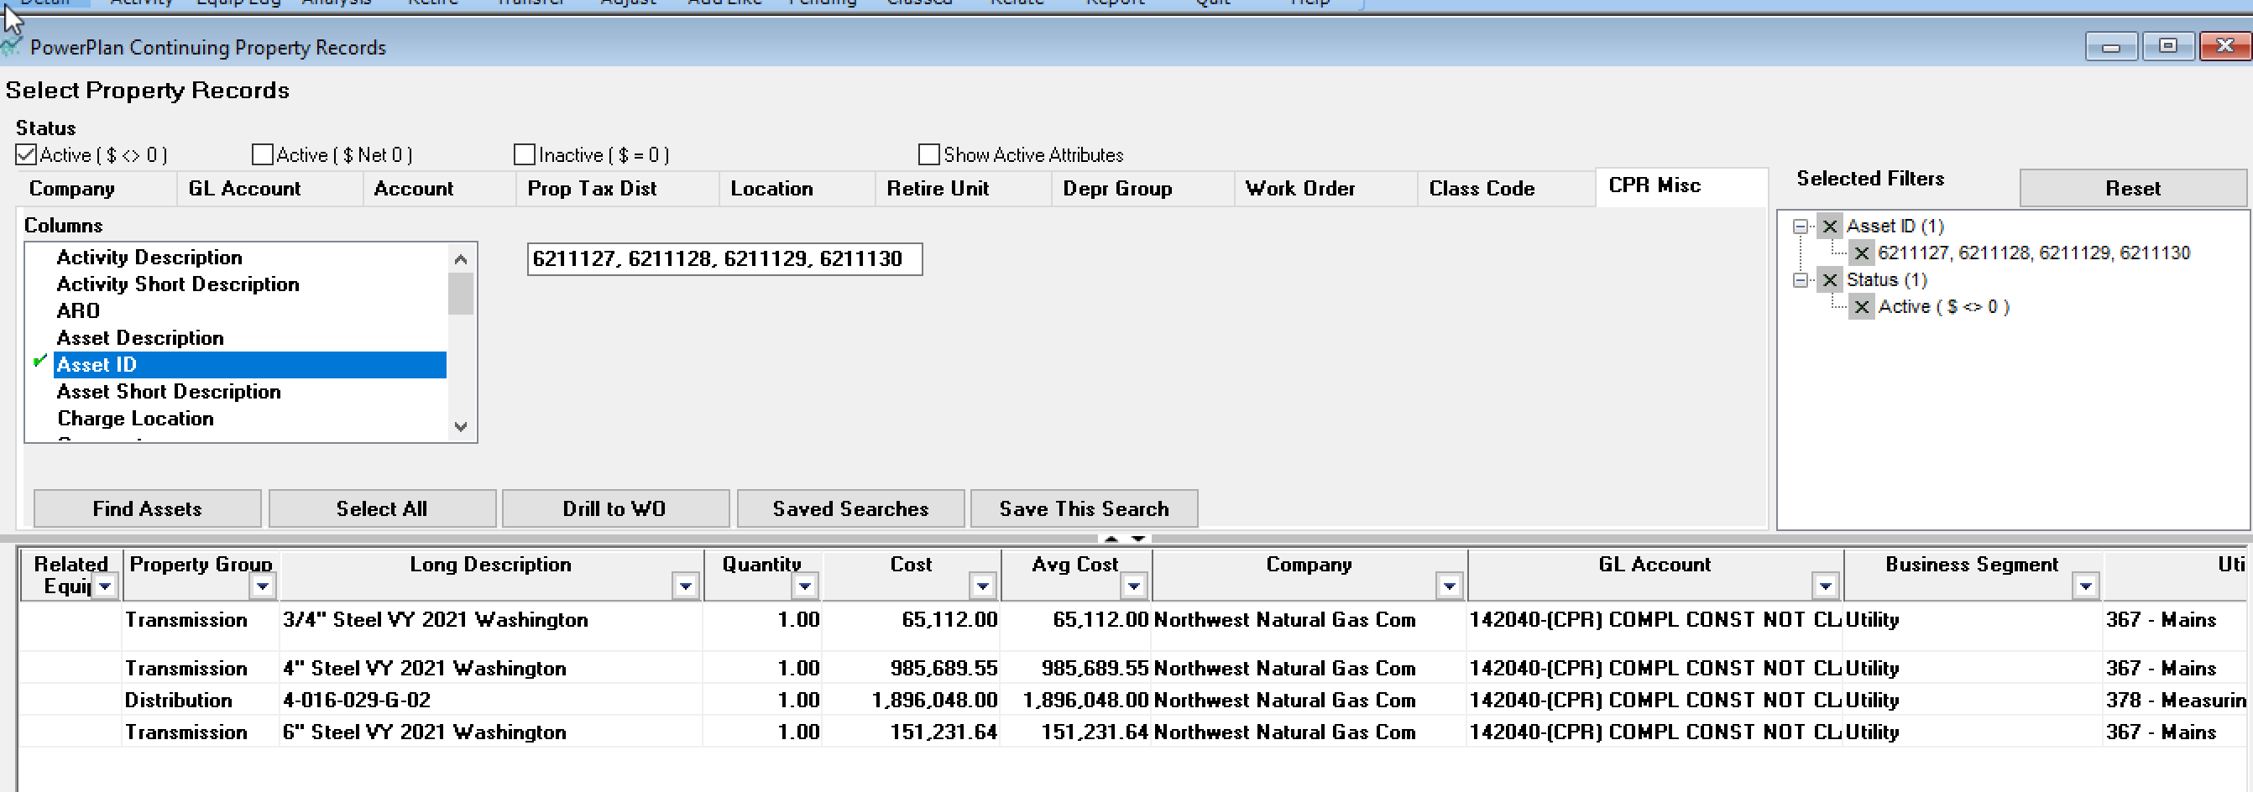
367 | 1,202,043.19
378 | 1,896,048.00
 | 3,098,091.19

202289
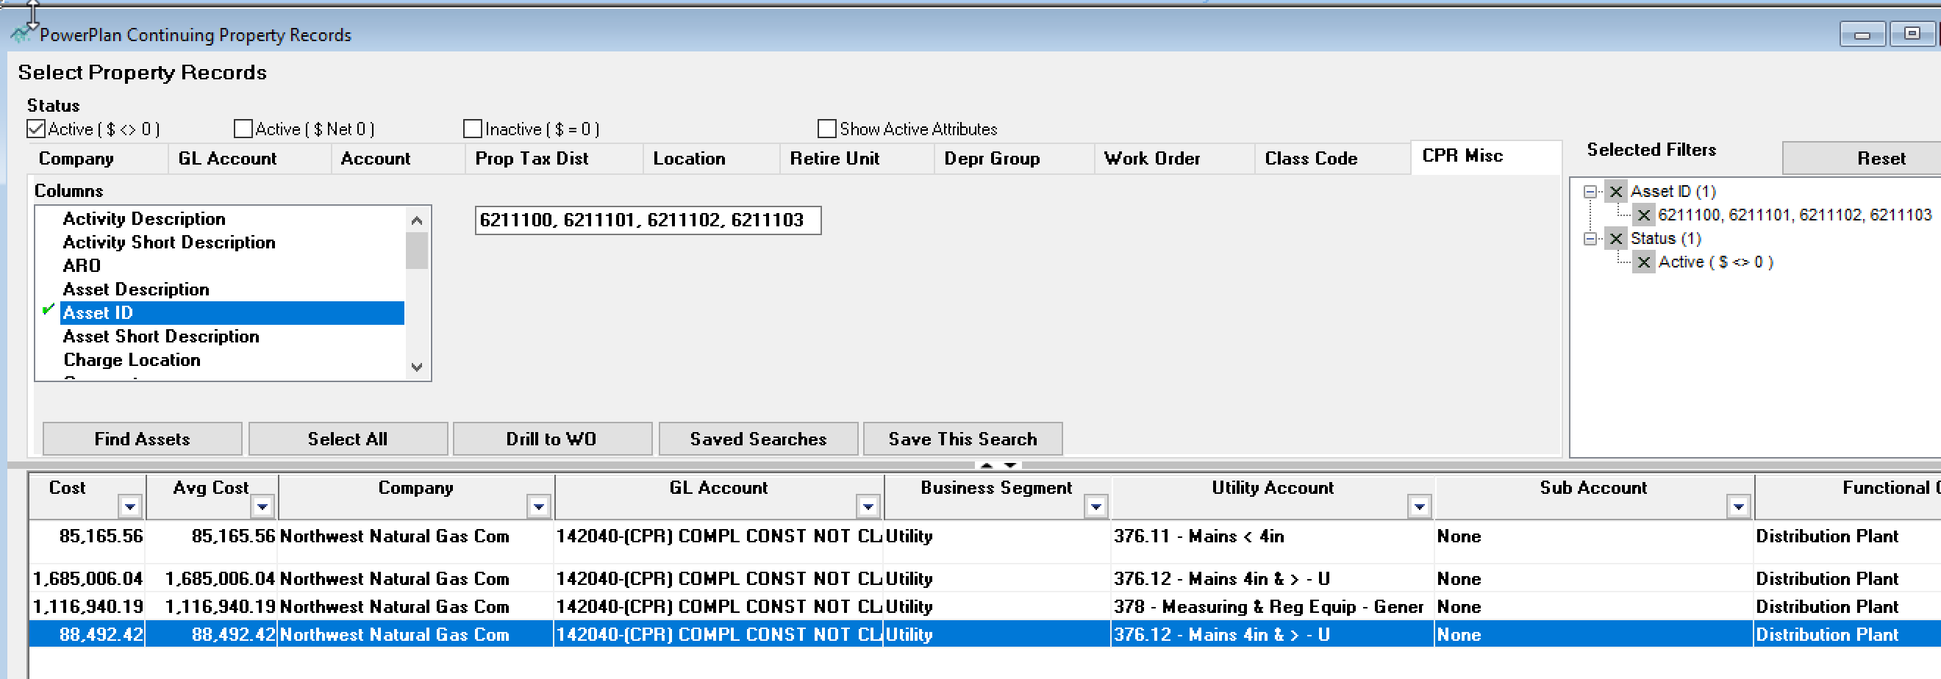
376.11 | 85,165.56
376.12 | 1,783,498.46
378 | 1,116,940.19
 | 2,985,604.21

