191
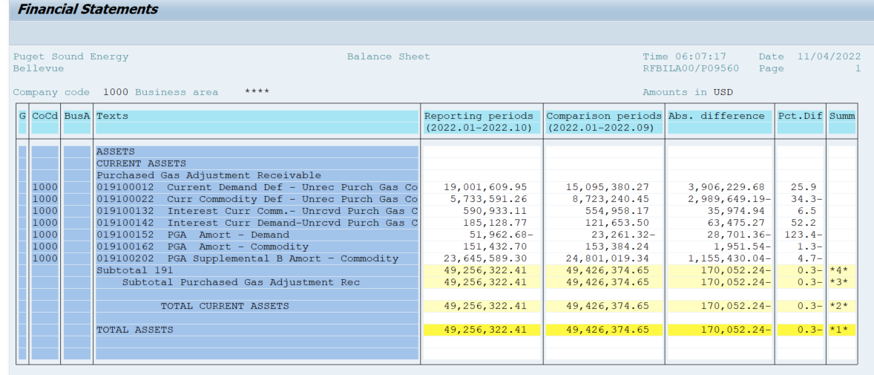
PUGET SOUND ENERGY
PGA 191 Account Balances
October
2022

 |  | Acct No. | Oct-22

Surcharge/Refund Amortization Accounts:
PGA Refund/Surcharge Amortization (Demand) |  | 19100152
 | Beginning |  | $(23,261.32)
 | Transfer Deferral Amounts to Surcharge/Refund Account
 | Surcharge/Refund Amortization |  | (23,716.00)
 | Migration Credit |  | 667.72
 | Interest |  | (5,653.08)
 | Total Month |  | (28,701.36)
 | Ending |  | $(51,962.68)

PGA Refund/Surcharge Amortization (Commodity) - 106 |  | 19100162
 | Beginning |  | $153,384.24
 | Transfer Deferral Amounts to Surcharge/Refund Account
 | Surcharge/Refund Amortization |  | (35,135.00)
 | Migration Credit |  | 15,538.36
 | Interest |  | 17,645.10
 | Total Month |  | (1,951.54)
 | Ending |  | $151,432.70

PGA Supplemental Amortization (Commodity) - 106A |  | 19100192
 | Beginning |  | $-
 | Transfer Deferral Amounts to Surcharge/Refund Account |  | -
 | Surcharge/Refund Amortization |  | -
 | Migration Credit |  | -
 | Interest |  | -
 | Total Month |  | -
 | Ending |  | $-

PGA Supplemental Amortization (Commodity) - 106B |  | 19100202
 | Beginning |  | $24,801,019.34
 | Transfer Deferral Amounts to Surcharge/Refund Account
 | Surcharge/Refund Amortization |  | (1,230,678.00)
 | Migration Credit
 | Interest |  | 75,247.96
 | Total Month |  | (1,155,430.04)
 | Ending |  | $23,645,589.30

Current Demand Deferral |  | 19100012
 | Beginning |  | $15,095,380.27
 | Transfer Deferral Amounts to Surcharge/Refund Account
 | Deferral |  | 3,906,229.68
 | Total Month |  | 3,906,229.68
 | Ending |  | $19,001,609.95

Current Commodity Deferral |  | 19100022
 | Beginning |  | $8,723,240.45
 | Transfer Deferral Amounts to Surcharge/Refund Account
 | PGA Deferral Commd Vlntr RNG CR Tru-up 12/21-05/22
 | Deferral |  | (2,989,649.19)
 | Total Month |  | (2,989,649.19)
 | Ending |  | $5,733,591.26

Interest on Demand Deferral |  | 19100142
 | Beginning |  | $121,653.50
 | Transfer Interest Amounts to Surcharge/Refund Account
 | Interest |  | 63,475.27
 | Total Month |  | 63,475.27
 | Ending |  | $185,128.77

Interest on Commodity Deferral |  | 19100132
 | Beginning |  | $554,958.17
 | Transfer Interest Amounts to Surcharge/Refund Account
 | Interest |  | 35,974.94
 | Total Month |  | 35,974.94
 | Ending |  | $590,933.11

Total 191
 | Beginning |  | $49,426,374.65
 | Total Month |  | (170,052.24)
 | Ending |  | $49,256,322.41
Less: Acct. being Amortized |  |  | 23,745,059.32
Current Period Under/(Over) Recovered |  |  | $25,511,263.09

