191
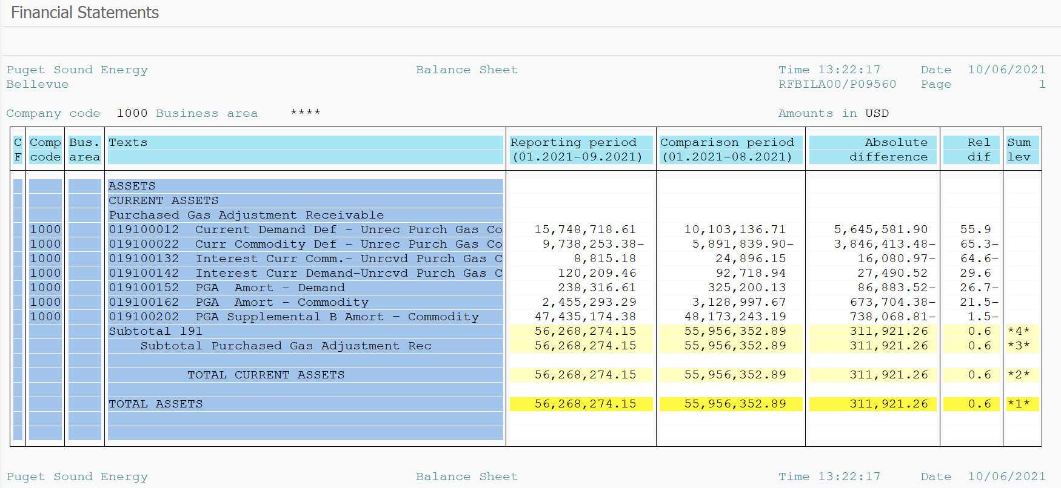
PUGET SOUND ENERGY
PGA 191 Account Balances
2021-09-30
2021

 |  | Acct No. | Sep-21

Surcharge/Refund Amortization Accounts:
PGA Refund/Surcharge Amortization (Demand) |  | 19100152
 | Beginning |  | $325,200.13
 | Transfer Deferral Amounts to Surcharge/Refund Account
 | Transfer to Commodity Amort Account
 | Surcharge/Refund Amortization |  | (84,873.00)
 | Migration Credit |  | 880.34
 | Interest |  | (2,890.86)
 | Total Month |  | (86,883.52)
 | Ending |  | $238,316.61

PGA Refund/Surcharge Amortization (Commodity) - 106 |  | 19100162
 | Beginning |  | $3,128,997.67
 | Transfer Deferral Amounts to Surcharge/Refund Account
 | Transfer to Commodity Amort Account
 | Surcharge/Refund Amortization |  | (703,959.00)
 | Migration Credit |  | 11,503.94
 | Interest |  | 18,750.68
 | Total Month |  | (673,704.38)
 | Ending |  | $2,455,293.29

PGA Supplemental Amortization (Commodity) - 106A |  | 19100192
 | Beginning |  | $-
 | Transfer to Commodity Amort Account |  | -
 | Surcharge/Refund Amortization |  | -
 | Migration Credit |  | -
 | Interest |  | -
 | Total Month |  | -
 | Ending |  | $-

PGA Supplemental Amortization (Commodity) - 106B |  | 19100202
 | Beginning |  | $48,173,243.19
 | Transfer to Commodity Amort Account
 | Surcharge/Refund Amortization |  | (852,045.00)
 | Migration Credit
 | Interest |  | 113,976.19
 | Total Month |  | (738,068.81)
 | Ending |  | $47,435,174.38

Current Demand Deferral |  | 19100012
 | Beginning |  | $10,103,136.71
 | Transfer to Commodity Amort Account
 | Refund of B&O Taxes on Off System Sales
 | PSE Deferral |  | 5,645,581.90
 | WNG-CAP Deferral
 | Total Month |  | 5,645,581.90
 | Ending |  | $15,748,718.61

Current Commodity Deferral |  | 19100022
 | Beginning |  | $(5,891,839.90)
 | Transfer Deferral Amounts to Surcharge/Refund Account
 | Refund of B&O Taxes on Off System Sales
 | Transfer to Commodity Amort Account
 | Transfer Deferral Amounts to PGA Tracking Account
 | PSE Deferral |  | (3,846,413.48)
 | PGA Incentive
 | Total Month |  | (3,846,413.48)
 | Ending |  | $(9,738,253.38)

Interest on Demand Deferral |  | 19100142
 | Beginning |  | $92,718.94
 | Transfer to Commodity Amort Account
 | Activity |  | 27,490.52
 | Total Month |  | 27,490.52
 | Ending |  | $120,209.46

Interest on Commodity Deferral |  | 19100132
 | Beginning |  | $24,896.15
 | Transfer to Commodity Amort Account
 | Activity |  | (16,080.97)
 | Total Month |  | (16,080.97)
 | Ending |  | $8,815.18

Total 191
 | Beginning |  | $55,956,352.89
 | Total Month |  | 311,921.26
 | Ending |  | $56,268,274.15
Less: Acct. being Amortized |  |  | 50,128,784.28
Current Period Under/(Over) Recovered |  |  | $6,139,489.87

