ROR
 | weight | cost | Total
debt | 51% | 5% | 2.55%
equity | 49% | 9.40% | 4.61%
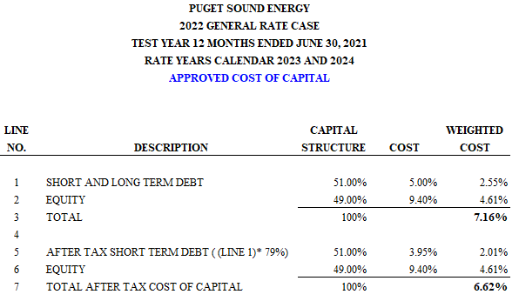
 | 100.00% |  | 7.16%

Gas Conv Factor
 | PUGET SOUND ENERGY - GAS
 | GAS RESULTS OF OPERATIONS
 | 2023 SCHEDULE 141LNG FILING
 | 12 MONTHS ENDED JUNE 30, 2021
 | CONVERSION FACTOR

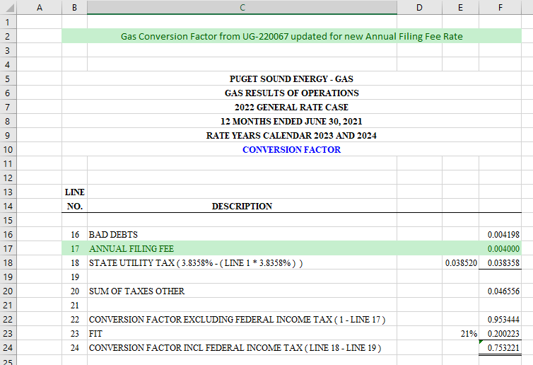
LINE
NO. | DESCRIPTION

16 | BAD DEBTS |  | 0.004198
17 | ANNUAL FILING FEE |  | 0.004000
18 | STATE UTILITY TAX ( 3.8358% - ( LINE 1 * 3.8358% ) ) | 0.038520 | 0.038358
19
20 | SUM OF TAXES OTHER |  | 0.046556
21
22 | CONVERSION FACTOR EXCLUDING FEDERAL INCOME TAX ( 1 - LINE 17 ) |  | 0.953444
23 | FIT | 21% | 0.200223
24 | CONVERSION FACTOR INCL FEDERAL INCOME TAX ( LINE 18 - LINE 19 ) |  | 0.753221

