191
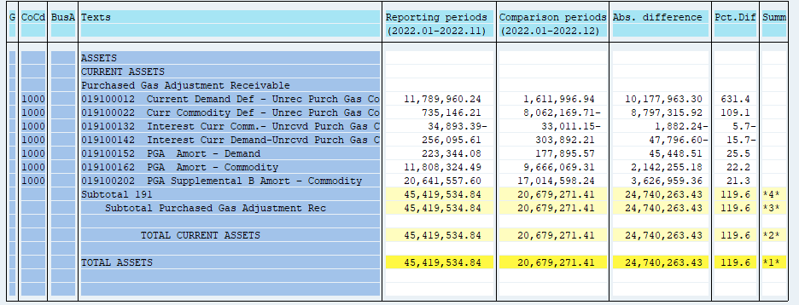
PUGET SOUND ENERGY
PGA 191 Account Balances
December
2022

 |  | Acct No. | Dec-22

Surcharge/Refund Amortization Accounts:
PGA Refund/Surcharge Amortization (Demand) |  | 19100152
 | Beginning |  | $223,344.08
 | Transfer Deferral Amounts to Surcharge/Refund Account
 | Surcharge/Refund Amortization |  | (43,257.00)
 | Migration Credit |  | 2,432.27
 | Interest |  | (4,623.78)
 | Total Month |  | (45,448.51)
 | Ending |  | $177,895.57

PGA Refund/Surcharge Amortization (Commodity) - 106 |  | 19100162
 | Beginning |  | $11,808,324.49
 | Transfer Deferral Amounts to Surcharge/Refund Account
 | Surcharge/Refund Amortization |  | (2,222,345.00)
 | Migration Credit |  | 19,188.55
 | Interest |  | 60,901.27
 | Total Month |  | (2,142,255.18)
 | Ending |  | $9,666,069.31

PGA Supplemental Amortization (Commodity) - 106A |  | 19100192
 | Beginning |  | $-
 | Transfer Deferral Amounts to Surcharge/Refund Account |  | -
 | Surcharge/Refund Amortization |  | -
 | Migration Credit |  | -
 | Interest |  | -
 | Total Month |  | -
 | Ending |  | $-

PGA Supplemental Amortization (Commodity) - 106B |  | 19100202
 | Beginning |  | $20,641,557.60
 | Transfer Deferral Amounts to Surcharge/Refund Account
 | Surcharge/Refund Amortization |  | (3,678,683.00)
 | Migration Credit
 | Interest |  | 51,723.64
 | Total Month |  | (3,626,959.36)
 | Ending |  | $17,014,598.24

Current Demand Deferral |  | 19100012
 | Beginning |  | $11,789,960.24
 | Transfer Deferral Amounts to Surcharge/Refund Account
 | Deferral |  | (10,177,963.30)
 | Total Month |  | (10,177,963.30)
 | Ending |  | $1,611,996.94

Current Commodity Deferral |  | 19100022
 | Beginning |  | $735,146.21
 | Transfer Deferral Amounts to Surcharge/Refund Account
 | PGA Deferral Commd Vlntr RNG CR Tru-up 12/21-05/22
 | Deferral |  | (8,797,315.92)
 | Total Month |  | (8,797,315.92)
 | Ending |  | $(8,062,169.71)

Interest on Demand Deferral |  | 19100142
 | Beginning |  | $256,095.61
 | Transfer Interest Amounts to Surcharge/Refund Account
 | Interest |  | 47,796.60
 | Total Month |  | 47,796.60
 | Ending |  | $303,892.21

Interest on Commodity Deferral |  | 19100132
 | Beginning |  | $(34,893.39)
 | Transfer Interest Amounts to Surcharge/Refund Account
 | Interest |  | 1,882.24
 | Total Month |  | 1,882.24
 | Ending |  | $(33,011.15)

Total 191
 | Beginning |  | $45,419,534.84
 | Total Month |  | (24,740,263.43)
 | Ending |  | $20,679,271.41
Less: Acct. being Amortized |  |  | 26,858,563.12
Current Period Under/(Over) Recovered |  |  | $(6,179,291.71)

