191
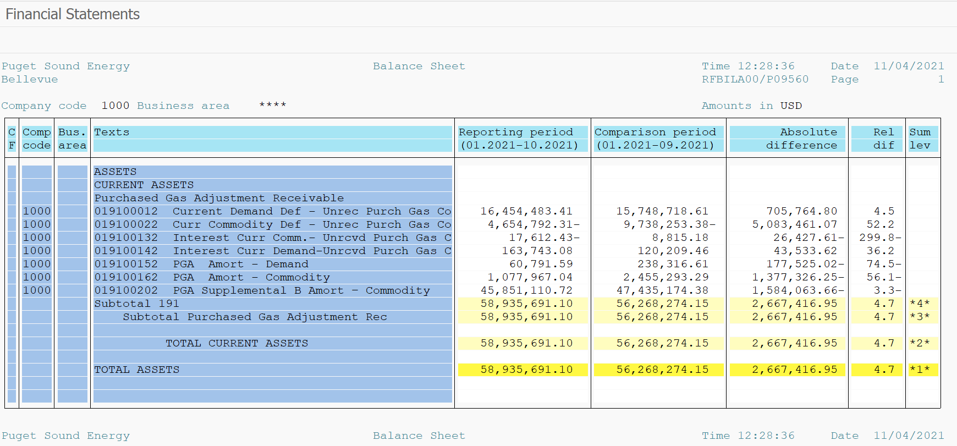
PUGET SOUND ENERGY
PGA 191 Account Balances
2021-10-31
2021

 |  | Acct No. | Oct-21

Surcharge/Refund Amortization Accounts:
PGA Refund/Surcharge Amortization (Demand) |  | 19100152
 | Beginning |  | $238,316.61
 | Transfer Deferral Amounts to Surcharge/Refund Account
 | Transfer to Commodity Amort Account
 | Surcharge/Refund Amortization |  | (175,043.00)
 | Migration Credit |  | 877.03
 | Interest |  | (3,359.05)
 | Total Month |  | (177,525.02)
 | Ending |  | $60,791.59

PGA Refund/Surcharge Amortization (Commodity) - 106 |  | 19100162
 | Beginning |  | $2,455,293.29
 | Transfer Deferral Amounts to Surcharge/Refund Account
 | Transfer to Commodity Amort Account
 | Surcharge/Refund Amortization |  | (1,403,025.00)
 | Migration Credit |  | 9,324.67
 | Interest |  | 16,374.08
 | Total Month |  | (1,377,326.25)
 | Ending |  | $1,077,967.04

PGA Supplemental Amortization (Commodity) - 106A |  | 19100192
 | Beginning |  | $-
 | Transfer to Commodity Amort Account |  | -
 | Surcharge/Refund Amortization |  | -
 | Migration Credit |  | -
 | Interest |  | -
 | Total Month |  | -
 | Ending |  | $-

PGA Supplemental Amortization (Commodity) - 106B |  | 19100202
 | Beginning |  | $47,435,174.38
 | Transfer to Commodity Amort Account
 | Surcharge/Refund Amortization |  | (1,698,171.00)
 | Migration Credit
 | Interest |  | 114,107.34
 | Total Month |  | (1,584,063.66)
 | Ending |  | $45,851,110.72

Current Demand Deferral |  | 19100012
 | Beginning |  | $15,748,718.61
 | Transfer to Commodity Amort Account
 | Refund of B&O Taxes on Off System Sales
 | PSE Deferral |  | 705,764.80
 | WNG-CAP Deferral
 | Total Month |  | 705,764.80
 | Ending |  | $16,454,483.41

Current Commodity Deferral |  | 19100022
 | Beginning |  | $(9,738,253.38)
 | Transfer Deferral Amounts to Surcharge/Refund Account
 | Refund of B&O Taxes on Off System Sales
 | Transfer to Commodity Amort Account
 | Transfer Deferral Amounts to PGA Tracking Account
 | PSE Deferral |  | 5,083,461.07
 | PGA Incentive
 | Total Month |  | 5,083,461.07
 | Ending |  | $(4,654,792.31)

Interest on Demand Deferral |  | 19100142
 | Beginning |  | $120,209.46
 | Transfer to Commodity Amort Account
 | Activity |  | 43,533.62
 | Total Month |  | 43,533.62
 | Ending |  | $163,743.08

Interest on Commodity Deferral |  | 19100132
 | Beginning |  | $8,815.18
 | Transfer to Commodity Amort Account
 | Activity |  | (26,427.61)
 | Total Month |  | (26,427.61)
 | Ending |  | $(17,612.43)

Total 191
 | Beginning |  | $56,268,274.15
 | Total Month |  | 2,667,416.95
 | Ending |  | $58,935,691.10
Less: Acct. being Amortized |  |  | 46,989,869.35
Current Period Under/(Over) Recovered |  |  | $11,945,821.75

